Monthly Portfolio
 | Baroda BNP Paribas Nifty200 Momentum 30 Index Fund

 | Monthly Portfolio Statement as on September 30, 2025
 | Name of the Instrument | ISIN | Industry | Quantity | Market/Fair Value (Rs. in Lakhs) | % to Net Assets | YTM~ | YTC^ | null
 | Equity & Equity related
 | (a) Listed / awaiting listing on Stock Exchanges
BAFL03 | Bajaj Finance Limited | INE296A01032 | Finance | 13,988 | 139.73 | 5.67%
BFSL02 | Bajaj Finserv Limited | INE918I01026 | Finance | 6,413 | 128.67 | 5.22%
INAV01 | InterGlobe Aviation Limited | INE646L01027 | Transport Services | 2,293 | 128.28 | 5.21%
BHEL02 | Bharat Electronics Limited | INE263A01024 | Aerospace & Defense | 31,358 | 126.67 | 5.14%
SLIF01 | SBI Life Insurance Company Limited | INE123W01016 | Insurance | 6,914 | 123.80 | 5.02%
HDLI01 | HDFC Life Insurance Company Limited | INE795G01014 | Insurance | 16,359 | 123.75 | 5.02%
BTVL02 | Bharti Airtel Limited | INE397D01024 | Telecom - Services | 6,522 | 122.51 | 4.97%
IBCL05 | ICICI Bank Limited | INE090A01021 | Banks | 9,068 | 122.24 | 4.96%
HDFB03 | HDFC Bank Limited | INE040A01034 | Banks | 12,765 | 121.40 | 4.93%
KOMA02 | Kotak Mahindra Bank Limited | INE237A01028 | Banks | 5,875 | 117.07 | 4.75%
MAHE01 | Max Healthcare Institute Limited | INE027H01010 | Healthcare Services | 8,911 | 99.33 | 4.03%
DIVI02 | Divi's Laboratories Limited | INE361B01024 | Pharmaceuticals & Biotechnology | 1,709 | 97.23 | 3.95%
BSEL02 | BSE Limited | INE118H01025 | Capital Markets | 4,435 | 90.48 | 3.67%
SAEL02 | TVS Motor Company Limited | INE494B01023 | Automobiles | 2,570 | 88.37 | 3.59%
CHOL02 | Cholamandalam Investment and Finance Company Ltd | INE121A01024 | Finance | 5,367 | 86.45 | 3.51%
MAXI02 | Max Financial Services Limited | INE180A01020 | Insurance | 5,369 | 84.61 | 3.43%
SOEL02 | Solar Industries India Limited | INE343H01029 | Chemicals & Petrochemicals | 485 | 64.63 | 2.62%
NITL02 | Coforge Limited | INE591G01025 | IT - Software | 3,906 | 62.14 | 2.52%
ONCO02 | One 97 Communications Limited | INE982J01020 | Financial Technology (Fintech) | 5,082 | 57.11 | 2.32%
DIXO02 | Dixon Technologies (India) Limited | INE935N01020 | Consumer Durables | 344 | 56.15 | 2.28%
SRFL01 | SRF Limited | INE647A01010 | Chemicals & Petrochemicals | 1,972 | 55.68 | 2.26%
PSYL02 | Persistent Systems Limited | INE262H01021 | IT - Software | 1,122 | 54.11 | 2.20%
IHOT02 | The Indian Hotels Company Limited | INE053A01029 | Leisure Services | 7,087 | 51.05 | 2.07%
SBCP01 | SBI Cards and Payment Services Limited | INE018E01016 | Finance | 5,257 | 46.10 | 1.87%
SHCE01 | Shree Cement Limited | INE070A01015 | Cement & Cement Products | 153 | 44.78 | 1.82%
MUFL01 | Muthoot Finance Limited | INE414G01012 | Finance | 1,214 | 37.36 | 1.52%
MAZG02 | Mazagon Dock Shipbuilders Limited | INE249Z01020 | Industrial Manufacturing | 1,314 | 36.29 | 1.47%
MCSP02 | United Spirits Limited | INE854D01024 | Beverages | 2,646 | 35.04 | 1.42%
FSNE01 | FSN E-Commerce Ventures Limited | INE388Y01029 | Retailing | 14,886 | 34.59 | 1.40%
BHDY02 | Bharat Dynamics Limited | INE171Z01026 | Aerospace & Defense | 1,516 | 22.64 | 0.92%
SAEL21PS | TVS Motor Company Limited (Preference Share) ** | INE494B04019 | Automobiles | 10,460 | 1.05 | 0.04%
 | Sub Total |  |  |  | 2,459.31 | 99.80%
 | (b) Unlisted |  |  |  | NIL | NIL
 | Sub Total |  |  |  | NIL | NIL
 | Total |  |  |  | 2,459.31 | 99.80%
 | Reverse Repo / TREPS
TRP_011025 | Clearing Corporation of India Ltd |  |  |  | 7.57 | 0.31% | 5.53%
 | Sub Total |  |  |  | 7.57 | 0.31%
 | Total |  |  |  | 7.57 | 0.31%
 | Net Receivables / (Payables) |  |  |  | (2.96) | (0.11)%
 | GRAND TOTAL |  |  |  | 2,463.92 | 100.00%

 | ** Thinly Traded / Non Traded Security
 | ~ YTM as on September 30, 2025
 | ^ YTC represents Yield to Call provided by valuation agencies as on September 30, 2025. It is disclosed for Perpetual Bond issued by Banks (i.e. AT-1 Bond / Tier 1 Bond / Tier 2 Bond), as per AMFI Best Practices Guidelines Circular no. 135/BP/91/2020-21 read with SEBI circular No. SEBI/HO/IMD/DF4/CIR/P/2021/034 on Valuation of AT-1 Bonds and Tier 2 Bonds.

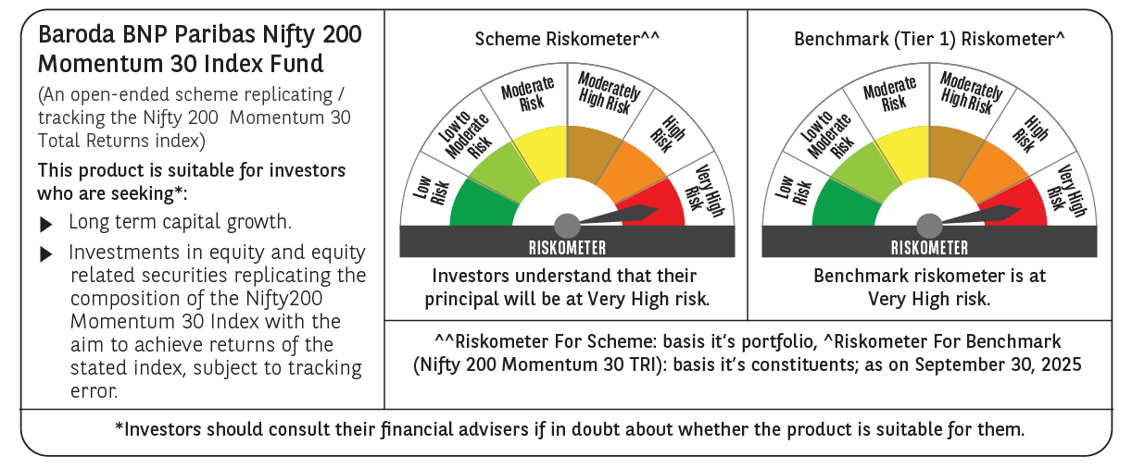

 | Monthly Performance Link: https://www.barodabnpparibasmf.in/assets/download_documents/Performance_of_Schemes_September_14618.pdf

