T0ME39
 | Baroda BNP Paribas Nifty200 Momentum 30 Index Fund

 | Monthly Portfolio Statement as on October 31, 2025
 | Name of the Instrument | ISIN | Industry | Quantity | Market/Fair Value (Rs. in Lakhs) | % to Net Assets | YTM~ | YTC^ | null
 | Equity & Equity related
 | (a) Listed / awaiting listing on Stock Exchanges
BAFL03 | Bajaj Finance Limited | INE296A01032 | Finance | 13,757 | 143.46 | 5.62%
BTVL02 | Bharti Airtel Limited | INE397D01024 | Telecom - Services | 6,549 | 134.55 | 5.27%
SLIF01 | SBI Life Insurance Company Limited | INE123W01016 | Insurance | 6,833 | 133.63 | 5.23%
BFSL02 | Bajaj Finserv Limited | INE918I01026 | Finance | 6,354 | 132.69 | 5.20%
BHEL02 | Bharat Electronics Limited | INE263A01024 | Aerospace & Defense | 30,928 | 131.78 | 5.16%
INAV01 | InterGlobe Aviation Limited | INE646L01027 | Transport Services | 2,279 | 128.19 | 5.02%
HDFB03 | HDFC Bank Limited | INE040A01034 | Banks | 12,844 | 126.81 | 4.97%
KOMA02 | Kotak Mahindra Bank Limited | INE237A01028 | Banks | 5,807 | 122.07 | 4.78%
HDLI01 | HDFC Life Insurance Company Limited | INE795G01014 | Insurance | 16,428 | 120.23 | 4.71%
IBCL05 | ICICI Bank Limited | INE090A01021 | Banks | 8,901 | 119.75 | 4.69%
BSEL02 | BSE Limited | INE118H01025 | Capital Markets | 4,531 | 112.32 | 4.40%
DIVI02 | Divi's Laboratories Limited | INE361B01024 | Pharmaceuticals & Biotechnology | 1,605 | 108.14 | 4.24%
MAHE01 | Max Healthcare Institute Limited | INE027H01010 | Healthcare Services | 8,813 | 101.16 | 3.96%
CHOL02 | Cholamandalam Investment and Finance Company Ltd | INE121A01024 | Finance | 5,347 | 90.73 | 3.55%
SAEL02 | TVS Motor Company Limited | INE494B01023 | Automobiles | 2,582 | 90.59 | 3.55%
MAXI02 | Max Financial Services Limited | INE180A01020 | Insurance | 5,173 | 80.00 | 3.13%
NITL02 | Coforge Limited | INE591G01025 | IT - Software | 3,755 | 66.77 | 2.62%
ONCO02 | One 97 Communications Limited | INE982J01020 | Financial Technology (Fintech) | 4,990 | 65.03 | 2.55%
SOEL02 | Solar Industries India Limited | INE343H01029 | Chemicals & Petrochemicals | 466 | 64.67 | 2.53%
PSYL02 | Persistent Systems Limited | INE262H01021 | IT - Software | 1,057 | 62.54 | 2.45%
SRFL01 | SRF Limited | INE647A01010 | Chemicals & Petrochemicals | 1,949 | 57.12 | 2.24%
IHOT02 | The Indian Hotels Company Limited | INE053A01029 | Leisure Services | 6,928 | 51.39 | 2.01%
DIXO02 | Dixon Technologies (India) Limited | INE935N01020 | Consumer Durables | 313 | 48.50 | 1.90%
SBCP01 | SBI Cards and Payment Services Limited | INE018E01016 | Finance | 5,223 | 45.89 | 1.80%
SHCE01 | Shree Cement Limited | INE070A01015 | Cement & Cement Products | 154 | 43.60 | 1.71%
MUFL01 | Muthoot Finance Limited | INE414G01012 | Finance | 1,217 | 38.68 | 1.52%
MCSP02 | United Spirits Limited | INE854D01024 | Beverages | 2,609 | 37.35 | 1.46%
FSNE01 | FSN E-Commerce Ventures Limited | INE388Y01029 | Retailing | 14,621 | 36.25 | 1.42%
MAZG02 | Mazagon Dock Shipbuilders Limited | INE249Z01020 | Industrial Manufacturing | 1,237 | 33.76 | 1.32%
BHDY02 | Bharat Dynamics Limited | INE171Z01026 | Aerospace & Defense | 1,474 | 22.55 | 0.88%
SAEL21PS | TVS Motor Company Limited (Preference Share) ** | INE494B04019 | Automobiles | 10,460 | 1.06 | 0.04%
 | Sub Total |  |  |  | 2,551.26 | 99.93%
 | (b) Unlisted |  |  |  | NIL | NIL
 | Sub Total |  |  |  | NIL | NIL
 | Total |  |  |  | 2,551.26 | 99.93%
 | Reverse Repo / TREPS
TRP_031125 | Clearing Corporation of India Ltd |  |  |  | 3.32 | 0.13% | 5.59%
 | Sub Total |  |  |  | 3.32 | 0.13%
 | Total |  |  |  | 3.32 | 0.13%
 | Net Receivables / (Payables) |  |  |  | (1.68) | (0.06)%
 | GRAND TOTAL |  |  |  | 2,552.90 | 100.00%

 | ** Thinly Traded / Non Traded Security
 | ~ YTM as on October 31, 2025
 | ^ YTC represents Yield to Call provided by valuation agencies as on October 31, 2025. It is disclosed for Perpetual Bond issued by Banks (i.e. AT-1 Bond / Tier 1 Bond / Tier 2 Bond), as per AMFI Best Practices Guidelines Circular no. 135/BP/91/2020-21 read with SEBI circular No. SEBI/HO/IMD/DF4/CIR/P/2021/034 on Valuation of AT-1 Bonds and Tier 2 Bonds.

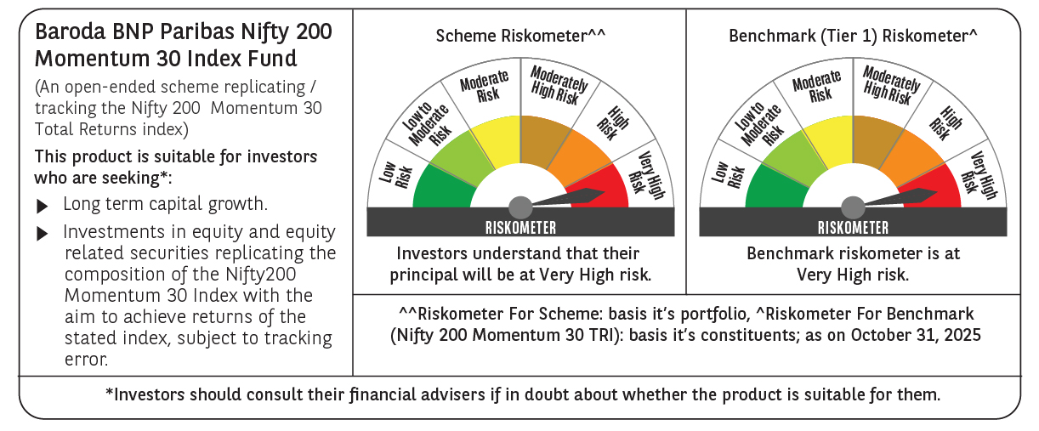

 | Monthly Performance Link: https://www.barodabnpparibasmf.in/assets/download_documents/Performance_of_Schemes-October_2025_15267.pdf

