T0ME39
 | Baroda BNP Paribas Nifty200 Momentum 30 Index Fund

 | Monthly Portfolio Statement as on November 30, 2025
 | Name of the Instrument | ISIN | Industry | Quantity | Market/Fair Value (Rs. in Lakhs) | % to Net Assets | YTM~ | YTC^ | null
 | Equity & Equity related
 | (a) Listed / awaiting listing on Stock Exchanges
BAFL03 | Bajaj Finance Limited | INE296A01032 | Finance | 13,416 | 139.19 | 5.42%
SLIF01 | SBI Life Insurance Company Limited | INE123W01016 | Insurance | 6,858 | 134.83 | 5.25%
BTVL02 | Bharti Airtel Limited | INE397D01024 | Telecom - Services | 6,378 | 134.04 | 5.22%
BSEL02 | BSE Limited | INE118H01025 | Capital Markets | 4,519 | 131.16 | 5.10%
INAV01 | InterGlobe Aviation Limited | INE646L01027 | Transport Services | 2,222 | 131.13 | 5.10%
BFSL02 | Bajaj Finserv Limited | INE918I01026 | Finance | 6,231 | 130.48 | 5.08%
BHEL02 | Bharat Electronics Limited | INE263A01024 | Aerospace & Defense | 30,978 | 127.55 | 4.96%
HDFB03 | HDFC Bank Limited | INE040A01034 | Banks | 12,595 | 126.91 | 4.94%
HDLI01 | HDFC Life Insurance Company Limited | INE795G01014 | Insurance | 16,150 | 123.43 | 4.80%
IBCL05 | ICICI Bank Limited | INE090A01021 | Banks | 8,776 | 121.88 | 4.74%
KOMA02 | Kotak Mahindra Bank Limited | INE237A01028 | Banks | 5,629 | 119.58 | 4.65%
DIVI02 | Divi's Laboratories Limited | INE361B01024 | Pharmaceuticals & Biotechnology | 1,622 | 105.06 | 4.09%
MAHE01 | Max Healthcare Institute Limited | INE027H01010 | Healthcare Services | 8,610 | 100.12 | 3.90%
CHOL02 | Cholamandalam Investment and Finance Company Ltd | INE121A01024 | Finance | 5,219 | 90.60 | 3.53%
MAXI02 | Max Financial Services Limited | INE180A01020 | Insurance | 5,315 | 90.47 | 3.52%
SAEL02 | TVS Motor Company Limited | INE494B01023 | Automobiles | 2,530 | 89.35 | 3.48%
NITL02 | Coforge Limited | INE591G01025 | IT - Software | 3,725 | 71.10 | 2.77%
PSYL02 | Persistent Systems Limited | INE262H01021 | IT - Software | 1,066 | 67.72 | 2.63%
ONCO02 | One 97 Communications Limited | INE982J01020 | Financial Technology (Fintech) | 4,797 | 63.35 | 2.46%
SOEL02 | Solar Industries India Limited | INE343H01029 | Chemicals & Petrochemicals | 461 | 61.18 | 2.38%
SRFL01 | SRF Limited | INE647A01010 | Chemicals & Petrochemicals | 1,840 | 53.86 | 2.10%
IHOT02 | The Indian Hotels Company Limited | INE053A01029 | Leisure Services | 6,750 | 50.24 | 1.95%
DIXO02 | Dixon Technologies (India) Limited | INE935N01020 | Consumer Durables | 313 | 45.70 | 1.78%
MUFL01 | Muthoot Finance Limited | INE414G01012 | Finance | 1,202 | 45.01 | 1.75%
SBCP01 | SBI Cards and Payment Services Limited | INE018E01016 | Finance | 5,044 | 44.39 | 1.73%
SHCE01 | Shree Cement Limited | INE070A01015 | Cement & Cement Products | 151 | 39.86 | 1.55%
FSNE01 | FSN E-Commerce Ventures Limited | INE388Y01029 | Retailing | 14,186 | 37.92 | 1.48%
MCSP02 | United Spirits Limited | INE854D01024 | Beverages | 2,562 | 37.19 | 1.45%
MAZG02 | Mazagon Dock Shipbuilders Limited | INE249Z01020 | Industrial Manufacturing | 1,205 | 32.29 | 1.26%
BHDY02 | Bharat Dynamics Limited | INE171Z01026 | Aerospace & Defense | 1,439 | 21.78 | 0.85%
SAEL21PS | TVS Motor Company Limited (Non Convertible Preference Share) ** | INE494B04019 | Automobiles | 10,460 | 1.06 | 0.04%
 | Sub Total |  |  |  | 2,568.43 | 99.96%
 | (b) Unlisted |  |  |  | NIL | NIL
 | Sub Total |  |  |  | NIL | NIL
 | Total |  |  |  | 2,568.43 | 99.96%
 | Reverse Repo / TREPS
TRP_011225 | Clearing Corporation of India Ltd |  |  |  | 2.06 | 0.08% | 5.43%
 | Sub Total |  |  |  | 2.06 | 0.08%
 | Total |  |  |  | 2.06 | 0.08%
 | Net Receivables / (Payables) |  |  |  | (0.31) | (0.04)%
 | GRAND TOTAL |  |  |  | 2,570.18 | 100.00%

 | ** Thinly Traded / Non Traded Security
 | ~ YTM as on November 30, 2025
 | ^ YTC represents Yield to Call provided by valuation agencies as on November 30, 2025. It is disclosed for Perpetual Bond issued by Banks (i.e. AT-1 Bond / Tier 1 Bond / Tier 2 Bond), as per AMFI Best Practices Guidelines Circular no. 135/BP/91/2020-21 read with SEBI circular No. SEBI/HO/IMD/DF4/CIR/P/2021/034 on Valuation of AT-1 Bonds and Tier 2 Bonds.

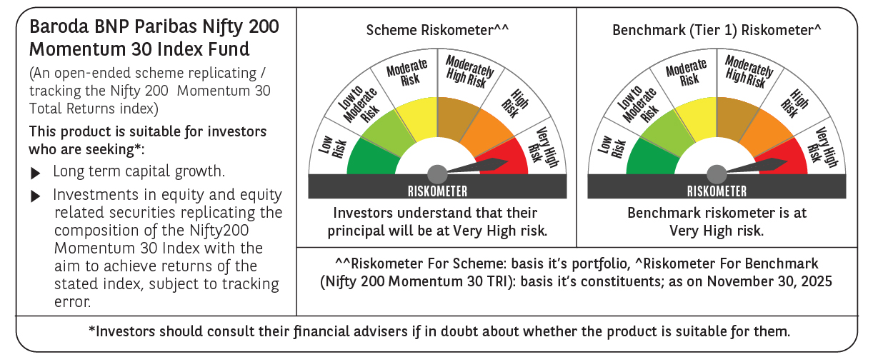

 | Monthly Performance Link: https://www.barodabnpparibasmf.in/assets/download_documents/Performance_of_Schemes_Nov-2025_15612.pdf

