T0ME39
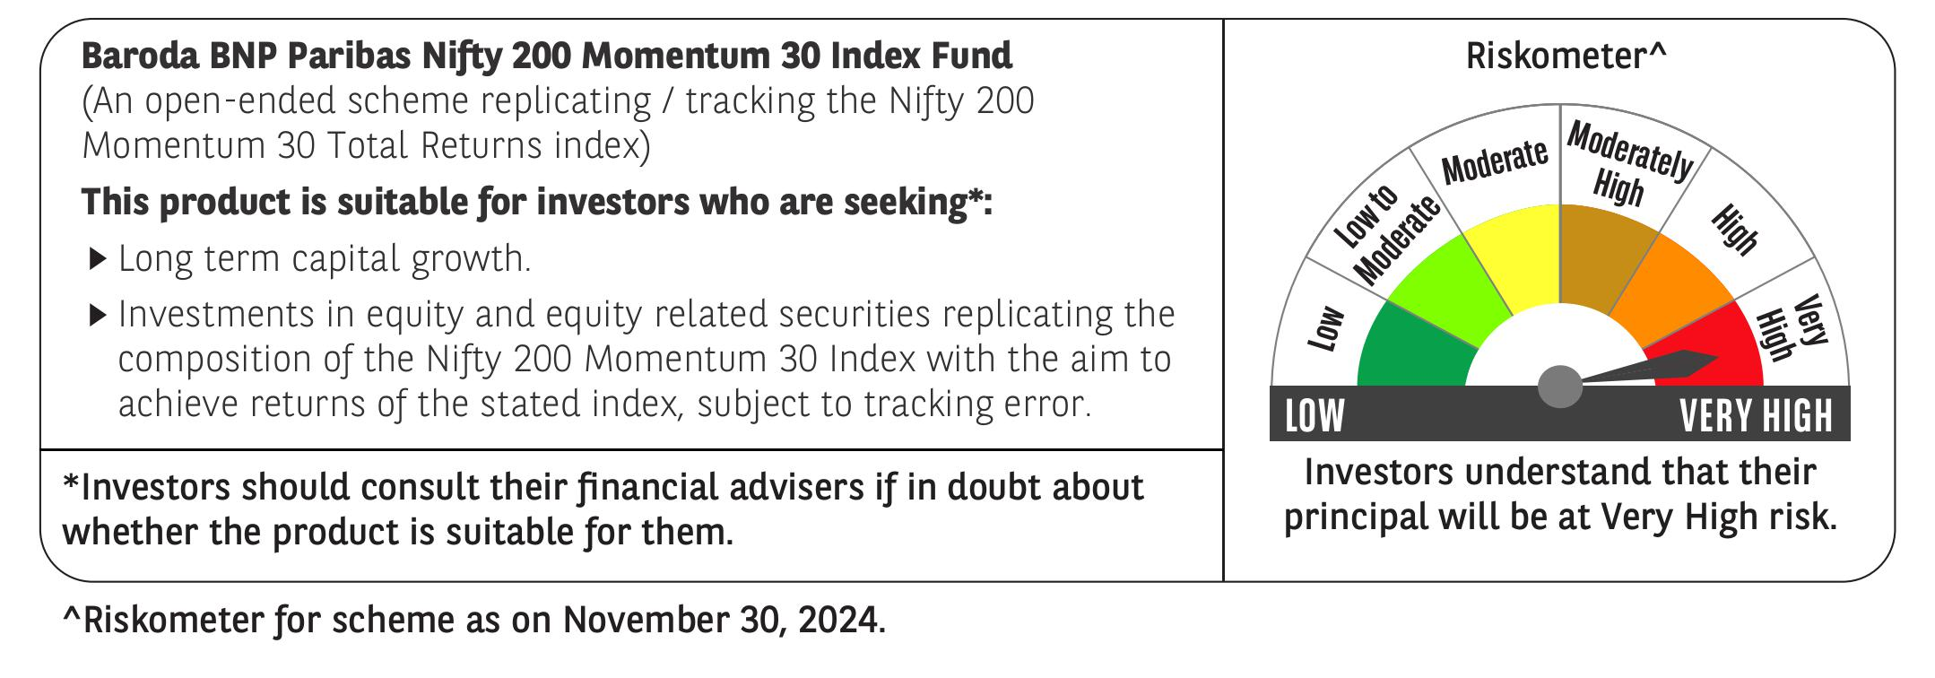
 | Baroda BNP Paribas Nifty200 Momentum 30 Index Fund

 | Monthly Portfolio Statement as on November 30, 2024
 | Name of the Instrument | ISIN | Industry | Quantity | Market/Fair Value (Rs. in Lakhs) | % to Net Assets | YTM~ | YTC^ | null
 | Equity & Equity related
 | (a) Listed / awaiting listing on Stock Exchanges
LAKM02 | Trent Limited | INE849A01020 | Retailing | 2,670 | 181.44 | 6.54%
BTVL02 | Bharti Airtel Limited | INE397D01024 | Telecom - Services | 9,716 | 158.09 | 5.69%
NTPC01 | NTPC Limited | INE733E01010 | Power | 39,677 | 144.29 | 5.20%
MAHI02 | Mahindra & Mahindra Limited | INE101A01026 | Automobiles | 4,821 | 143.00 | 5.15%
BHEL02 | Bharat Electronics Limited | INE263A01024 | Aerospace & Defense | 45,893 | 141.35 | 5.09%
SIEM02 | Siemens Limited | INE003A01024 | Electrical Equipment | 1,840 | 139.12 | 5.01%
BALN01 | Bajaj Auto Limited | INE917I01010 | Automobiles | 1,480 | 133.70 | 4.82%
HALT02 | Hindustan Aeronautics Limited | INE066F01020 | Aerospace & Defense | 2,672 | 119.62 | 4.31%
RELC01 | REC Limited | INE020B01018 | Finance | 22,179 | 118.13 | 4.26%
COAL01 | Coal India Limited | INE522F01014 | Consumable Fuels | 28,150 | 117.22 | 4.22%
TELC03 | Tata Motors Limited | INE155A01022 | Automobiles | 14,903 | 117.20 | 4.22%
MUND02 | Adani Ports and Special Economic Zone Limited | INE742F01042 | Transport Infrastructure | 9,634 | 114.65 | 4.13%
PFCL01 | Power Finance Corporation Limited | INE134E01011 | Finance | 23,127 | 114.55 | 4.13%
DIXO02 | Dixon Technologies (India) Limited | INE935N01020 | Consumer Durables | 660 | 104.33 | 3.76%
TPOW02 | Tata Power Company Limited | INE245A01021 | Power | 24,769 | 102.58 | 3.70%
KCUL02 | Cummins India Limited | INE298A01020 | Industrial Products | 2,743 | 95.56 | 3.44%
SESA02 | Vedanta Limited | INE205A01025 | Diversified Metals | 20,031 | 90.84 | 3.27%
HERO02 | Hero MotoCorp Limited | INE158A01026 | Automobiles | 1,566 | 74.57 | 2.69%
MOSU03 | Samvardhana Motherson International Limited | INE775A01035 | Auto Components | 42,212 | 68.58 | 2.47%
ASEA02 | ABB India Limited | INE117A01022 | Electrical Equipment | 868 | 64.42 | 2.32%
BHAH02 | Bharat Heavy Electricals Limited | INE257A01026 | Electrical Equipment | 24,666 | 61.93 | 2.23%
LUPL02 | Lupin Limited | INE326A01037 | Pharmaceuticals & Biotechnology | 2,861 | 58.67 | 2.11%
PUBA02 | Punjab National Bank | INE160A01022 | Banks | 48,448 | 50.82 | 1.83%
BINL01 | Indus Towers Limited | INE121J01017 | Telecom - Services | 13,128 | 45.86 | 1.65%
MOTI02 | Bosch Limited | INE323A01026 | Auto Components | 118 | 41.26 | 1.49%
CHEL02 | Zydus Lifesciences Limited | INE010B01027 | Pharmaceuticals & Biotechnology | 4,075 | 39.36 | 1.42%
BHFO02 | Bharat Forge Limited | INE465A01025 | Auto Components | 2,843 | 37.88 | 1.36%
IFEL01 | Oracle Financial Services Software Limited | INE881D01027 | IT - Software | 318 | 37.19 | 1.34%
NMDC01 | NMDC Limited | INE584A01023 | Minerals & Mining | 14,827 | 34.11 | 1.23%
OBRL01 | Oberoi Realty Limited | INE093I01010 | Realty | 1,234 | 24.77 | 0.89%
 | Sub Total |  |  |  | 2,775.09 | 99.97%
 | (b) Unlisted |  |  |  | NIL | NIL
 | Sub Total |  |  |  | NIL | NIL
 | Total |  |  |  | 2,775.09 | 99.97%
 | Reverse Repo / TREPS
TRP_021224 | Clearing Corporation of India Ltd |  |  |  | 6.09 | 0.22% | 6.69%
 | Sub Total |  |  |  | 6.09 | 0.22%
 | Total |  |  |  | 6.09 | 0.22%
 | Net Receivables / (Payables) |  |  |  | (5.04) | (0.19)%
 | GRAND TOTAL |  |  |  | 2,776.14 | 100.00%

 | ~ YTM as on November 30, 2024
 | ^ YTC represents Yield to Call provided by valuation agencies as on November 30, 2024. It is disclosed for Perpetual Bond issued by Banks (i.e. AT-1 Bond / Tier 1 Bond / Tier 2 Bond), as per AMFI Best Practices Guidelines Circular no. 135/BP/91/2020-21 re

