T0ME41
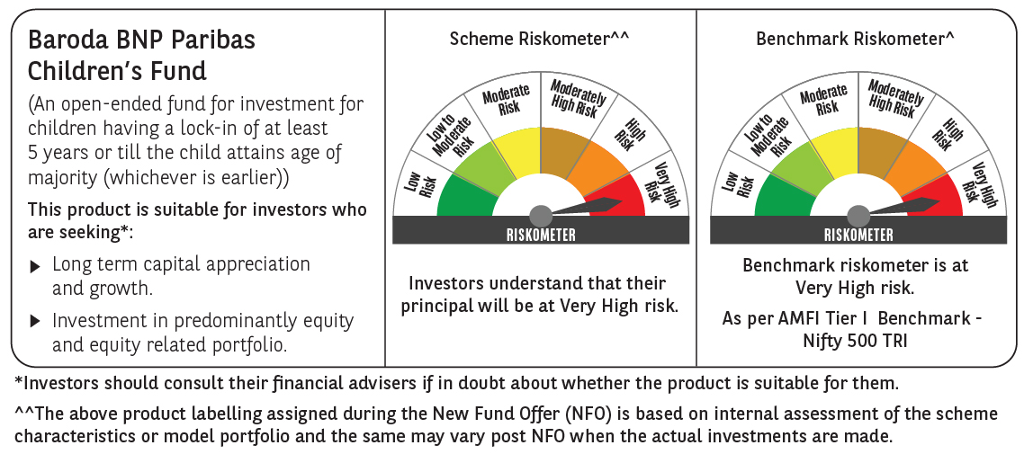
 | Baroda BNP Paribas Childrens Fund

 | Monthly Portfolio Statement as on December 31, 2024
 | Name of the Instrument | ISIN | Rating | Quantity | Market/Fair Value (Rs. in Lakhs) | % to Net Assets | YTM~ | YTC^ | null
 | Debt Instruments
 | (a) Listed / awaiting listing on Stock Exchange
GOI5228 | 7.18% Government of India (14/08/2033) | IN0020230085 | Sovereign | 1,500,000 | 1,534.87 | 22.31% | 6.93%
 | Sub Total |  |  |  | 1,534.87 | 22.31%
 | (b) Privately placed / Unlisted |  |  |  | NIL | NIL
 | Sub Total |  |  |  | NIL | NIL
 | Total |  |  |  | 1,534.87 | 22.31%
 | Reverse Repo / TREPS
TRP_010125 | Clearing Corporation of India Ltd |  |  |  | 5,263.41 | 76.52% | 6.58%
 | Sub Total |  |  |  | 5,263.41 | 76.52%
 | (b) Privately placed / Unlisted |  |  |  | NIL | NIL
 | Sub Total |  |  |  | NIL | NIL
 | Total |  |  |  | 5,263.41 | 76.52%
 | Net Receivables / (Payables) |  |  |  | 80.36 | 1.17%
 | GRAND TOTAL |  |  |  | 6,878.64 | 100.00%

 | ~ YTM as on December 31, 2024
 | ^ YTC represents Yield to Call provided by valuation agencies as on December 31, 2024. It is disclosed for Perpetual Bond issued by Banks (i.e. AT-1 Bond / Tier 1 Bond / Tier 2 Bond), as per AMFI Best Practices Guidelines Circular no. 135/BP/91/2020-21 re

