Monthly Portfolio
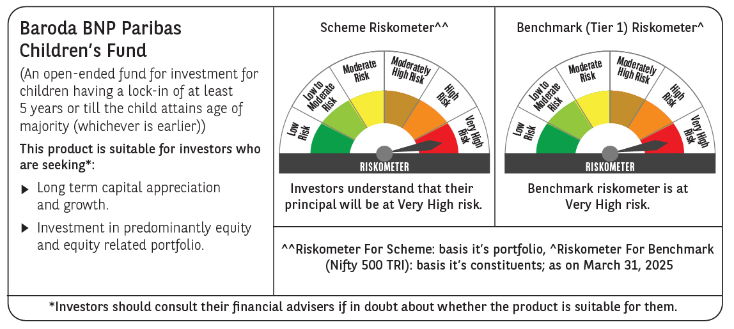
 | Baroda BNP Paribas Childrens Fund

 | Monthly Portfolio Statement as on March 31, 2025
 | Name of the Instrument | ISIN | Industry / Rating | Quantity | Market/Fair Value (Rs. in Lakhs) | % to Net Assets | YTM~ | YTC^ | null
 | Equity & Equity related
 | (a) Listed / awaiting listing on Stock Exchanges
IBCL05 | ICICI Bank Limited | INE090A01021 | Banks | 34,000 | 458.44 | 6.05%
HDFB03 | HDFC Bank Limited | INE040A01034 | Banks | 25,000 | 457.05 | 6.03%
RIND01 | Reliance Industries Limited | INE002A01018 | Petroleum Products | 35,000 | 446.29 | 5.89%
BTVL02 | Bharti Airtel Limited | INE397D01024 | Telecom - Services | 15,500 | 268.68 | 3.54%
ULCC01 | UltraTech Cement Limited | INE481G01011 | Cement & Cement Products | 2,000 | 230.19 | 3.04%
KOMA02 | Kotak Mahindra Bank Limited | INE237A01028 | Banks | 10,000 | 217.12 | 2.86%
KCUL02 | Cummins India Limited | INE298A01020 | Industrial Products | 6,600 | 201.42 | 2.66%
INFS02 | Infosys Limited | INE009A01021 | IT - Software | 12,550 | 197.12 | 2.60%
LARS02 | Larsen & Toubro Limited | INE018A01030 | Construction | 5,200 | 181.60 | 2.39%
MAUD01 | Maruti Suzuki India Limited | INE585B01010 | Automobiles | 1,500 | 172.83 | 2.28%
ABBP01 | Hitachi Energy India Limited | INE07Y701011 | Electrical Equipment | 1,334 | 168.80 | 2.23%
NTPC01 | NTPC Limited | INE733E01010 | Power | 44,800 | 160.20 | 2.11%
RAKH02 | Radico Khaitan Limited | INE944F01028 | Beverages | 6,500 | 157.88 | 2.08%
DIVI02 | Divi's Laboratories Limited | INE361B01024 | Pharmaceuticals & Biotechnology | 2,700 | 155.94 | 2.06%
BHAH02 | Bharat Heavy Electricals Limited | INE257A01026 | Electrical Equipment | 72,000 | 155.83 | 2.05%
KAVY06 | Karur Vysya Bank Limited | INE036D01028 | Banks | 73,000 | 152.75 | 2.01%
CHOL02 | Cholamandalam Investment and Finance Company Ltd | INE121A01024 | Finance | 10,000 | 152.00 | 2.00%
SBAI02 | State Bank of India | INE062A01020 | Banks | 19,000 | 146.59 | 1.93%
BOCL01 | Linde India Limited | INE473A01011 | Chemicals & Petrochemicals | 2,300 | 143.92 | 1.90%
IEIN01 | Info Edge (India) Limited | INE663F01024 | Retailing | 2,000 | 143.63 | 1.89%
BINL01 | Indus Towers Limited | INE121J01017 | Telecom - Services | 40,000 | 133.72 | 1.76%
PHFP02 | PNB Housing Finance Limited | INE572E01012 | Finance | 15,000 | 132.23 | 1.74%
HINI02 | Hindalco Industries Limited | INE038A01020 | Non - Ferrous Metals | 19,000 | 129.67 | 1.71%
ADWI01 | Adani Wilmar Limited | INE699H01024 | Agricultural Food & other Products | 50,000 | 129.16 | 1.70%
PRRC03 | Navin Fluorine International Limited | INE048G01026 | Chemicals & Petrochemicals | 3,000 | 126.33 | 1.67%
WIPR02 | Wipro Limited | INE075A01022 | IT - Software | 48,000 | 125.88 | 1.66%
MAHI02 | Mahindra & Mahindra Limited | INE101A01026 | Automobiles | 4,700 | 125.29 | 1.65%
BAFL02 | Bajaj Finance Limited | INE296A01024 | Finance | 1,300 | 116.29 | 1.53%
MAXI02 | Max Financial Services Limited | INE180A01020 | Insurance | 10,000 | 114.77 | 1.51%
PFCL01 | Power Finance Corporation Limited | INE134E01011 | Finance | 27,000 | 111.85 | 1.47%
SLIF01 | SBI Life Insurance Company Limited | INE123W01016 | Insurance | 7,000 | 108.35 | 1.43%
HPEC01 | Hindustan Petroleum Corporation Limited | INE094A01015 | Petroleum Products | 30,000 | 108.11 | 1.43%
PAGE01 | Page Industries Limited | INE761H01022 | Textiles & Apparels | 250 | 106.73 | 1.41%
KPEL01 | KPIT Technologies Limited | INE04I401011 | IT - Software | 8,000 | 104.60 | 1.38%
VNBL03 | Varun Beverages Limited | INE200M01039 | Beverages | 19,000 | 102.53 | 1.35%
APOL02 | Apollo Hospitals Enterprise Limited | INE437A01024 | Healthcare Services | 1,500 | 99.24 | 1.31%
TOPH02 | Torrent Pharmaceuticals Limited | INE685A01028 | Pharmaceuticals & Biotechnology | 3,000 | 96.84 | 1.28%
MASL02 | Mastek Limited | INE759A01021 | IT - Software | 4,318 | 94.18 | 1.24%
MCEX01 | Multi Commodity Exchange of India Limited | INE745G01035 | Capital Markets | 1,700 | 90.30 | 1.19%
CONB01 | Concord Biotech Limited | INE338H01029 | Pharmaceuticals & Biotechnology | 5,000 | 84.03 | 1.11%
MAHE01 | Max Healthcare Institute Limited | INE027H01010 | Healthcare Services | 7,000 | 76.79 | 1.01%
ZMPL01 | Zomato Limited | INE758T01015 | Retailing | 38,000 | 76.65 | 1.01%
LTIL01 | LTIMindtree Limited | INE214T01019 | IT - Software | 1,600 | 71.86 | 0.95%
AGBL01 | Angel One Limited | INE732I01013 | Capital Markets | 3,000 | 69.40 | 0.92%
TEGA01 | Tega Industries Limited | INE011K01018 | Industrial Manufacturing | 4,046 | 59.71 | 0.79%
VGIL02 | V-Guard Industries Limited | INE951I01027 | Consumer Durables | 15,000 | 53.33 | 0.70%
SAGI01 | Sagility India Limited | INE0W2G01015 | IT - Services | 70,000 | 30.04 | 0.40%
 | Sub Total |  |  |  | 7,046.16 | 92.91%
 | (b) Unlisted |  |  |  | NIL | NIL
 | Sub Total |  |  |  | NIL | NIL
 | Total |  |  |  | 7,046.16 | 92.91%
 | Debt Instruments
 | (a) Listed / awaiting listing on Stock Exchange
GOI5228 | 7.18% Government of India (14/08/2033) | IN0020230085 | Sovereign | 200,000 | 207.27 | 2.73% | 6.71%
 | Sub Total |  |  |  | 207.27 | 2.73%
 | (b) Privately placed / Unlisted |  |  |  | NIL | NIL
 | Sub Total |  |  |  | NIL | NIL
 | Total |  |  |  | 207.27 | 2.73%
 | Reverse Repo / TREPS
TRP_020425 | Clearing Corporation of India Ltd |  |  |  | 309.01 | 4.07% | 6.68%
 | Sub Total |  |  |  | 309.01 | 4.07%
 | (b) Privately placed / Unlisted |  |  |  | NIL | NIL
 | Sub Total |  |  |  | NIL | NIL
 | Total |  |  |  | 309.01 | 4.07%
 | Net Receivables / (Payables) |  |  |  | 20.84 | 0.29%
 | GRAND TOTAL |  |  |  | 7,583.28 | 100.00%

 | ~ YTM as on March 31, 2025
 | ^ YTC represents Yield to Call provided by valuation agencies as on March 31, 2025. It is disclosed for Perpetual Bond issued by Banks (i.e. AT-1 Bond / Tier 1 Bond / Tier 2 Bond), as per AMFI Best Practices Guidelines Circular no. 135/BP/91/2020-21 read with SEBI circular No. SEBI/HO/IMD/DF4/CIR/P/2021/034 on Valuation of AT-1 Bonds and Tier 2 Bonds.

