T0ME41
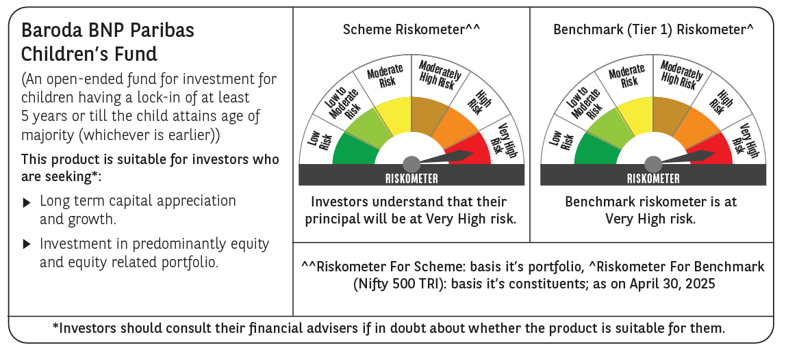
 | Baroda BNP Paribas Childrens Fund

 | Monthly Portfolio Statement as on April 30, 2025
 | Name of the Instrument | ISIN | Industry / Rating | Quantity | Market/Fair Value (Rs. in Lakhs) | % to Net Assets | YTM~ | YTC^ | null
 | Equity & Equity related
 | (a) Listed / awaiting listing on Stock Exchanges
HDFB03 | HDFC Bank Limited | INE040A01034 | Banks | 28,000 | 539.00 | 6.69%
RIND01 | Reliance Industries Limited | INE002A01018 | Petroleum Products | 35,000 | 491.75 | 6.11%
IBCL05 | ICICI Bank Limited | INE090A01021 | Banks | 34,000 | 485.18 | 6.02%
BTVL02 | Bharti Airtel Limited | INE397D01024 | Telecom - Services | 13,250 | 247.05 | 3.07%
ULCC01 | UltraTech Cement Limited | INE481G01011 | Cement & Cement Products | 2,000 | 232.82 | 2.89%
KOMA02 | Kotak Mahindra Bank Limited | INE237A01028 | Banks | 10,000 | 220.81 | 2.74%
ABBP01 | Hitachi Energy India Limited | INE07Y701011 | Electrical Equipment | 1,334 | 193.82 | 2.41%
KCUL02 | Cummins India Limited | INE298A01020 | Industrial Products | 6,600 | 191.10 | 2.37%
INFS02 | Infosys Limited | INE009A01021 | IT - Software | 12,550 | 188.26 | 2.34%
LARS02 | Larsen & Toubro Limited | INE018A01030 | Construction | 5,200 | 173.73 | 2.16%
DIVI02 | Divi's Laboratories Limited | INE361B01024 | Pharmaceuticals & Biotechnology | 2,700 | 164.35 | 2.04%
BHAH02 | Bharat Heavy Electricals Limited | INE257A01026 | Electrical Equipment | 72,000 | 163.32 | 2.03%
RAKH02 | Radico Khaitan Limited | INE944F01028 | Beverages | 6,500 | 159.62 | 1.98%
KAVY06 | Karur Vysya Bank Limited | INE036D01028 | Banks | 73,000 | 159.26 | 1.98%
NTPC01 | NTPC Limited | INE733E01010 | Power | 44,800 | 158.84 | 1.97%
SBAI02 | State Bank of India | INE062A01020 | Banks | 19,000 | 149.84 | 1.86%
CHOL02 | Cholamandalam Investment and Finance Company Ltd | INE121A01024 | Finance | 10,000 | 149.22 | 1.85%
BINL01 | Indus Towers Limited | INE121J01017 | Telecom - Services | 36,000 | 146.95 | 1.82%
BOCL01 | Linde India Limited | INE473A01011 | Chemicals & Petrochemicals | 2,300 | 145.73 | 1.81%
IEIN01 | Info Edge (India) Limited | INE663F01024 | Retailing | 2,000 | 141.39 | 1.76%
MAHI02 | Mahindra & Mahindra Limited | INE101A01026 | Automobiles | 4,700 | 137.65 | 1.71%
PHFP02 | PNB Housing Finance Limited | INE572E01012 | Finance | 13,500 | 136.38 | 1.69%
ADWI01 | AWL Agri Business Limited | INE699H01024 | Agricultural Food & other Products | 50,000 | 133.53 | 1.66%
MAXI02 | Max Financial Services Limited | INE180A01020 | Insurance | 10,000 | 130.50 | 1.62%
TEMA02 | Tech Mahindra Limited | INE669C01036 | IT - Software | 8,500 | 127.76 | 1.59%
SLIF01 | SBI Life Insurance Company Limited | INE123W01016 | Insurance | 7,000 | 123.61 | 1.53%
PRRC03 | Navin Fluorine International Limited | INE048G01026 | Chemicals & Petrochemicals | 2,700 | 122.08 | 1.52%
HINI02 | Hindalco Industries Limited | INE038A01020 | Non - Ferrous Metals | 19,000 | 118.68 | 1.47%
TWAT02 | Titan Company Limited | INE280A01028 | Consumer Durables | 3,500 | 118.29 | 1.47%
WIPR02 | Wipro Limited | INE075A01022 | IT - Software | 48,000 | 115.92 | 1.44%
PAGE01 | Page Industries Limited | INE761H01022 | Textiles & Apparels | 250 | 114.04 | 1.42%
BAFL02 | Bajaj Finance Limited | INE296A01024 | Finance | 1,300 | 112.25 | 1.39%
PFCL01 | Power Finance Corporation Limited | INE134E01011 | Finance | 27,000 | 110.00 | 1.37%
APOL02 | Apollo Hospitals Enterprise Limited | INE437A01024 | Healthcare Services | 1,500 | 104.66 | 1.30%
KPEL01 | KPIT Technologies Limited | INE04I401011 | IT - Software | 8,000 | 100.29 | 1.25%
TOPH02 | Torrent Pharmaceuticals Limited | INE685A01028 | Pharmaceuticals & Biotechnology | 3,000 | 99.66 | 1.24%
VNBL03 | Varun Beverages Limited | INE200M01039 | Beverages | 19,000 | 99.25 | 1.23%
SAEL02 | TVS Motor Company Limited | INE494B01023 | Automobiles | 3,500 | 93.52 | 1.16%
MAUD01 | Maruti Suzuki India Limited | INE585B01010 | Automobiles | 750 | 91.93 | 1.14%
MCEX01 | Multi Commodity Exchange of India Limited | INE745G01035 | Capital Markets | 1,500 | 91.92 | 1.14%
CONB01 | Concord Biotech Limited | INE338H01029 | Pharmaceuticals & Biotechnology | 6,000 | 91.12 | 1.13%
ZMPL01 | Eternal Limited | INE758T01015 | Retailing | 38,000 | 88.36 | 1.10%
HPEC01 | Hindustan Petroleum Corporation Limited | INE094A01015 | Petroleum Products | 21,000 | 79.53 | 0.99%
LAKM02 | Trent Limited | INE849A01020 | Retailing | 1,500 | 77.59 | 0.96%
MAHE01 | Max Healthcare Institute Limited | INE027H01010 | Healthcare Services | 7,000 | 76.87 | 0.95%
LTIL01 | LTIMindtree Limited | INE214T01019 | IT - Software | 1,600 | 73.38 | 0.91%
TEGA01 | Tega Industries Limited | INE011K01018 | Industrial Manufacturing | 4,046 | 54.69 | 0.68%
VGIL02 | V-Guard Industries Limited | INE951I01027 | Consumer Durables | 15,000 | 54.10 | 0.67%
 | Sub Total |  |  |  | 7,379.60 | 91.63%
 | (b) Unlisted |  |  |  | NIL | NIL
 | Sub Total |  |  |  | NIL | NIL
 | Total |  |  |  | 7,379.60 | 91.63%
 | Derivatives
 | Index / Stock Futures
AGBLMAY25 | Angel One Limited May 2025 Future |  |  | 3,000 | 67.99 | 0.84%
 | Sub Total |  |  |  | 67.99 | 0.84%
 | Total |  |  |  | 67.99 | 0.84%
 | Debt Instruments
 | (a) Listed / awaiting listing on Stock Exchange
GOI5228 | 7.18% Government of India (14/08/2033) | IN0020230085 | Sovereign | 200,000 | 210.53 | 2.61% | 6.45%
 | Sub Total |  |  |  | 210.53 | 2.61%
 | (b) Privately placed / Unlisted |  |  |  | NIL | NIL
 | Sub Total |  |  |  | NIL | NIL
 | Total |  |  |  | 210.53 | 2.61%
 | Reverse Repo / TREPS
TRP_020525 | Clearing Corporation of India Ltd |  |  |  | 462.51 | 5.74% | 5.94%
 | Sub Total |  |  |  | 462.51 | 5.74%
 | (b) Privately placed / Unlisted |  |  |  | NIL | NIL
 | Sub Total |  |  |  | NIL | NIL
 | Total |  |  |  | 462.51 | 5.74%
 | Net Receivables / (Payables) |  |  |  | (66.66) | (0.82)%
 | GRAND TOTAL |  |  |  | 8,053.97 | 100.00%

 | ~ YTM as on April 30, 2025
 | ^ YTC represents Yield to Call provided by valuation agencies as on April 30, 2025. It is disclosed for Perpetual Bond issued by Banks (i.e. AT-1 Bond / Tier 1 Bond / Tier 2 Bond), as per AMFI Best Practices Guidelines Circular no. 135/BP/91/2020-21 read with SEBI circular No. SEBI/HO/IMD/DF4/CIR/P/2021/034 on Valuation of AT-1 Bonds and Tier 2 Bonds.
 | Details of Stock Future / Index Future
 | Long/Short | Name of the Instrument | Industry | Quantity. | Market/Fair Value (Rs. in Lacs). | % to NAV.
 | Long | Angel One Limited_29/05/2025 | Capital Markets | 3,000 | 67.99 | 0.84%

