T0ME41
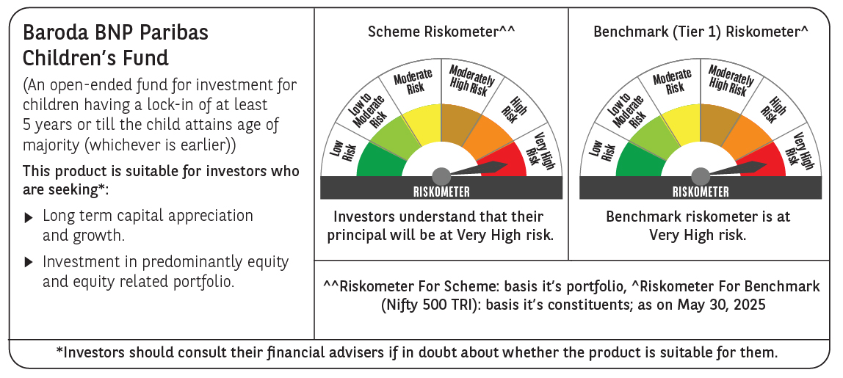
 | Baroda BNP Paribas Childrens Fund

 | Monthly Portfolio Statement as on May 31, 2025
 | Name of the Instrument | ISIN | Industry / Rating | Quantity | Market/Fair Value (Rs. in Lakhs) | % to Net Assets | YTM~ | YTC^ | null
 | Equity & Equity related
 | (a) Listed / awaiting listing on Stock Exchanges
HDFB03 | HDFC Bank Limited | INE040A01034 | Banks | 37,000 | 719.61 | 8.37%
RIND01 | Reliance Industries Limited | INE002A01018 | Petroleum Products | 35,000 | 497.32 | 5.78%
IBCL05 | ICICI Bank Limited | INE090A01021 | Banks | 34,000 | 491.57 | 5.72%
ABBP01 | Hitachi Energy India Limited | INE07Y701011 | Electrical Equipment | 1,334 | 257.44 | 2.99%
BTVL02 | Bharti Airtel Limited | INE397D01024 | Telecom - Services | 13,250 | 245.95 | 2.86%
INFS02 | Infosys Limited | INE009A01021 | IT - Software | 15,550 | 243.00 | 2.83%
ULCC01 | UltraTech Cement Limited | INE481G01011 | Cement & Cement Products | 2,000 | 224.20 | 2.61%
KCUL02 | Cummins India Limited | INE298A01020 | Industrial Products | 6,600 | 215.69 | 2.51%
UTIB02 | Axis Bank Limited | INE238A01034 | Banks | 17,500 | 208.64 | 2.43%
KOMA02 | Kotak Mahindra Bank Limited | INE237A01028 | Banks | 10,000 | 207.47 | 2.41%
LARS02 | Larsen & Toubro Limited | INE018A01030 | Construction | 5,200 | 191.11 | 2.22%
BHAH02 | Bharat Heavy Electricals Limited | INE257A01026 | Electrical Equipment | 72,000 | 187.08 | 2.18%
BOCL01 | Linde India Limited | INE473A01011 | Chemicals & Petrochemicals | 2,300 | 172.63 | 2.01%
RAKH02 | Radico Khaitan Limited | INE944F01028 | Beverages | 6,500 | 164.63 | 1.91%
KAVY06 | Karur Vysya Bank Limited | INE036D01028 | Banks | 73,000 | 161.83 | 1.88%
CHOL02 | Cholamandalam Investment and Finance Company Ltd | INE121A01024 | Finance | 10,000 | 160.10 | 1.86%
DIVI02 | Divi's Laboratories Limited | INE361B01024 | Pharmaceuticals & Biotechnology | 2,400 | 158.69 | 1.85%
SBAI02 | State Bank of India | INE062A01020 | Banks | 19,000 | 154.34 | 1.80%
NTPC01 | NTPC Limited | INE733E01010 | Power | 44,800 | 149.59 | 1.74%
IEIN02 | Info Edge (India) Limited | INE663F01032 | Retailing | 10,000 | 142.75 | 1.66%
PHFP02 | PNB Housing Finance Limited | INE572E01012 | Finance | 13,500 | 141.06 | 1.64%
MAXI02 | Max Financial Services Limited | INE180A01020 | Insurance | 9,000 | 135.24 | 1.57%
TEMA02 | Tech Mahindra Limited | INE669C01036 | IT - Software | 8,500 | 133.78 | 1.56%
SLIF01 | SBI Life Insurance Company Limited | INE123W01016 | Insurance | 7,000 | 126.85 | 1.48%
MAHI02 | Mahindra & Mahindra Limited | INE101A01026 | Automobiles | 4,200 | 125.03 | 1.45%
TWAT02 | Titan Company Limited | INE280A01028 | Consumer Durables | 3,500 | 124.43 | 1.45%
HINI02 | Hindalco Industries Limited | INE038A01020 | Non - Ferrous Metals | 19,000 | 120.37 | 1.40%
WIPR02 | Wipro Limited | INE075A01022 | IT - Software | 48,000 | 119.84 | 1.39%
BAFL02 | Bajaj Finance Limited | INE296A01024 | Finance | 1,300 | 119.35 | 1.39%
SAGI01 | Sagility India Limited | INE0W2G01015 | IT - Services | 300,000 | 118.59 | 1.38%
PAGE01 | Page Industries Limited | INE761H01022 | Textiles & Apparels | 250 | 115.95 | 1.35%
KPEL01 | KPIT Technologies Limited | INE04I401011 | IT - Software | 8,000 | 107.02 | 1.24%
CONB01 | Concord Biotech Limited | INE338H01029 | Pharmaceuticals & Biotechnology | 6,000 | 104.91 | 1.22%
APOL02 | Apollo Hospitals Enterprise Limited | INE437A01024 | Healthcare Services | 1,500 | 103.21 | 1.20%
PFCL01 | Power Finance Corporation Limited | INE134E01011 | Finance | 24,992 | 101.46 | 1.18%
PRRC03 | Navin Fluorine International Limited | INE048G01026 | Chemicals & Petrochemicals | 2,300 | 98.01 | 1.14%
SAEL02 | TVS Motor Company Limited | INE494B01023 | Automobiles | 3,500 | 97.33 | 1.13%
TOPH02 | Torrent Pharmaceuticals Limited | INE685A01028 | Pharmaceuticals & Biotechnology | 3,000 | 95.24 | 1.11%
MAUD01 | Maruti Suzuki India Limited | INE585B01010 | Automobiles | 750 | 92.39 | 1.07%
ZMPL01 | Eternal Limited | INE758T01015 | Retailing | 38,000 | 90.56 | 1.05%
VNBL03 | Varun Beverages Limited | INE200M01039 | Beverages | 19,000 | 90.43 | 1.05%
MCEX01 | Multi Commodity Exchange of India Limited | INE745G01035 | Capital Markets | 1,350 | 89.13 | 1.04%
HPEC01 | Hindustan Petroleum Corporation Limited | INE094A01015 | Petroleum Products | 21,000 | 86.32 | 1.00%
LAKM02 | Trent Limited | INE849A01020 | Retailing | 1,500 | 84.65 | 0.98%
BRIT03 | Britannia Industries Limited | INE216A01030 | Food Products | 1,500 | 82.66 | 0.96%
LTIL01 | LTIMindtree Limited | INE214T01019 | IT - Software | 1,600 | 81.10 | 0.94%
MAHE01 | Max Healthcare Institute Limited | INE027H01010 | Healthcare Services | 7,000 | 78.76 | 0.92%
TEGA01 | Tega Industries Limited | INE011K01018 | Industrial Manufacturing | 4,046 | 66.76 | 0.78%
VGIL02 | V-Guard Industries Limited | INE951I01027 | Consumer Durables | 15,000 | 56.90 | 0.66%
 | Sub Total |  |  |  | 7,940.97 | 92.35%
 | (b) Unlisted |  |  |  | NIL | NIL
 | Sub Total |  |  |  | NIL | NIL
 | Total |  |  |  | 7,940.97 | 92.35%
 | Debt Instruments
 | (a) Listed / awaiting listing on Stock Exchange
GOI5228 | 7.18% Government of India (14/08/2033) | IN0020230085 | Sovereign | 200,000 | 211.61 | 2.46% | 6.36%
 | Sub Total |  |  |  | 211.61 | 2.46%
 | (b) Privately placed / Unlisted |  |  |  | NIL | NIL
 | Sub Total |  |  |  | NIL | NIL
 | Total |  |  |  | 211.61 | 2.46%
 | Reverse Repo / TREPS
TRP_020625 | Clearing Corporation of India Ltd |  |  |  | 429.36 | 4.99% | 5.77%
 | Sub Total |  |  |  | 429.36 | 4.99%
 | (b) Privately placed / Unlisted |  |  |  | NIL | NIL
 | Sub Total |  |  |  | NIL | NIL
 | Total |  |  |  | 429.36 | 4.99%
 | Net Receivables / (Payables) |  |  |  | 15.19 | 0.20%
 | GRAND TOTAL |  |  |  | 8,597.13 | 100.00%

 | ~ YTM as on May 31, 2025
 | ^ YTC represents Yield to Call provided by valuation agencies as on May 31, 2025. It is disclosed for Perpetual Bond issued by Banks (i.e. AT-1 Bond / Tier 1 Bond / Tier 2 Bond), as per AMFI Best Practices Guidelines Circular no. 135/BP/91/2020-21 read with SEBI circular No. SEBI/HO/IMD/DF4/CIR/P/2021/034 on Valuation of AT-1 Bonds and Tier 2 Bonds.

