T0ME41
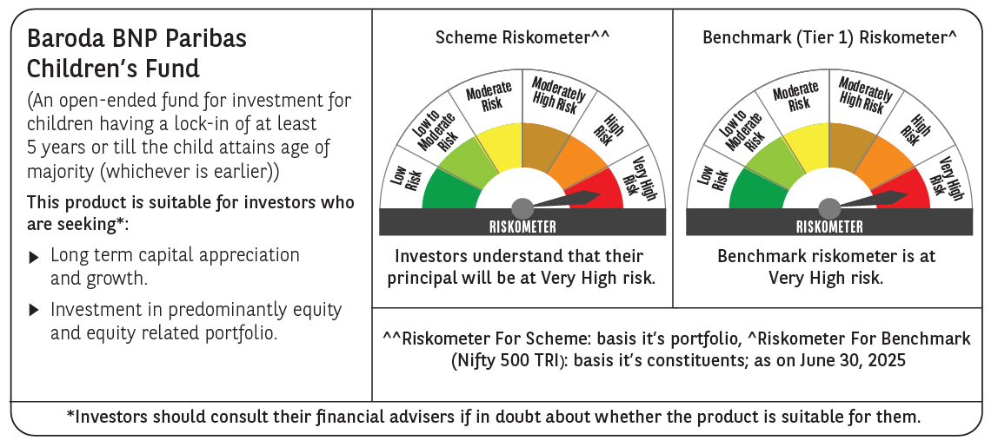
 | Baroda BNP Paribas Childrens Fund

 | Monthly Portfolio Statement as on June 30, 2025
 | Name of the Instrument | ISIN | Industry / Rating | Quantity | Market/Fair Value (Rs. in Lakhs) | % to Net Assets | YTM~ | YTC^ | null
 | Equity & Equity related
 | (a) Listed / awaiting listing on Stock Exchanges
HDFB03 | HDFC Bank Limited | INE040A01034 | Banks | 37,000 | 740.56 | 8.06%
RIND01 | Reliance Industries Limited | INE002A01018 | Petroleum Products | 35,000 | 525.21 | 5.71%
IBCL05 | ICICI Bank Limited | INE090A01021 | Banks | 34,000 | 491.57 | 5.35%
BTVL02 | Bharti Airtel Limited | INE397D01024 | Telecom - Services | 13,250 | 266.27 | 2.90%
INFS02 | Infosys Limited | INE009A01021 | IT - Software | 15,550 | 249.08 | 2.71%
ULCC01 | UltraTech Cement Limited | INE481G01011 | Cement & Cement Products | 2,000 | 241.86 | 2.63%
ABBP01 | Hitachi Energy India Limited | INE07Y701011 | Electrical Equipment | 1,201 | 240.28 | 2.61%
KCUL02 | Cummins India Limited | INE298A01020 | Industrial Products | 6,600 | 224.36 | 2.44%
KOMA02 | Kotak Mahindra Bank Limited | INE237A01028 | Banks | 10,000 | 216.35 | 2.35%
BAFL03 | Bajaj Finance Limited | INE296A01032 | Finance | 23,000 | 215.40 | 2.34%
UTIB02 | Axis Bank Limited | INE238A01034 | Banks | 17,500 | 209.86 | 2.28%
KAVY06 | Karur Vysya Bank Limited | INE036D01028 | Banks | 73,000 | 195.30 | 2.13%
BHAH02 | Bharat Heavy Electricals Limited | INE257A01026 | Electrical Equipment | 72,000 | 191.74 | 2.09%
LARS02 | Larsen & Toubro Limited | INE018A01030 | Construction | 5,200 | 190.83 | 2.08%
TWAT02 | Titan Company Limited | INE280A01028 | Consumer Durables | 5,000 | 184.51 | 2.01%
PHFP02 | PNB Housing Finance Limited | INE572E01012 | Finance | 15,500 | 171.96 | 1.87%
VMML01 | Vishal Mega Mart Limited | INE01EA01019 | Retailing | 128,333 | 171.94 | 1.87%
RAKH02 | Radico Khaitan Limited | INE944F01028 | Beverages | 6,500 | 170.12 | 1.85%
DIVI02 | Divi's Laboratories Limited | INE361B01024 | Pharmaceuticals & Biotechnology | 2,400 | 163.43 | 1.78%
CHOL02 | Cholamandalam Investment and Finance Company Ltd | INE121A01024 | Finance | 10,000 | 162.80 | 1.77%
SBAI02 | State Bank of India | INE062A01020 | Banks | 19,000 | 155.87 | 1.70%
BOCL01 | Linde India Limited | INE473A01011 | Chemicals & Petrochemicals | 2,300 | 153.08 | 1.67%
NTPC01 | NTPC Limited | INE733E01010 | Power | 44,800 | 150.04 | 1.63%
INAV01 | InterGlobe Aviation Limited | INE646L01027 | Transport Services | 2,500 | 149.41 | 1.63%
MAXI02 | Max Financial Services Limited | INE180A01020 | Insurance | 9,000 | 148.24 | 1.61%
SAGI01 | Sagility India Limited | INE0W2G01015 | IT - Services | 350,000 | 144.24 | 1.57%
TEMA02 | Tech Mahindra Limited | INE669C01036 | IT - Software | 8,500 | 143.40 | 1.56%
MAHI02 | Mahindra & Mahindra Limited | INE101A01026 | Automobiles | 4,200 | 133.69 | 1.45%
HINI02 | Hindalco Industries Limited | INE038A01020 | Non - Ferrous Metals | 19,000 | 131.64 | 1.43%
SLIF01 | SBI Life Insurance Company Limited | INE123W01016 | Insurance | 7,000 | 128.68 | 1.40%
WIPR02 | Wipro Limited | INE075A01022 | IT - Software | 48,000 | 127.67 | 1.39%
IEIN02 | Info Edge (India) Limited | INE663F01032 | Retailing | 8,500 | 126.51 | 1.38%
PAGE01 | Page Industries Limited | INE761H01022 | Textiles & Apparels | 250 | 123.53 | 1.34%
BRIT03 | Britannia Industries Limited | INE216A01030 | Food Products | 1,950 | 114.09 | 1.24%
PRRC03 | Navin Fluorine International Limited | INE048G01026 | Chemicals & Petrochemicals | 2,300 | 110.86 | 1.21%
APOL02 | Apollo Hospitals Enterprise Limited | INE437A01024 | Healthcare Services | 1,500 | 108.63 | 1.18%
MCEX01 | Multi Commodity Exchange of India Limited | INE745G01035 | Capital Markets | 1,200 | 107.33 | 1.17%
AFPL02 | AU Small Finance Bank Limited | INE949L01017 | Banks | 13,000 | 106.28 | 1.16%
CONB01 | Concord Biotech Limited | INE338H01029 | Pharmaceuticals & Biotechnology | 5,700 | 104.86 | 1.14%
TOPH02 | Torrent Pharmaceuticals Limited | INE685A01028 | Pharmaceuticals & Biotechnology | 3,000 | 102.25 | 1.11%
SAEL02 | TVS Motor Company Limited | INE494B01023 | Automobiles | 3,500 | 102.13 | 1.11%
ZMPL01 | Eternal Limited | INE758T01015 | Retailing | 38,000 | 100.38 | 1.09%
LAKM02 | Trent Limited | INE849A01020 | Retailing | 1,500 | 93.26 | 1.01%
ONCO02 | One 97 Communications Limited | INE982J01020 | Financial Technology (Fintech) | 10,000 | 92.40 | 1.01%
HPEC01 | Hindustan Petroleum Corporation Limited | INE094A01015 | Petroleum Products | 21,000 | 91.99 | 1.00%
MAHE01 | Max Healthcare Institute Limited | INE027H01010 | Healthcare Services | 7,000 | 89.32 | 0.97%
VNBL03 | Varun Beverages Limited | INE200M01039 | Beverages | 19,000 | 86.93 | 0.95%
LTIL01 | LTIMindtree Limited | INE214T01019 | IT - Software | 1,600 | 85.07 | 0.93%
KPEL01 | KPIT Technologies Limited | INE04I401011 | IT - Software | 6,000 | 75.52 | 0.82%
TEGA01 | Tega Industries Limited | INE011K01018 | Industrial Manufacturing | 4,046 | 63.02 | 0.69%
VGIL02 | V-Guard Industries Limited | INE951I01027 | Consumer Durables | 15,000 | 58.10 | 0.63%
 | Sub Total |  |  |  | 8,731.85 | 95.01%
 | (b) Unlisted |  |  |  | NIL | NIL
 | Sub Total |  |  |  | NIL | NIL
 | Total |  |  |  | 8,731.85 | 95.01%
 | Debt Instruments
 | (a) Listed / awaiting listing on Stock Exchange
GOI5228 | 7.18% Government of India (14/08/2033) | IN0020230085 | Sovereign | 200,000 | 209.67 | 2.28% | 6.51%
 | Sub Total |  |  |  | 209.67 | 2.28%
 | (b) Privately placed / Unlisted |  |  |  | NIL | NIL
 | Sub Total |  |  |  | NIL | NIL
 | Total |  |  |  | 209.67 | 2.28%
 | Reverse Repo / TREPS
TRP_010725 | Clearing Corporation of India Ltd |  |  |  | 282.07 | 3.07% | 5.47%
 | Sub Total |  |  |  | 282.07 | 3.07%
 | (b) Privately placed / Unlisted |  |  |  | NIL | NIL
 | Sub Total |  |  |  | NIL | NIL
 | Total |  |  |  | 282.07 | 3.07%
 | Net Receivables / (Payables) |  |  |  | (33.52) | (0.36)%
 | GRAND TOTAL |  |  |  | 9,190.07 | 100.00%

 | ~ YTM as on June 30, 2025
 | ^ YTC represents Yield to Call provided by valuation agencies as on June 30, 2025. It is disclosed for Perpetual Bond issued by Banks (i.e. AT-1 Bond / Tier 1 Bond / Tier 2 Bond), as per AMFI Best Practices Guidelines Circular no. 135/BP/91/2020-21 read with SEBI circular No. SEBI/HO/IMD/DF4/CIR/P/2021/034 on Valuation of AT-1 Bonds and Tier 2 Bonds.

