T0ME41
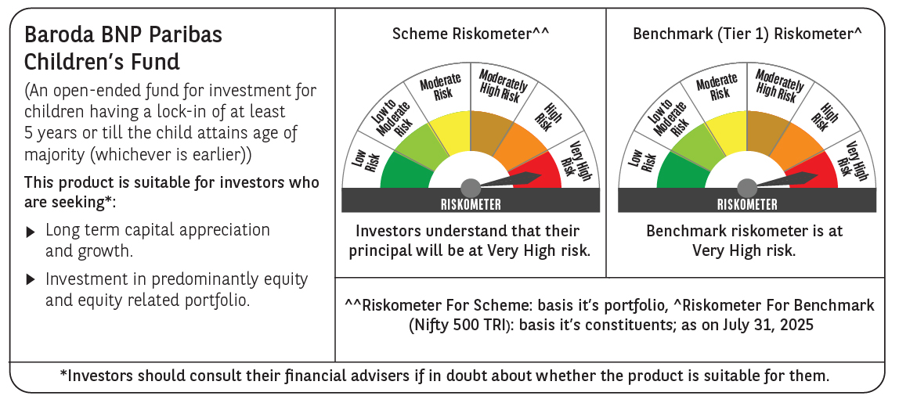
 | Baroda BNP Paribas Childrens Fund

 | Monthly Portfolio Statement as on July 31, 2025
 | Name of the Instrument | ISIN | Industry / Rating | Quantity | Market/Fair Value (Rs. in Lakhs) | % to Net Assets | YTM~ | YTC^ | null
 | Equity & Equity related
 | (a) Listed / awaiting listing on Stock Exchanges
HDFB03 | HDFC Bank Limited | INE040A01034 | Banks | 37,000 | 746.73 | 8.04%
IBCL05 | ICICI Bank Limited | INE090A01021 | Banks | 34,000 | 503.68 | 5.42%
RIND01 | Reliance Industries Limited | INE002A01018 | Petroleum Products | 31,500 | 437.91 | 4.71%
ULCC01 | UltraTech Cement Limited | INE481G01011 | Cement & Cement Products | 2,000 | 244.98 | 2.64%
BTVL02 | Bharti Airtel Limited | INE397D01024 | Telecom - Services | 12,590 | 241.01 | 2.59%
KCUL02 | Cummins India Limited | INE298A01020 | Industrial Products | 6,600 | 234.66 | 2.53%
INFS02 | Infosys Limited | INE009A01021 | IT - Software | 15,550 | 234.65 | 2.53%
ABBP01 | Hitachi Energy India Limited | INE07Y701011 | Electrical Equipment | 1,081 | 217.23 | 2.34%
TEMA02 | Tech Mahindra Limited | INE669C01036 | IT - Software | 14,500 | 212.24 | 2.28%
BAFL03 | Bajaj Finance Limited | INE296A01032 | Finance | 23,000 | 202.68 | 2.18%
KOMA02 | Kotak Mahindra Bank Limited | INE237A01028 | Banks | 10,000 | 197.86 | 2.13%
KAVY06 | Karur Vysya Bank Limited | INE036D01028 | Banks | 73,000 | 192.43 | 2.07%
LARS02 | Larsen & Toubro Limited | INE018A01030 | Construction | 5,200 | 189.10 | 2.04%
VMML01 | Vishal Mega Mart Limited | INE01EA01019 | Retailing | 128,333 | 179.08 | 1.93%
RAKH02 | Radico Khaitan Limited | INE944F01028 | Beverages | 6,500 | 177.74 | 1.91%
BHAH02 | Bharat Heavy Electricals Limited | INE257A01026 | Electrical Equipment | 72,000 | 171.68 | 1.85%
TWAT02 | Titan Company Limited | INE280A01028 | Consumer Durables | 5,000 | 167.37 | 1.80%
SAGI01 | Sagility India Limited | INE0W2G01015 | IT - Services | 350,000 | 163.17 | 1.76%
ZMPL01 | Eternal Limited | INE758T01015 | Retailing | 53,000 | 163.13 | 1.76%
DIVI02 | Divi's Laboratories Limited | INE361B01024 | Pharmaceuticals & Biotechnology | 2,400 | 158.29 | 1.70%
PHFP02 | PNB Housing Finance Limited | INE572E01012 | Finance | 15,500 | 152.86 | 1.65%
SBAI02 | State Bank of India | INE062A01020 | Banks | 19,000 | 151.34 | 1.63%
BOCL01 | Linde India Limited | INE473A01011 | Chemicals & Petrochemicals | 2,300 | 151.19 | 1.63%
NTPC01 | NTPC Limited | INE733E01010 | Power | 44,800 | 149.74 | 1.61%
INAV01 | InterGlobe Aviation Limited | INE646L01027 | Transport Services | 2,500 | 147.76 | 1.59%
FRHL01 | Fortis Healthcare Limited | INE061F01013 | Healthcare Services | 17,000 | 145.77 | 1.57%
CHOL02 | Cholamandalam Investment and Finance Company Ltd | INE121A01024 | Finance | 10,000 | 144.32 | 1.55%
UTIB02 | Axis Bank Limited | INE238A01034 | Banks | 13,500 | 144.23 | 1.55%
MAXI02 | Max Financial Services Limited | INE180A01020 | Insurance | 9,000 | 135.13 | 1.45%
MAHI02 | Mahindra & Mahindra Limited | INE101A01026 | Automobiles | 4,200 | 134.53 | 1.45%
HINI02 | Hindalco Industries Limited | INE038A01020 | Non - Ferrous Metals | 19,000 | 129.78 | 1.40%
SLIF01 | SBI Life Insurance Company Limited | INE123W01016 | Insurance | 7,000 | 128.85 | 1.39%
PAGE01 | Page Industries Limited | INE761H01022 | Textiles & Apparels | 250 | 122.01 | 1.31%
WIPR02 | Wipro Limited | INE075A01022 | IT - Software | 48,000 | 119.18 | 1.28%
IEIN02 | Info Edge (India) Limited | INE663F01032 | Retailing | 8,500 | 118.35 | 1.27%
PRRC03 | Navin Fluorine International Limited | INE048G01026 | Chemicals & Petrochemicals | 2,300 | 116.10 | 1.25%
BRIT03 | Britannia Industries Limited | INE216A01030 | Food Products | 1,950 | 112.53 | 1.21%
APOL02 | Apollo Hospitals Enterprise Limited | INE437A01024 | Healthcare Services | 1,500 | 112.47 | 1.21%
TOPH02 | Torrent Pharmaceuticals Limited | INE685A01028 | Pharmaceuticals & Biotechnology | 3,000 | 112.26 | 1.21%
TRFO01 | Travel Food Services Limited | INE103V01028 | Leisure Services | 10,500 | 109.81 | 1.18%
ONCO02 | One 97 Communications Limited | INE982J01020 | Financial Technology (Fintech) | 10,000 | 108.94 | 1.17%
CONB01 | Concord Biotech Limited | INE338H01029 | Pharmaceuticals & Biotechnology | 5,700 | 100.74 | 1.08%
VNBL03 | Varun Beverages Limited | INE200M01039 | Beverages | 19,000 | 99.29 | 1.07%
SAEL02 | TVS Motor Company Limited | INE494B01023 | Automobiles | 3,500 | 98.06 | 1.06%
MCEX01 | Multi Commodity Exchange of India Limited | INE745G01035 | Capital Markets | 1,200 | 92.32 | 0.99%
HPEC01 | Hindustan Petroleum Corporation Limited | INE094A01015 | Petroleum Products | 21,000 | 87.87 | 0.95%
MAHE01 | Max Healthcare Institute Limited | INE027H01010 | Healthcare Services | 7,000 | 87.22 | 0.94%
AFPL02 | AU Small Finance Bank Limited | INE949L01017 | Banks | 11,700 | 86.76 | 0.93%
TEGA01 | Tega Industries Limited | INE011K01018 | Industrial Manufacturing | 4,046 | 77.12 | 0.83%
LAKM02 | Trent Limited | INE849A01020 | Retailing | 1,500 | 75.27 | 0.81%
KPEL01 | KPIT Technologies Limited | INE04I401011 | IT - Software | 6,000 | 73.58 | 0.79%
 | Sub Total |  |  |  | 8,661.00 | 93.22%
 | (b) Unlisted |  |  |  | NIL | NIL
 | Sub Total |  |  |  | NIL | NIL
 | Total |  |  |  | 8,661.00 | 93.22%
 | Debt Instruments
 | (a) Listed / awaiting listing on Stock Exchange
GOI5228 | 7.18% Government of India (14/08/2033) | IN0020230085 | Sovereign | 200,000 | 209.23 | 2.25% | 6.54%
 | Sub Total |  |  |  | 209.23 | 2.25%
 | (b) Privately placed / Unlisted |  |  |  | NIL | NIL
 | Sub Total |  |  |  | NIL | NIL
 | Total |  |  |  | 209.23 | 2.25%
 | Reverse Repo / TREPS
TRP_010825 | Clearing Corporation of India Ltd |  |  |  | 400.48 | 4.31% | 5.42%
 | Sub Total |  |  |  | 400.48 | 4.31%
 | (b) Privately placed / Unlisted |  |  |  | NIL | NIL
 | Sub Total |  |  |  | NIL | NIL
 | Total |  |  |  | 400.48 | 4.31%
 | Net Receivables / (Payables) |  |  |  | 19.36 | 0.22%
 | GRAND TOTAL |  |  |  | 9,290.07 | 100.00%

 | ~ YTM as on July 31, 2025
 | ^ YTC represents Yield to Call provided by valuation agencies as on July 31, 2025. It is disclosed for Perpetual Bond issued by Banks (i.e. AT-1 Bond / Tier 1 Bond / Tier 2 Bond), as per AMFI Best Practices Guidelines Circular no. 135/BP/91/2020-21 read with SEBI circular No. SEBI/HO/IMD/DF4/CIR/P/2021/034 on Valuation of AT-1 Bonds and Tier 2 Bonds.

