T0ME41
 | Baroda BNP Paribas Childrens Fund

 | Monthly Portfolio Statement as on August 31, 2025
 | Name of the Instrument | ISIN | Industry / Rating | Quantity | Market/Fair Value (Rs. in Lakhs) | % to Net Assets | YTM~ | YTC^ | null
 | Equity & Equity related
 | (a) Listed / awaiting listing on Stock Exchanges
HDFB03 | HDFC Bank Limited | INE040A01034 | Banks | 74,000 | 704.18 | 7.49%
IBCL05 | ICICI Bank Limited | INE090A01021 | Banks | 34,000 | 475.25 | 5.05%
RIND01 | Reliance Industries Limited | INE002A01018 | Petroleum Products | 31,500 | 427.52 | 4.55%
ULCC01 | UltraTech Cement Limited | INE481G01011 | Cement & Cement Products | 2,000 | 252.80 | 2.69%
KCUL02 | Cummins India Limited | INE298A01020 | Industrial Products | 6,600 | 252.53 | 2.69%
BTVL02 | Bharti Airtel Limited | INE397D01024 | Telecom - Services | 12,590 | 237.80 | 2.53%
TEMA02 | Tech Mahindra Limited | INE669C01036 | IT - Software | 15,700 | 232.58 | 2.47%
BRIT03 | Britannia Industries Limited | INE216A01030 | Food Products | 3,950 | 230.05 | 2.45%
INFS02 | Infosys Limited | INE009A01021 | IT - Software | 15,550 | 228.52 | 2.43%
TRFO01 | Travel Food Services Limited | INE103V01028 | Leisure Services | 17,600 | 220.44 | 2.34%
ABBP01 | Hitachi Energy India Limited | INE07Y701011 | Electrical Equipment | 1,081 | 206.58 | 2.20%
BAFL03 | Bajaj Finance Limited | INE296A01032 | Finance | 23,000 | 201.91 | 2.15%
ZMPL01 | Eternal Limited | INE758T01015 | Retailing | 63,000 | 197.79 | 2.10%
KOMA02 | Kotak Mahindra Bank Limited | INE237A01028 | Banks | 10,000 | 196.03 | 2.08%
VMML01 | Vishal Mega Mart Limited | INE01EA01019 | Retailing | 128,333 | 191.74 | 2.04%
KAVY06 | Karur Vysya Bank Limited | INE036D01028 | Banks | 87,600 | 187.51 | 1.99%
LARS02 | Larsen & Toubro Limited | INE018A01030 | Construction | 5,200 | 187.25 | 1.99%
RAKH02 | Radico Khaitan Limited | INE944F01028 | Beverages | 6,500 | 185.41 | 1.97%
TWAT02 | Titan Company Limited | INE280A01028 | Consumer Durables | 5,000 | 181.44 | 1.93%
INAV01 | InterGlobe Aviation Limited | INE646L01027 | Transport Services | 3,200 | 180.67 | 1.92%
FRHL01 | Fortis Healthcare Limited | INE061F01013 | Healthcare Services | 17,000 | 154.96 | 1.65%
SAGI01 | Sagility India Limited | INE0W2G01015 | IT - Services | 350,000 | 153.55 | 1.63%
SBAI02 | State Bank of India | INE062A01020 | Banks | 19,000 | 152.48 | 1.62%
BHAH02 | Bharat Heavy Electricals Limited | INE257A01026 | Electrical Equipment | 72,000 | 149.77 | 1.59%
DIVI02 | Divi's Laboratories Limited | INE361B01024 | Pharmaceuticals & Biotechnology | 2,400 | 147.16 | 1.56%
NTPC01 | NTPC Limited | INE733E01010 | Power | 44,800 | 146.74 | 1.56%
BOCL01 | Linde India Limited | INE473A01011 | Chemicals & Petrochemicals | 2,300 | 146.71 | 1.56%
MAXI02 | Max Financial Services Limited | INE180A01020 | Insurance | 9,000 | 144.20 | 1.53%
CHOL02 | Cholamandalam Investment and Finance Company Ltd | INE121A01024 | Finance | 10,000 | 142.07 | 1.51%
UTIB02 | Axis Bank Limited | INE238A01034 | Banks | 13,500 | 141.10 | 1.50%
MAHI02 | Mahindra & Mahindra Limited | INE101A01026 | Automobiles | 4,200 | 134.38 | 1.43%
HINI02 | Hindalco Industries Limited | INE038A01020 | Non - Ferrous Metals | 19,000 | 133.75 | 1.42%
HERO02 | Hero MotoCorp Limited | INE158A01026 | Automobiles | 2,500 | 127.19 | 1.35%
SLIF01 | SBI Life Insurance Company Limited | INE123W01016 | Insurance | 7,000 | 126.39 | 1.34%
RCAM01 | Nippon Life India Asset Management Limited | INE298J01013 | Capital Markets | 16,000 | 125.56 | 1.34%
ONCO02 | One 97 Communications Limited | INE982J01020 | Financial Technology (Fintech) | 10,000 | 120.70 | 1.28%
WIPR02 | Wipro Limited | INE075A01022 | IT - Software | 48,000 | 119.72 | 1.27%
IEIN02 | Info Edge (India) Limited | INE663F01032 | Retailing | 8,500 | 115.44 | 1.23%
SAEL02 | TVS Motor Company Limited | INE494B01023 | Automobiles | 3,500 | 114.68 | 1.22%
APOL02 | Apollo Hospitals Enterprise Limited | INE437A01024 | Healthcare Services | 1,500 | 114.15 | 1.21%
PAGE01 | Page Industries Limited | INE761H01022 | Textiles & Apparels | 250 | 110.84 | 1.18%
PRRC03 | Navin Fluorine International Limited | INE048G01026 | Chemicals & Petrochemicals | 2,300 | 107.81 | 1.15%
TOPH02 | Torrent Pharmaceuticals Limited | INE685A01028 | Pharmaceuticals & Biotechnology | 3,000 | 106.79 | 1.14%
CONB01 | Concord Biotech Limited | INE338H01029 | Pharmaceuticals & Biotechnology | 5,700 | 95.86 | 1.02%
MCEX01 | Multi Commodity Exchange of India Limited | INE745G01035 | Capital Markets | 1,200 | 88.68 | 0.94%
AFPL02 | AU Small Finance Bank Limited | INE949L01017 | Banks | 11,700 | 84.01 | 0.89%
MAHE01 | Max Healthcare Institute Limited | INE027H01010 | Healthcare Services | 7,000 | 80.80 | 0.86%
LAKM02 | Trent Limited | INE849A01020 | Retailing | 1,500 | 79.47 | 0.85%
HPEC01 | Hindustan Petroleum Corporation Limited | INE094A01015 | Petroleum Products | 21,000 | 78.94 | 0.84%
TEGA01 | Tega Industries Limited | INE011K01018 | Industrial Manufacturing | 4,046 | 74.73 | 0.79%
KPEL01 | KPIT Technologies Limited | INE04I401011 | IT - Software | 6,000 | 71.43 | 0.76%
 | Sub Total |  |  |  | 8,868.06 | 94.28%

SAEL21PS | TVS Motor Company Limited (Preference Share) ** |  | Automobiles | 14,000 | 1.40 | 0.01%
 | Sub Total |  |  |  | 1.40 | 0.01%
 | (b) Unlisted |  |  |  | NIL | NIL
 | Sub Total |  |  |  | NIL | NIL
 | Total |  |  |  | 8,869.46 | 94.29%
 | Debt Instruments
 | (a) Listed / awaiting listing on Stock Exchange
GOI5228 | 7.18% Government of India (14/08/2033) | IN0020230085 | Sovereign | 200,000 | 206.01 | 2.19% | 6.80%
 | Sub Total |  |  |  | 206.01 | 2.19%
 | (b) Privately placed / Unlisted |  |  |  | NIL | NIL
 | Sub Total |  |  |  | NIL | NIL
 | Total |  |  |  | 206.01 | 2.19%
 | Reverse Repo / TREPS
TRP_010925 | Clearing Corporation of India Ltd |  |  |  | 322.65 | 3.43% | 5.39%
 | Sub Total |  |  |  | 322.65 | 3.43%
 | (b) Privately placed / Unlisted |  |  |  | NIL | NIL
 | Sub Total |  |  |  | NIL | NIL
 | Total |  |  |  | 322.65 | 3.43%
 | Net Receivables / (Payables) |  |  |  | 5.60 | 0.09%
 | GRAND TOTAL |  |  |  | 9,403.72 | 100.00%

 | ** Thinly Traded / Non Traded Security
 | ~ YTM as on August 31, 2025
 | ^ YTC represents Yield to Call provided by valuation agencies as on August 31, 2025. It is disclosed for Perpetual Bond issued by Banks (i.e. AT-1 Bond / Tier 1 Bond / Tier 2 Bond), as per AMFI Best Practices Guidelines Circular no. 135/BP/91/2020-21 read with SEBI circular No. SEBI/HO/IMD/DF4/CIR/P/2021/034 on Valuation of AT-1 Bonds and Tier 2 Bonds.

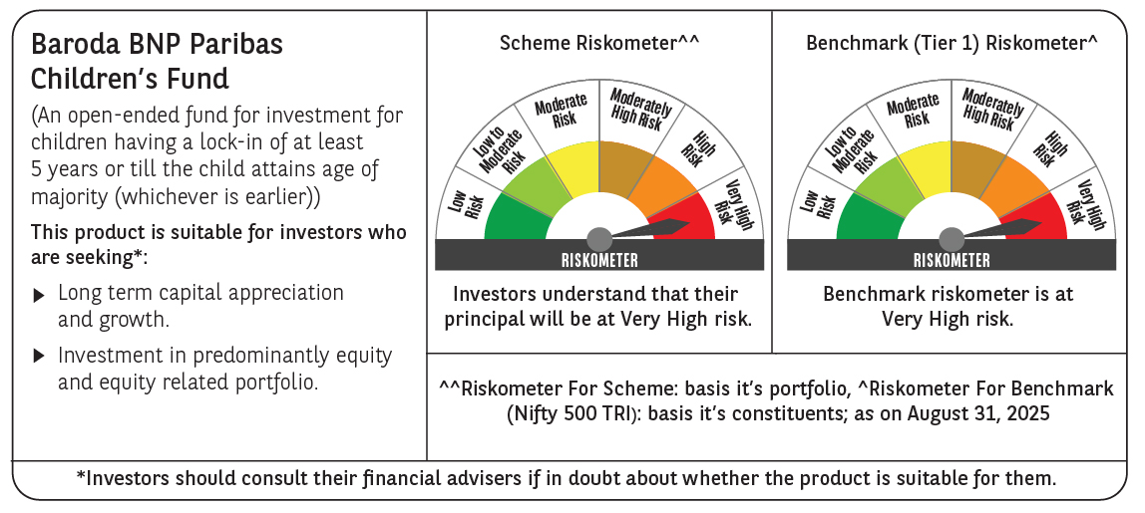

 | Monthly Performance Link: https://www.barodabnpparibasmf.in/assets/download_documents/Performance_of_Schemes_14126.pdf

