Monthly Portfolio
 | Baroda BNP Paribas Childrens Fund

 | Monthly Portfolio Statement as on September 30, 2025
 | Name of the Instrument | ISIN | Industry / Rating | Quantity | Market/Fair Value (Rs. in Lakhs) | % to Net Assets | YTM~ | YTC^ | null
 | Equity & Equity related
 | (a) Listed / awaiting listing on Stock Exchanges
HDFB03 | HDFC Bank Limited | INE040A01034 | Banks | 74,000 | 703.74 | 7.26%
RIND01 | Reliance Industries Limited | INE002A01018 | Petroleum Products | 31,500 | 429.66 | 4.43%
IBCL05 | ICICI Bank Limited | INE090A01021 | Banks | 30,600 | 412.49 | 4.25%
KCUL02 | Cummins India Limited | INE298A01020 | Industrial Products | 6,600 | 259.15 | 2.67%
ULCC01 | UltraTech Cement Limited | INE481G01011 | Cement & Cement Products | 2,000 | 244.44 | 2.52%
KOMA02 | Kotak Mahindra Bank Limited | INE237A01028 | Banks | 12,100 | 241.12 | 2.49%
BRIT03 | Britannia Industries Limited | INE216A01030 | Food Products | 3,950 | 236.64 | 2.44%
BTVL02 | Bharti Airtel Limited | INE397D01024 | Telecom - Services | 12,590 | 236.49 | 2.44%
TRFO01 | Travel Food Services Limited | INE103V01028 | Leisure Services | 17,600 | 232.95 | 2.40%
BAFL03 | Bajaj Finance Limited | INE296A01032 | Finance | 23,000 | 229.75 | 2.37%
INFS02 | Infosys Limited | INE009A01021 | IT - Software | 15,550 | 224.20 | 2.31%
TEMA02 | Tech Mahindra Limited | INE669C01036 | IT - Software | 15,700 | 219.85 | 2.27%
ZMPL01 | Eternal Limited | INE758T01015 | Retailing | 63,000 | 205.07 | 2.12%
HERO02 | Hero MotoCorp Limited | INE158A01026 | Automobiles | 3,700 | 202.48 | 2.09%
ABBP01 | Hitachi Energy India Limited | INE07Y701011 | Electrical Equipment | 1,081 | 194.59 | 2.01%
VMML01 | Vishal Mega Mart Limited | INE01EA01019 | Retailing | 128,333 | 191.23 | 1.97%
LARS02 | Larsen & Toubro Limited | INE018A01030 | Construction | 5,200 | 190.27 | 1.96%
RAKH02 | Radico Khaitan Limited | INE944F01028 | Beverages | 6,500 | 187.71 | 1.94%
KAVY06 | Karur Vysya Bank Limited | INE036D01028 | Banks | 87,600 | 184.76 | 1.91%
BHAH02 | Bharat Heavy Electricals Limited | INE257A01026 | Electrical Equipment | 75,700 | 180.51 | 1.86%
INAV01 | InterGlobe Aviation Limited | INE646L01027 | Transport Services | 3,200 | 179.02 | 1.85%
TWAT02 | Titan Company Limited | INE280A01028 | Consumer Durables | 5,000 | 168.35 | 1.74%
SBAI02 | State Bank of India | INE062A01020 | Banks | 19,000 | 165.77 | 1.71%
FRHL01 | Fortis Healthcare Limited | INE061F01013 | Healthcare Services | 17,000 | 164.87 | 1.70%
UTIB02 | Axis Bank Limited | INE238A01034 | Banks | 13,500 | 152.77 | 1.58%
NTPC01 | NTPC Limited | INE733E01010 | Power | 44,800 | 152.52 | 1.57%
USFB01 | Ujjivan Small Finance Bank Limited | INE551W01018 | Banks | 324,564 | 150.44 | 1.55%
SAGI01 | Sagility India Limited | INE0W2G01015 | IT - Services | 350,000 | 149.31 | 1.54%
HINI02 | Hindalco Industries Limited | INE038A01020 | Non - Ferrous Metals | 19,000 | 144.77 | 1.49%
MAHI02 | Mahindra & Mahindra Limited | INE101A01026 | Automobiles | 4,200 | 143.93 | 1.48%
BOCL01 | Linde India Limited | INE473A01011 | Chemicals & Petrochemicals | 2,300 | 143.65 | 1.48%
MAXI02 | Max Financial Services Limited | INE180A01020 | Insurance | 9,000 | 141.83 | 1.46%
RCAM01 | Nippon Life India Asset Management Limited | INE298J01013 | Capital Markets | 16,000 | 138.94 | 1.43%
DIVI02 | Divi's Laboratories Limited | INE361B01024 | Pharmaceuticals & Biotechnology | 2,400 | 136.55 | 1.41%
SAEL02 | TVS Motor Company Limited | INE494B01023 | Automobiles | 3,675 | 126.37 | 1.30%
SLIF01 | SBI Life Insurance Company Limited | INE123W01016 | Insurance | 7,000 | 125.34 | 1.29%
PRRC03 | Navin Fluorine International Limited | INE048G01026 | Chemicals & Petrochemicals | 2,550 | 117.85 | 1.22%
CHOL02 | Cholamandalam Investment and Finance Company Ltd | INE121A01024 | Finance | 7,309 | 117.73 | 1.21%
WIPR02 | Wipro Limited | INE075A01022 | IT - Software | 48,000 | 114.90 | 1.19%
ONCO02 | One 97 Communications Limited | INE982J01020 | Financial Technology (Fintech) | 10,000 | 112.38 | 1.16%
IEIN02 | Info Edge (India) Limited | INE663F01032 | Retailing | 8,500 | 111.29 | 1.15%
APOL02 | Apollo Hospitals Enterprise Limited | INE437A01024 | Healthcare Services | 1,500 | 111.14 | 1.15%
TOPH02 | Torrent Pharmaceuticals Limited | INE685A01028 | Pharmaceuticals & Biotechnology | 3,000 | 108.10 | 1.12%
PAGE01 | Page Industries Limited | INE761H01022 | Textiles & Apparels | 250 | 101.71 | 1.05%
CONB01 | Concord Biotech Limited | INE338H01029 | Pharmaceuticals & Biotechnology | 5,700 | 93.92 | 0.97%
MCEX01 | Multi Commodity Exchange of India Limited | INE745G01035 | Capital Markets | 1,200 | 93.55 | 0.97%
HPEC01 | Hindustan Petroleum Corporation Limited | INE094A01015 | Petroleum Products | 21,000 | 93.11 | 0.96%
AFPL02 | AU Small Finance Bank Limited | INE949L01017 | Banks | 11,700 | 85.57 | 0.88%
MAHE01 | Max Healthcare Institute Limited | INE027H01010 | Healthcare Services | 7,000 | 78.03 | 0.80%
TEGA01 | Tega Industries Limited | INE011K01018 | Industrial Manufacturing | 4,046 | 76.51 | 0.79%
KPEL01 | KPIT Technologies Limited | INE04I401011 | IT - Software | 6,000 | 65.86 | 0.68%
SAEL21PS | TVS Motor Company Limited (Preference Share) ** | INE494B04019 | Automobiles | 14,000 | 1.41 | 0.01%
 | Sub Total |  |  |  | 9,074.59 | 93.60%
 | (b) Unlisted |  |  |  | NIL | NIL
 | Sub Total |  |  |  | NIL | NIL
 | Total |  |  |  | 9,074.59 | 93.60%
 | Debt Instruments
 | (a) Listed / awaiting listing on Stock Exchange
GOI5228 | 7.18% Government of India (14/08/2033) | IN0020230085 | Sovereign | 200,000 | 206.59 | 2.13% | 6.74%
 | Sub Total |  |  |  | 206.59 | 2.13%
 | (b) Privately placed / Unlisted |  |  |  | NIL | NIL
 | Sub Total |  |  |  | NIL | NIL
 | Total |  |  |  | 206.59 | 2.13%
 | Reverse Repo / TREPS
TRP_011025 | Clearing Corporation of India Ltd |  |  |  | 417.27 | 4.30% | 5.53%
 | Sub Total |  |  |  | 417.27 | 4.30%
 | (b) Privately placed / Unlisted |  |  |  | NIL | NIL
 | Sub Total |  |  |  | NIL | NIL
 | Total |  |  |  | 417.27 | 4.30%
 | Net Receivables / (Payables) |  |  |  | (4.03) | (0.03)%
 | GRAND TOTAL |  |  |  | 9,694.42 | 100.00%

 | ** Thinly Traded / Non Traded Security
 | ~ YTM as on September 30, 2025
 | ^ YTC represents Yield to Call provided by valuation agencies as on September 30, 2025. It is disclosed for Perpetual Bond issued by Banks (i.e. AT-1 Bond / Tier 1 Bond / Tier 2 Bond), as per AMFI Best Practices Guidelines Circular no. 135/BP/91/2020-21 read with SEBI circular No. SEBI/HO/IMD/DF4/CIR/P/2021/034 on Valuation of AT-1 Bonds and Tier 2 Bonds.

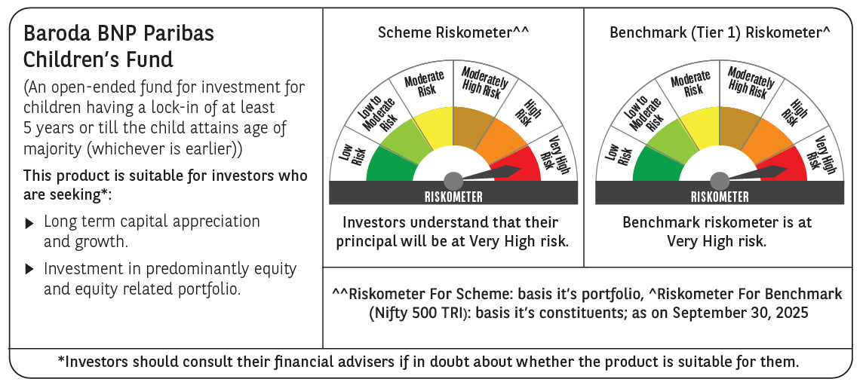

 | Monthly Performance Link: https://www.barodabnpparibasmf.in/assets/download_documents/Performance_of_Schemes_September_14618.pdf

