T0ME41
 | Baroda BNP Paribas Childrens Fund

 | Monthly Portfolio Statement as on October 31, 2025
 | Name of the Instrument | ISIN | Industry / Rating | Quantity | Market/Fair Value (Rs. in Lakhs) | % to Net Assets | YTM~ | YTC^ | null
 | Equity & Equity related
 | (a) Listed / awaiting listing on Stock Exchanges
HDFB03 | HDFC Bank Limited | INE040A01034 | Banks | 74,000 | 730.60 | 7.05%
RIND01 | Reliance Industries Limited | INE002A01018 | Petroleum Products | 31,500 | 468.22 | 4.52%
IBCL05 | ICICI Bank Limited | INE090A01021 | Banks | 30,600 | 411.66 | 3.97%
BHAH02 | Bharat Heavy Electricals Limited | INE257A01026 | Electrical Equipment | 111,448 | 295.88 | 2.85%
KCUL02 | Cummins India Limited | INE298A01020 | Industrial Products | 6,600 | 286.71 | 2.77%
BTVL02 | Bharti Airtel Limited | INE397D01024 | Telecom - Services | 12,590 | 258.66 | 2.50%
KOMA02 | Kotak Mahindra Bank Limited | INE237A01028 | Banks | 12,100 | 254.37 | 2.45%
BAFL03 | Bajaj Finance Limited | INE296A01032 | Finance | 23,000 | 239.84 | 2.31%
ULCC01 | UltraTech Cement Limited | INE481G01011 | Cement & Cement Products | 2,000 | 238.94 | 2.31%
TRFO01 | Travel Food Services Limited | INE103V01028 | Leisure Services | 17,600 | 232.06 | 2.24%
BRIT03 | Britannia Industries Limited | INE216A01030 | Food Products | 3,950 | 230.54 | 2.22%
INFS02 | Infosys Limited | INE009A01021 | IT - Software | 15,550 | 230.50 | 2.22%
TEMA02 | Tech Mahindra Limited | INE669C01036 | IT - Software | 15,700 | 223.63 | 2.16%
KAVY06 | Karur Vysya Bank Limited | INE036D01028 | Banks | 87,600 | 213.00 | 2.06%
LARS02 | Larsen & Toubro Limited | INE018A01030 | Construction | 5,200 | 209.61 | 2.02%
HERO02 | Hero MotoCorp Limited | INE158A01026 | Automobiles | 3,700 | 205.13 | 1.98%
RAKH02 | Radico Khaitan Limited | INE944F01028 | Beverages | 6,500 | 203.55 | 1.96%
ZMPL01 | Eternal Limited | INE758T01015 | Retailing | 63,000 | 200.18 | 1.93%
ABBP01 | Hitachi Energy India Limited | INE07Y701011 | Electrical Equipment | 1,081 | 192.18 | 1.85%
TWAT02 | Titan Company Limited | INE280A01028 | Consumer Durables | 5,000 | 187.34 | 1.81%
VMML01 | Vishal Mega Mart Limited | INE01EA01019 | Retailing | 128,333 | 185.69 | 1.79%
SAGI01 | Sagility India Limited | INE0W2G01015 | IT - Services | 350,000 | 183.89 | 1.77%
INAV01 | InterGlobe Aviation Limited | INE646L01027 | Transport Services | 3,200 | 180.00 | 1.74%
SBAI02 | State Bank of India | INE062A01020 | Banks | 19,000 | 178.03 | 1.72%
USFB01 | Ujjivan Small Finance Bank Limited | INE551W01018 | Banks | 340,255 | 176.39 | 1.70%
FRHL01 | Fortis Healthcare Limited | INE061F01013 | Healthcare Services | 17,000 | 173.92 | 1.68%
UTIB02 | Axis Bank Limited | INE238A01034 | Banks | 13,500 | 166.43 | 1.61%
DIVI02 | Divi's Laboratories Limited | INE361B01024 | Pharmaceuticals & Biotechnology | 2,400 | 161.71 | 1.56%
HINI02 | Hindalco Industries Limited | INE038A01020 | Non - Ferrous Metals | 19,000 | 161.09 | 1.55%
APOL02 | Apollo Hospitals Enterprise Limited | INE437A01024 | Healthcare Services | 2,000 | 153.62 | 1.48%
NTPC01 | NTPC Limited | INE733E01010 | Power | 44,800 | 150.95 | 1.46%
MAHI02 | Mahindra & Mahindra Limited | INE101A01026 | Automobiles | 4,200 | 146.46 | 1.41%
PRRC03 | Navin Fluorine International Limited | INE048G01026 | Chemicals & Petrochemicals | 2,550 | 145.03 | 1.40%
ONCO02 | One 97 Communications Limited | INE982J01020 | Financial Technology (Fintech) | 11,000 | 143.35 | 1.38%
RCAM01 | Nippon Life India Asset Management Limited | INE298J01013 | Capital Markets | 16,000 | 139.97 | 1.35%
MAXI02 | Max Financial Services Limited | INE180A01020 | Insurance | 9,000 | 139.19 | 1.34%
BOCL01 | Linde India Limited | INE473A01011 | Chemicals & Petrochemicals | 2,300 | 138.31 | 1.33%
SLIF01 | SBI Life Insurance Company Limited | INE123W01016 | Insurance | 7,000 | 136.90 | 1.32%
SAEL02 | TVS Motor Company Limited | INE494B01023 | Automobiles | 3,675 | 128.94 | 1.24%
CHOL02 | Cholamandalam Investment and Finance Company Ltd | INE121A01024 | Finance | 7,309 | 124.02 | 1.20%
PSYL02 | Persistent Systems Limited | INE262H01021 | IT - Software | 2,000 | 118.33 | 1.14%
IEIN02 | Info Edge (India) Limited | INE663F01032 | Retailing | 8,500 | 117.16 | 1.13%
WIPR02 | Wipro Limited | INE075A01022 | IT - Software | 48,000 | 115.52 | 1.11%
MCEX01 | Multi Commodity Exchange of India Limited | INE745G01035 | Capital Markets | 1,200 | 110.92 | 1.07%
TOPH02 | Torrent Pharmaceuticals Limited | INE685A01028 | Pharmaceuticals & Biotechnology | 3,000 | 106.80 | 1.03%
PAGE01 | Page Industries Limited | INE761H01022 | Textiles & Apparels | 250 | 103.00 | 0.99%
AFPL02 | AU Small Finance Bank Limited | INE949L01017 | Banks | 11,700 | 102.71 | 0.99%
HPEC01 | Hindustan Petroleum Corporation Limited | INE094A01015 | Petroleum Products | 21,000 | 99.96 | 0.96%
MAHE01 | Max Healthcare Institute Limited | INE027H01010 | Healthcare Services | 7,000 | 80.35 | 0.78%
KPEL01 | KPIT Technologies Limited | INE04I401011 | IT - Software | 6,000 | 70.00 | 0.68%
TEGA01 | Tega Industries Limited | INE011K01018 | Industrial Manufacturing | 3,182 | 61.70 | 0.60%
SAEL21PS | TVS Motor Company Limited (Preference Share) ** | INE494B04019 | Automobiles | 14,000 | 1.41 | 0.01%
 | Sub Total |  |  |  | 9,714.35 | 93.70%
 | (b) Unlisted |  |  |  | NIL | NIL
 | Sub Total |  |  |  | NIL | NIL
 | Total |  |  |  | 9,714.35 | 93.70%
 | Debt Instruments
 | (a) Listed / awaiting listing on Stock Exchange
GOI5228 | 7.18% Government of India (14/08/2033) | IN0020230085 | Sovereign | 200,000 | 207.37 | 2.00% | 6.67%
 | Sub Total |  |  |  | 207.37 | 2.00%
 | (b) Privately placed / Unlisted |  |  |  | NIL | NIL
 | Sub Total |  |  |  | NIL | NIL
 | Total |  |  |  | 207.37 | 2.00%
 | Reverse Repo / TREPS
TRP_031125 | Clearing Corporation of India Ltd |  |  |  | 452.22 | 4.36% | 5.59%
 | Sub Total |  |  |  | 452.22 | 4.36%
 | (b) Privately placed / Unlisted |  |  |  | NIL | NIL
 | Sub Total |  |  |  | NIL | NIL
 | Total |  |  |  | 452.22 | 4.36%
 | Net Receivables / (Payables) |  |  |  | (9.59) | (0.06)%
 | GRAND TOTAL |  |  |  | 10,364.35 | 100.00%

 | ** Thinly Traded / Non Traded Security
 | ~ YTM as on October 31, 2025
 | ^ YTC represents Yield to Call provided by valuation agencies as on October 31, 2025. It is disclosed for Perpetual Bond issued by Banks (i.e. AT-1 Bond / Tier 1 Bond / Tier 2 Bond), as per AMFI Best Practices Guidelines Circular no. 135/BP/91/2020-21 read with SEBI circular No. SEBI/HO/IMD/DF4/CIR/P/2021/034 on Valuation of AT-1 Bonds and Tier 2 Bonds.

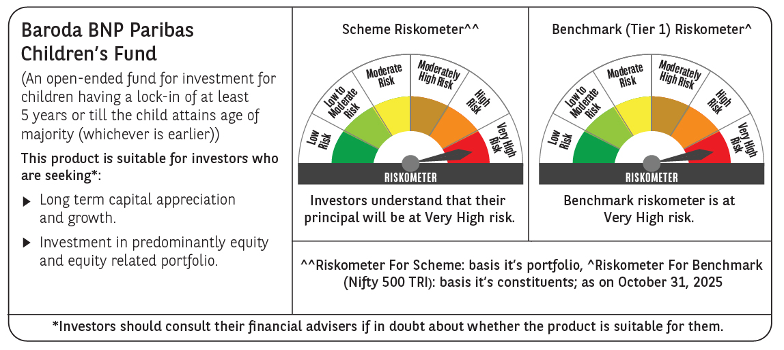

 | Monthly Performance Link: https://www.barodabnpparibasmf.in/assets/download_documents/Performance_of_Schemes-October_2025_15267.pdf

