Monthly Portfolio
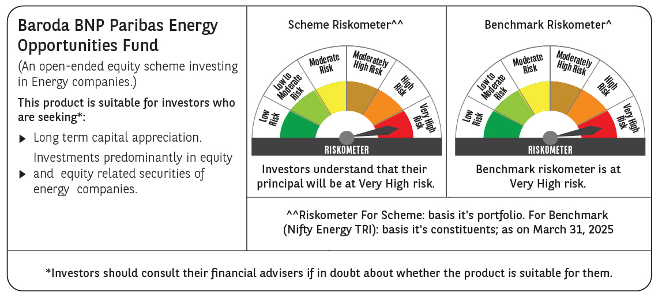
 | Baroda BNP Paribas Energy Opportunities Fund

 | Monthly Portfolio Statement as on March 31, 2025
 | Name of the Instrument | ISIN | Industry / Rating | Quantity | Market/Fair Value (Rs. in Lakhs) | % to Net Assets | YTM~ | YTC^ | null
 | Equity & Equity related
 | (a) Listed / awaiting listing on Stock Exchanges
NTPC01 | NTPC Limited | INE733E01010 | Power | 1,940,000 | 6,937.44 | 9.35%
RIND01 | Reliance Industries Limited | INE002A01018 | Petroleum Products | 515,000 | 6,566.77 | 8.85%
ONGC02 | Oil & Natural Gas Corporation Limited | INE213A01029 | Oil | 2,100,000 | 5,173.98 | 6.97%
COAL01 | Coal India Limited | INE522F01014 | Consumable Fuels | 1,180,000 | 4,698.76 | 6.33%
GAIL01 | GAIL (India) Limited | INE129A01019 | Gas | 2,350,000 | 4,301.44 | 5.80%
HPEC01 | Hindustan Petroleum Corporation Limited | INE094A01015 | Petroleum Products | 1,105,000 | 3,981.87 | 5.37%
PGCI01 | Power Grid Corporation of India Limited | INE752E01010 | Power | 1,300,000 | 3,774.55 | 5.09%
TPOW02 | Tata Power Company Limited | INE245A01021 | Power | 990,000 | 3,716.46 | 5.01%
ABBP01 | Hitachi Energy India Limited | INE07Y701011 | Electrical Equipment | 21,550 | 2,726.86 | 3.68%
KCUL02 | Cummins India Limited | INE298A01020 | Industrial Products | 77,700 | 2,371.29 | 3.20%
ULCC01 | UltraTech Cement Limited | INE481G01011 | Cement & Cement Products | 20,000 | 2,301.91 | 3.10%
ASEA02 | ABB India Limited | INE117A01022 | Electrical Equipment | 40,895 | 2,268.14 | 3.06%
TOPL01 | Torrent Power Limited | INE813H01021 | Power | 148,000 | 2,200.54 | 2.97%
SIEM02 | Siemens Limited | INE003A01024 | Electrical Equipment | 38,956 | 2,055.07 | 2.77%
OIIL01 | Oil India Limited | INE274J01014 | Oil | 500,000 | 1,933.75 | 2.61%
BHAH02 | Bharat Heavy Electricals Limited | INE257A01026 | Electrical Equipment | 810,000 | 1,753.08 | 2.36%
BOCL01 | Linde India Limited | INE473A01011 | Chemicals & Petrochemicals | 27,650 | 1,730.17 | 2.33%
KSPL02 | KSB Limited | INE999A01023 | Industrial Products | 211,685 | 1,511.01 | 2.04%
MAGL01 | Mahanagar Gas Limited | INE002S01010 | Gas | 108,835 | 1,509.49 | 2.03%
BPCL01 | Bharat Petroleum Corporation Limited | INE029A01011 | Petroleum Products | 450,000 | 1,253.12 | 1.69%
ALLI02 | GE Vernova T&D India Limited | INE200A01026 | Electrical Equipment | 75,000 | 1,169.06 | 1.58%
NHPC01 | NHPC Limited | INE848E01016 | Power | 1,300,000 | 1,068.60 | 1.44%
GUOL01 | Gulf Oil Lubricants India Limited | INE635Q01029 | Petroleum Products | 88,814 | 1,017.94 | 1.37%
HINI02 | Hindalco Industries Limited | INE038A01020 | Non - Ferrous Metals | 145,000 | 989.55 | 1.33%
IOIC01 | Indian Oil Corporation Limited | INE242A01010 | Petroleum Products | 750,000 | 957.75 | 1.29%
NGEL01 | NTPC Green Energy Limited | INE0ONG01011 | Power | 800,000 | 804.88 | 1.08%
GSPL01 | Gujarat State Petronet Limited | INE246F01010 | Gas | 270,000 | 786.51 | 1.06%
TEGA01 | Tega Industries Limited | INE011K01018 | Industrial Manufacturing | 8,856 | 130.69 | 0.18%
 | Sub Total |  |  |  | 69,690.68 | 93.94%
 | (b) Unlisted |  |  |  | NIL | NIL
 | Sub Total |  |  |  | NIL | NIL
 | Total |  |  |  | 69,690.68 | 93.94%
 | Derivatives
 | Index / Stock Futures
SIEMAPR25 | Siemens Limited April 2025 Future |  |  | -6,000 | (316.70) | (0.43)%
 | Sub Total |  |  |  | (316.70) | (0.43)%
 | Total |  |  |  | (316.70) | (0.43)%
 | Money Market Instruments
 | Treasury Bill
TBIL2435 | 364 Days Tbill (MD 21/11/2025) | IN002024Z321 | Sovereign | 2,000,000 | 1,920.94 | 2.59% | 6.42%
 | Sub Total |  |  |  | 1,920.94 | 2.59%
 | Total |  |  |  | 1,920.94 | 2.59%
 | Reverse Repo / TREPS
TRP_020425 | Clearing Corporation of India Ltd |  |  |  | 3,125.73 | 4.21% | 6.68%
 | Sub Total |  |  |  | 3,125.73 | 4.21%
 | Total |  |  |  | 3,125.73 | 4.21%
 | Net Receivables / (Payables) |  |  |  | (238.10) | (0.31)%
 | GRAND TOTAL |  |  |  | 74,182.55 | 100.00%

 | ~ YTM as on March 31, 2025
 | ^ YTC represents Yield to Call provided by valuation agencies as on March 31, 2025. It is disclosed for Perpetual Bond issued by Banks (i.e. AT-1 Bond / Tier 1 Bond / Tier 2 Bond), as per AMFI Best Practices Guidelines Circular no. 135/BP/91/2020-21 read with SEBI circular No. SEBI/HO/IMD/DF4/CIR/P/2021/034 on Valuation of AT-1 Bonds and Tier 2 Bonds.
 | Details of Stock Future / Index Future
 | Long/Short | Name of the Instrument | Industry | Quantity. | Market/Fair Value (Rs. in Lacs). | % to NAV.
 | Short | Siemens Limited_24/04/2025 | Electrical Equipment | 6,000 | 316.70 | 0.43%

