T0ME42
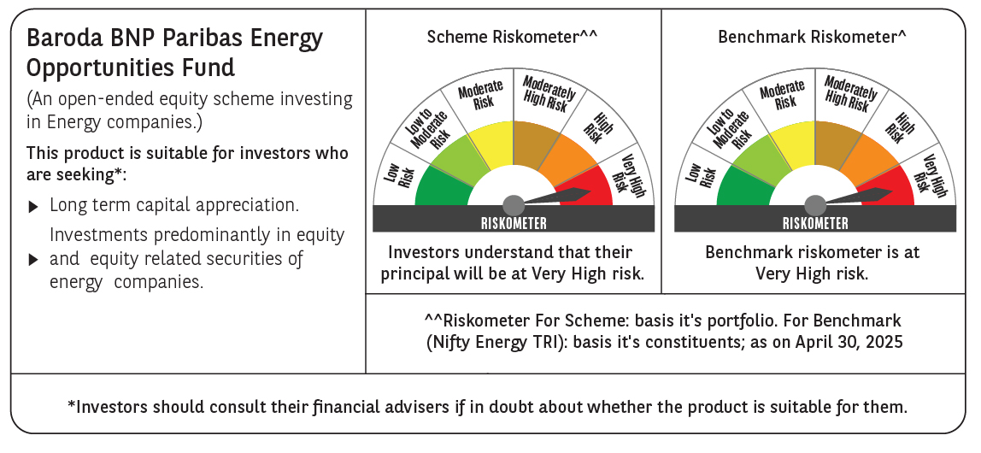
 | Baroda BNP Paribas Energy Opportunities Fund

 | Monthly Portfolio Statement as on April 30, 2025
 | Name of the Instrument | ISIN | Industry / Rating | Quantity | Market/Fair Value (Rs. in Lakhs) | % to Net Assets | YTM~ | YTC^ | null
 | Equity & Equity related
 | (a) Listed / awaiting listing on Stock Exchanges
RIND01 | Reliance Industries Limited | INE002A01018 | Petroleum Products | 515,000 | 7,235.75 | 9.65%
NTPC01 | NTPC Limited | INE733E01010 | Power | 1,940,000 | 6,878.27 | 9.17%
COAL01 | Coal India Limited | INE522F01014 | Consumable Fuels | 1,180,000 | 4,546.54 | 6.06%
ONGC02 | Oil & Natural Gas Corporation Limited | INE213A01029 | Oil | 1,850,000 | 4,522.33 | 6.03%
HPEC01 | Hindustan Petroleum Corporation Limited | INE094A01015 | Petroleum Products | 1,105,000 | 4,184.64 | 5.58%
PGCI01 | Power Grid Corporation of India Limited | INE752E01010 | Power | 1,300,000 | 3,996.85 | 5.33%
TPOW02 | Tata Power Company Limited | INE245A01021 | Power | 990,000 | 3,805.56 | 5.07%
GAIL01 | GAIL (India) Limited | INE129A01019 | Gas | 2,000,000 | 3,781.80 | 5.04%
ABBP01 | Hitachi Energy India Limited | INE07Y701011 | Electrical Equipment | 21,550 | 3,131.00 | 4.17%
TOPL01 | Torrent Power Limited | INE813H01021 | Power | 148,000 | 2,277.87 | 3.04%
ASEA02 | ABB India Limited | INE117A01022 | Electrical Equipment | 40,895 | 2,258.43 | 3.01%
KCUL02 | Cummins India Limited | INE298A01020 | Industrial Products | 77,700 | 2,249.73 | 3.00%
BPCL01 | Bharat Petroleum Corporation Limited | INE029A01011 | Petroleum Products | 625,000 | 1,937.81 | 2.58%
OIIL01 | Oil India Limited | INE274J01014 | Oil | 450,000 | 1,848.38 | 2.46%
KSPL02 | KSB Limited | INE999A01023 | Industrial Products | 251,685 | 1,843.97 | 2.46%
BHAH02 | Bharat Heavy Electricals Limited | INE257A01026 | Electrical Equipment | 810,000 | 1,837.40 | 2.45%
BOCL01 | Linde India Limited | INE473A01011 | Chemicals & Petrochemicals | 27,650 | 1,751.90 | 2.34%
MAGL01 | Mahanagar Gas Limited | INE002S01010 | Gas | 108,835 | 1,465.03 | 1.95%
ALLI02 | GE Vernova T&D India Limited | INE200A01026 | Electrical Equipment | 75,000 | 1,174.58 | 1.57%
ULCC01 | UltraTech Cement Limited | INE481G01011 | Cement & Cement Products | 10,000 | 1,164.10 | 1.55%
NHPC01 | NHPC Limited | INE848E01016 | Power | 1,300,000 | 1,115.27 | 1.49%
GUOL01 | Gulf Oil Lubricants India Limited | INE635Q01029 | Petroleum Products | 88,814 | 1,056.80 | 1.41%
IOIC01 | Indian Oil Corporation Limited | INE242A01010 | Petroleum Products | 750,000 | 1,033.95 | 1.38%
HINI02 | Hindalco Industries Limited | INE038A01020 | Non - Ferrous Metals | 145,000 | 905.74 | 1.21%
PFCL01 | Power Finance Corporation Limited | INE134E01011 | Finance | 207,379 | 844.86 | 1.13%
NGEL01 | NTPC Green Energy Limited | INE0ONG01011 | Power | 800,000 | 804.40 | 1.07%
GSPL01 | Gujarat State Petronet Limited | INE246F01010 | Gas | 243,000 | 789.75 | 1.05%
TEGA01 | Tega Industries Limited | INE011K01018 | Industrial Manufacturing | 53,939 | 729.04 | 0.97%
SENE01 | Siemens Energy India Limited ** | INE1NPP01017 | Electrical Equipment | 15,000 | 371.72 | 0.50%
 | Sub Total |  |  |  | 69,543.47 | 92.72%
 | (b) Unlisted |  |  |  | NIL | NIL
 | Sub Total |  |  |  | NIL | NIL
 | Total |  |  |  | 69,543.47 | 92.72%
 | Derivatives
 | Index / Stock Futures
ONGCMAY25 | Oil & Natural Gas Corporation Limited May 2025 Future |  |  | -577,500 | (1,415.97) | (1.89)%
HPECMAY25 | Hindustan Petroleum Corporation Limited May 2025 Future |  |  | -405,000 | (1,536.98) | (2.05)%
 | Sub Total |  |  |  | (2,952.95) | (3.94)%
 | Total |  |  |  | (2,952.95) | (3.94)%
 | Money Market Instruments
 | Treasury Bill
TBIL2435 | 364 Days Tbill (MD 21/11/2025) | IN002024Z321 | Sovereign | 2,000,000 | 1,936.10 | 2.58% | 5.90%
 | Sub Total |  |  |  | 1,936.10 | 2.58%
 | Total |  |  |  | 1,936.10 | 2.58%
 | Reverse Repo / TREPS
TRP_020525 | Clearing Corporation of India Ltd |  |  |  | 3,706.83 | 4.94% | 5.94%
 | Sub Total |  |  |  | 3,706.83 | 4.94%
 | Total |  |  |  | 3,706.83 | 4.94%
 | Net Receivables / (Payables) |  |  |  | 2,773.87 | 3.70%
 | GRAND TOTAL |  |  |  | 75,007.32 | 100.00%

 | ** Thinly Traded / Non Traded Security
 | ~ YTM as on April 30, 2025
 | ^ YTC represents Yield to Call provided by valuation agencies as on April 30, 2025. It is disclosed for Perpetual Bond issued by Banks (i.e. AT-1 Bond / Tier 1 Bond / Tier 2 Bond), as per AMFI Best Practices Guidelines Circular no. 135/BP/91/2020-21 read with SEBI circular No. SEBI/HO/IMD/DF4/CIR/P/2021/034 on Valuation of AT-1 Bonds and Tier 2 Bonds.
 | Details of Stock Future / Index Future
 | Long/Short | Name of the Instrument | Industry | Quantity. | Market/Fair Value (Rs. in Lacs). | % to NAV.
 | Short | Hindustan Petroleum Corporation Limited_29/05/2025 | Petroleum Products | 405,000 | 1,536.98 | 2.05%
 | Short | Oil & Natural Gas Corporation Limited_29/05/2025 | Oil | 577,500 | 1,415.97 | 1.89%

