T0ME42
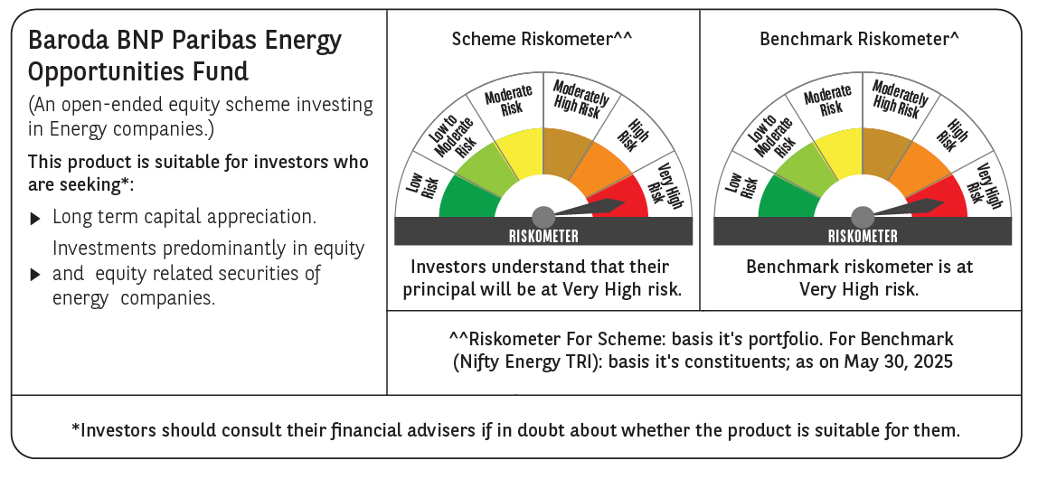
 | Baroda BNP Paribas Energy Opportunities Fund

 | Monthly Portfolio Statement as on May 31, 2025
 | Name of the Instrument | ISIN | Industry / Rating | Quantity | Market/Fair Value (Rs. in Lakhs) | % to Net Assets | YTM~ | YTC^ | null
 | Equity & Equity related
 | (a) Listed / awaiting listing on Stock Exchanges
RIND01 | Reliance Industries Limited | INE002A01018 | Petroleum Products | 515,000 | 7,317.64 | 9.67%
NTPC01 | NTPC Limited | INE733E01010 | Power | 1,940,000 | 6,477.66 | 8.56%
COAL01 | Coal India Limited | INE522F01014 | Consumable Fuels | 1,180,000 | 4,688.14 | 6.20%
HPEC01 | Hindustan Petroleum Corporation Limited | INE094A01015 | Petroleum Products | 1,100,000 | 4,521.55 | 5.98%
ONGC02 | Oil & Natural Gas Corporation Limited | INE213A01029 | Oil | 1,850,000 | 4,428.90 | 5.85%
TPOW02 | Tata Power Company Limited | INE245A01021 | Power | 990,000 | 3,888.72 | 5.14%
PGCI01 | Power Grid Corporation of India Limited | INE752E01010 | Power | 1,300,000 | 3,766.75 | 4.98%
GAIL01 | GAIL (India) Limited | INE129A01019 | Gas | 1,700,000 | 3,226.60 | 4.27%
ABBP01 | Hitachi Energy India Limited | INE07Y701011 | Electrical Equipment | 16,500 | 3,184.17 | 4.21%
KCUL02 | Cummins India Limited | INE298A01020 | Industrial Products | 77,700 | 2,539.31 | 3.36%
OIIL01 | Oil India Limited | INE274J01014 | Oil | 525,000 | 2,240.70 | 2.96%
ASEA02 | ABB India Limited | INE117A01022 | Electrical Equipment | 35,895 | 2,143.29 | 2.83%
KSPL02 | KSB Limited | INE999A01023 | Industrial Products | 251,685 | 2,129.76 | 2.82%
BHAH02 | Bharat Heavy Electricals Limited | INE257A01026 | Electrical Equipment | 810,000 | 2,104.62 | 2.78%
BOCL01 | Linde India Limited | INE473A01011 | Chemicals & Petrochemicals | 27,650 | 2,075.27 | 2.74%
TOPL01 | Torrent Power Limited | INE813H01021 | Power | 148,000 | 2,033.52 | 2.69%
BPCL01 | Bharat Petroleum Corporation Limited | INE029A01011 | Petroleum Products | 625,000 | 1,990.00 | 2.63%
NHPC01 | NHPC Limited | INE848E01016 | Power | 2,050,000 | 1,791.91 | 2.37%
MAGL01 | Mahanagar Gas Limited | INE002S01010 | Gas | 108,835 | 1,442.28 | 1.91%
ALLI02 | GE Vernova T&D India Limited | INE200A01026 | Electrical Equipment | 60,000 | 1,344.84 | 1.78%
NGEL01 | NTPC Green Energy Limited | INE0ONG01011 | Power | 1,200,000 | 1,335.12 | 1.76%
ULCC01 | UltraTech Cement Limited | INE481G01011 | Cement & Cement Products | 10,000 | 1,121.00 | 1.48%
IOIC01 | Indian Oil Corporation Limited | INE242A01010 | Petroleum Products | 750,000 | 1,064.78 | 1.41%
GUOL01 | Gulf Oil Lubricants India Limited | INE635Q01029 | Petroleum Products | 88,814 | 1,053.51 | 1.39%
HINI02 | Hindalco Industries Limited | INE038A01020 | Non - Ferrous Metals | 145,000 | 918.58 | 1.21%
TEGA01 | Tega Industries Limited | INE011K01018 | Industrial Manufacturing | 53,939 | 889.99 | 1.18%
AEVO01 | Aegis Vopak Terminals Limited | INE0INX01018 | Miscellaneous | 969,216 | 2,277.66 | 3.01%
 | Sub Total |  |  |  | 71,996.27 | 95.17%
 | (b) Unlisted |  |  |  | NIL | NIL
 | Sub Total |  |  |  | NIL | NIL
SENE01 | Siemens Energy India Limited ** | INE1NPP01017 | Electrical Equipment | 15,000 | 371.72 | 0.49%
 | Sub Total |  |  |  | 371.72 | 0.49%
 | Total |  |  |  | 72,367.99 | 95.66%
 | Money Market Instruments
 | Treasury Bill
TBIL2435 | 364 Days Tbill (MD 21/11/2025) | IN002024Z321 | Sovereign | 2,000,000 | 1,948.27 | 2.58% | 5.60%
 | Sub Total |  |  |  | 1,948.27 | 2.58%
 | Total |  |  |  | 1,948.27 | 2.58%
 | Reverse Repo / TREPS
TRP_020625 | Clearing Corporation of India Ltd |  |  |  | 2,110.58 | 2.79% | 5.77%
 | Sub Total |  |  |  | 2,110.58 | 2.79%
 | Total |  |  |  | 2,110.58 | 2.79%
 | Net Receivables / (Payables) |  |  |  | (774.42) | (1.03)%
 | GRAND TOTAL |  |  |  | 75,652.42 | 100.00%

 | ** Thinly Traded / Non Traded Security
 | # Unlisted Security
 | ~ YTM as on May 31, 2025
 | ^ YTC represents Yield to Call provided by valuation agencies as on May 31, 2025. It is disclosed for Perpetual Bond issued by Banks (i.e. AT-1 Bond / Tier 1 Bond / Tier 2 Bond), as per AMFI Best Practices Guidelines Circular no. 135/BP/91/2020-21 read with SEBI circular No. SEBI/HO/IMD/DF4/CIR/P/2021/034 on Valuation of AT-1 Bonds and Tier 2 Bonds.

