T0ME42
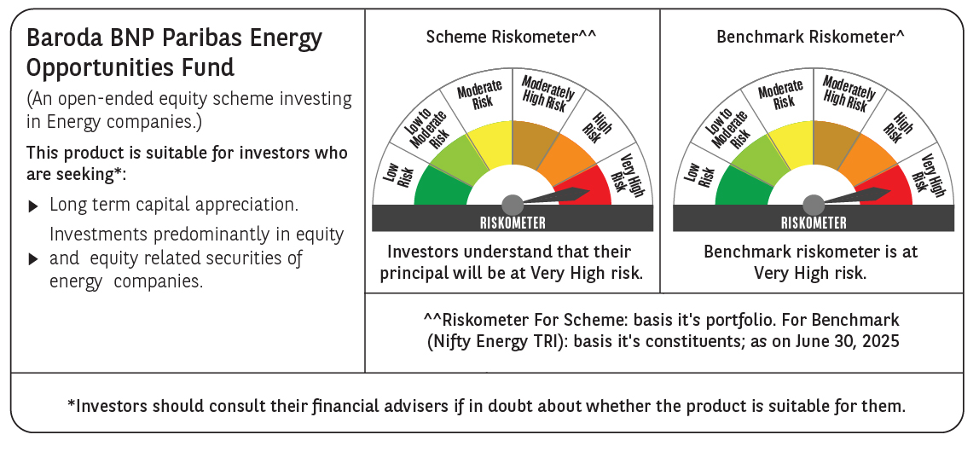
 | Baroda BNP Paribas Energy Opportunities Fund

 | Monthly Portfolio Statement as on June 30, 2025
 | Name of the Instrument | ISIN | Industry / Rating | Quantity | Market/Fair Value (Rs. in Lakhs) | % to Net Assets | YTM~ | YTC^ | null
 | Equity & Equity related
 | (a) Listed / awaiting listing on Stock Exchanges
RIND01 | Reliance Industries Limited | INE002A01018 | Petroleum Products | 505,000 | 7,578.03 | 9.94%
NTPC01 | NTPC Limited | INE733E01010 | Power | 1,940,000 | 6,497.06 | 8.52%
COAL01 | Coal India Limited | INE522F01014 | Consumable Fuels | 1,180,000 | 4,625.01 | 6.06%
ONGC02 | Oil & Natural Gas Corporation Limited | INE213A01029 | Oil | 1,850,000 | 4,517.89 | 5.92%
HPEC01 | Hindustan Petroleum Corporation Limited | INE094A01015 | Petroleum Products | 950,000 | 4,161.48 | 5.46%
TPOW02 | Tata Power Company Limited | INE245A01021 | Power | 990,000 | 4,013.96 | 5.26%
PGCI01 | Power Grid Corporation of India Limited | INE752E01010 | Power | 1,300,000 | 3,898.70 | 5.11%
GAIL01 | GAIL (India) Limited | INE129A01019 | Gas | 2,000,000 | 3,816.80 | 5.01%
KCUL02 | Cummins India Limited | INE298A01020 | Industrial Products | 77,700 | 2,641.33 | 3.46%
ABBP01 | Hitachi Energy India Limited | INE07Y701011 | Electrical Equipment | 12,000 | 2,400.84 | 3.15%
OIIL01 | Oil India Limited | INE274J01014 | Oil | 525,000 | 2,279.81 | 2.99%
ASEA02 | ABB India Limited | INE117A01022 | Electrical Equipment | 35,895 | 2,182.60 | 2.86%
TOPL01 | Torrent Power Limited | INE813H01021 | Power | 148,000 | 2,172.05 | 2.85%
BHAH02 | Bharat Heavy Electricals Limited | INE257A01026 | Electrical Equipment | 810,000 | 2,157.03 | 2.83%
BPCL01 | Bharat Petroleum Corporation Limited | INE029A01011 | Petroleum Products | 625,000 | 2,074.69 | 2.72%
KSPL02 | KSB Limited | INE999A01023 | Industrial Products | 251,685 | 2,058.91 | 2.70%
AEVO01 | Aegis Vopak Terminals Limited | INE0INX01018 | Oil | 789,216 | 1,936.50 | 2.54%
BOCL01 | Linde India Limited | INE473A01011 | Chemicals & Petrochemicals | 27,650 | 1,840.25 | 2.41%
MAGL01 | Mahanagar Gas Limited | INE002S01010 | Gas | 108,835 | 1,614.24 | 2.12%
NGEL01 | NTPC Green Energy Limited | INE0ONG01011 | Power | 1,200,000 | 1,256.28 | 1.65%
ULCC01 | UltraTech Cement Limited | INE481G01011 | Cement & Cement Products | 10,000 | 1,209.30 | 1.59%
ALLI02 | GE Vernova T&D India Limited | INE200A01026 | Electrical Equipment | 50,000 | 1,180.55 | 1.55%
GUOL01 | Gulf Oil Lubricants India Limited | INE635Q01029 | Petroleum Products | 88,814 | 1,121.37 | 1.47%
IOIC01 | Indian Oil Corporation Limited | INE242A01010 | Petroleum Products | 750,000 | 1,102.20 | 1.45%
HINI02 | Hindalco Industries Limited | INE038A01020 | Non - Ferrous Metals | 145,000 | 1,004.63 | 1.32%
TEGA01 | Tega Industries Limited | INE011K01018 | Industrial Manufacturing | 61,939 | 964.82 | 1.27%
NHPC01 | NHPC Limited | INE848E01016 | Power | 1,100,000 | 943.91 | 1.24%
SENE01 | Siemens Energy India Limited | INE1NPP01017 | Electrical Equipment | 30,000 | 892.77 | 1.17%
 | Sub Total |  |  |  | 72,143.01 | 94.62%
 | (b) Unlisted |  |  |  | NIL | NIL
 | Sub Total |  |  |  | NIL | NIL
 | Total |  |  |  | 72,143.01 | 94.62%
 | Derivatives
 | Index / Stock Futures
HPECJUL25 | Hindustan Petroleum Corporation Limited July 2025 Future |  |  | -303,750 | (1,338.78) | (1.76)%
 | Sub Total |  |  |  | (1,338.78) | (1.76)%
 | Total |  |  |  | (1,338.78) | (1.76)%
 | Money Market Instruments
 | Treasury Bill
TBIL2435 | 364 Days Tbill (MD 21/11/2025) | IN002024Z321 | Sovereign | 2,000,000 | 1,958.04 | 2.57% | 5.47%
 | Sub Total |  |  |  | 1,958.04 | 2.57%
 | Total |  |  |  | 1,958.04 | 2.57%
 | Reverse Repo / TREPS
TRP_010725 | Clearing Corporation of India Ltd |  |  |  | 2,214.77 | 2.90% | 5.47%
 | Sub Total |  |  |  | 2,214.77 | 2.90%
 | Total |  |  |  | 2,214.77 | 2.90%
 | Net Receivables / (Payables) |  |  |  | 1,280.57 | 1.67%
 | GRAND TOTAL |  |  |  | 76,257.61 | 100.00%

 | ~ YTM as on June 30, 2025
 | ^ YTC represents Yield to Call provided by valuation agencies as on June 30, 2025. It is disclosed for Perpetual Bond issued by Banks (i.e. AT-1 Bond / Tier 1 Bond / Tier 2 Bond), as per AMFI Best Practices Guidelines Circular no. 135/BP/91/2020-21 read with SEBI circular No. SEBI/HO/IMD/DF4/CIR/P/2021/034 on Valuation of AT-1 Bonds and Tier 2 Bonds.
 | Details of Stock Future / Index Future
 | Long/Short | Name of the Instrument | Industry | Quantity. | Market/Fair Value (Rs. in Lacs). | % to NAV.
 | Short | Hindustan Petroleum Corporation Limited_31/07/2025 | Petroleum Products | 303,750 | 1,338.78 | 1.76%

