T0ME42
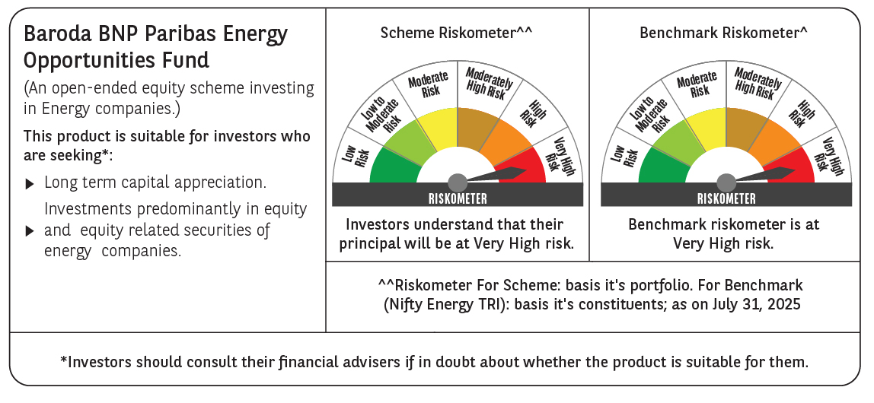
 | Baroda BNP Paribas Energy Opportunities Fund

 | Monthly Portfolio Statement as on July 31, 2025
 | Name of the Instrument | ISIN | Industry / Rating | Quantity | Market/Fair Value (Rs. in Lakhs) | % to Net Assets | YTM~ | YTC^ | null
 | Equity & Equity related
 | (a) Listed / awaiting listing on Stock Exchanges
NTPC01 | NTPC Limited | INE733E01010 | Power | 1,940,000 | 6,484.45 | 8.70%
RIND01 | Reliance Industries Limited | INE002A01018 | Petroleum Products | 460,000 | 6,394.92 | 8.58%
HPEC01 | Hindustan Petroleum Corporation Limited | INE094A01015 | Petroleum Products | 950,000 | 3,975.28 | 5.34%
PGCI01 | Power Grid Corporation of India Limited | INE752E01010 | Power | 1,300,000 | 3,783.00 | 5.08%
COAL01 | Coal India Limited | INE522F01014 | Consumable Fuels | 1,000,000 | 3,763.50 | 5.05%
ONGC02 | Oil & Natural Gas Corporation Limited | INE213A01029 | Oil | 1,500,000 | 3,615.00 | 4.85%
GAIL01 | GAIL (India) Limited | INE129A01019 | Gas | 2,000,000 | 3,553.60 | 4.77%
TPOW02 | Tata Power Company Limited | INE245A01021 | Power | 830,000 | 3,301.33 | 4.43%
KCUL02 | Cummins India Limited | INE298A01020 | Industrial Products | 77,700 | 2,762.62 | 3.71%
ABBP01 | Hitachi Energy India Limited | INE07Y701011 | Electrical Equipment | 12,000 | 2,411.40 | 3.24%
OIIL01 | Oil India Limited | INE274J01014 | Oil | 525,000 | 2,310.00 | 3.10%
SENE01 | Siemens Energy India Limited | INE1NPP01017 | Electrical Equipment | 70,000 | 2,266.53 | 3.04%
KSPL02 | KSB Limited | INE999A01023 | Industrial Products | 251,685 | 2,110.63 | 2.83%
BPCL01 | Bharat Petroleum Corporation Limited | INE029A01011 | Petroleum Products | 625,000 | 2,058.13 | 2.76%
ASEA02 | ABB India Limited | INE117A01022 | Electrical Equipment | 35,895 | 1,977.81 | 2.65%
TOPL01 | Torrent Power Limited | INE813H01021 | Power | 148,000 | 1,938.80 | 2.60%
BHAH02 | Bharat Heavy Electricals Limited | INE257A01026 | Electrical Equipment | 810,000 | 1,931.45 | 2.59%
AEVO01 | Aegis Vopak Terminals Limited | INE0INX01018 | Oil | 789,216 | 1,892.22 | 2.54%
ULCC01 | UltraTech Cement Limited | INE481G01011 | Cement & Cement Products | 15,000 | 1,837.35 | 2.47%
BOCL01 | Linde India Limited | INE473A01011 | Chemicals & Petrochemicals | 27,650 | 1,817.57 | 2.44%
MAGL01 | Mahanagar Gas Limited | INE002S01010 | Gas | 108,835 | 1,478.09 | 1.98%
ALLI02 | GE Vernova T&D India Limited | INE200A01026 | Electrical Equipment | 50,000 | 1,363.40 | 1.83%
NGEL01 | NTPC Green Energy Limited | INE0ONG01011 | Power | 1,200,000 | 1,251.24 | 1.68%
TEGA01 | Tega Industries Limited | INE011K01018 | Industrial Manufacturing | 61,939 | 1,180.56 | 1.58%
IOIC01 | Indian Oil Corporation Limited | INE242A01010 | Petroleum Products | 750,000 | 1,092.15 | 1.47%
GUOL01 | Gulf Oil Lubricants India Limited | INE635Q01029 | Petroleum Products | 88,814 | 1,073.58 | 1.44%
HINI02 | Hindalco Industries Limited | INE038A01020 | Non - Ferrous Metals | 145,000 | 990.42 | 1.33%
NHPC01 | NHPC Limited | INE848E01016 | Power | 1,100,000 | 915.75 | 1.23%
ICEM01 | The India Cements Limited | INE383A01012 | Cement & Cement Products | 210,000 | 775.11 | 1.04%
KEWI01 | Kennametal India Limited | INE717A01029 | Industrial Manufacturing | 14,334 | 310.43 | 0.42%
 | Sub Total |  |  |  | 70,616.32 | 94.77%
 | (b) Unlisted |  |  |  | NIL | NIL
 | Sub Total |  |  |  | NIL | NIL
 | Total |  |  |  | 70,616.32 | 94.77%
 | Money Market Instruments
 | Treasury Bill
TBIL2435 | 364 Days Tbill (MD 21/11/2025) | IN002024Z321 | Sovereign | 2,000,000 | 1,967.10 | 2.64% | 5.45%
 | Sub Total |  |  |  | 1,967.10 | 2.64%
 | Total |  |  |  | 1,967.10 | 2.64%
 | Reverse Repo / TREPS
TRP_010825 | Clearing Corporation of India Ltd |  |  |  | 2,597.15 | 3.49% | 5.42%
 | Sub Total |  |  |  | 2,597.15 | 3.49%
 | Total |  |  |  | 2,597.15 | 3.49%
 | Net Receivables / (Payables) |  |  |  | (681.66) | (0.90)%
 | GRAND TOTAL |  |  |  | 74,498.91 | 100.00%

 | ~ YTM as on July 31, 2025
 | ^ YTC represents Yield to Call provided by valuation agencies as on July 31, 2025. It is disclosed for Perpetual Bond issued by Banks (i.e. AT-1 Bond / Tier 1 Bond / Tier 2 Bond), as per AMFI Best Practices Guidelines Circular no. 135/BP/91/2020-21 read with SEBI circular No. SEBI/HO/IMD/DF4/CIR/P/2021/034 on Valuation of AT-1 Bonds and Tier 2 Bonds.

