T0ME42
 | Baroda BNP Paribas Energy Opportunities Fund

 | Monthly Portfolio Statement as on August 31, 2025
 | Name of the Instrument | ISIN | Industry / Rating | Quantity | Market/Fair Value (Rs. in Lakhs) | % to Net Assets | YTM~ | YTC^ | null
 | Equity & Equity related
 | (a) Listed / awaiting listing on Stock Exchanges
RIND01 | Reliance Industries Limited | INE002A01018 | Petroleum Products | 495,000 | 6,718.14 | 9.35%
NTPC01 | NTPC Limited | INE733E01010 | Power | 1,940,000 | 6,354.47 | 8.84%
COAL01 | Coal India Limited | INE522F01014 | Consumable Fuels | 1,000,000 | 3,748.00 | 5.22%
PGCI01 | Power Grid Corporation of India Limited | INE752E01010 | Power | 1,300,000 | 3,578.25 | 4.98%
HPEC01 | Hindustan Petroleum Corporation Limited | INE094A01015 | Petroleum Products | 950,000 | 3,571.05 | 4.97%
ONGC02 | Oil & Natural Gas Corporation Limited | INE213A01029 | Oil | 1,500,000 | 3,505.65 | 4.88%
GAIL01 | GAIL (India) Limited | INE129A01019 | Gas | 2,000,000 | 3,461.40 | 4.82%
KCUL02 | Cummins India Limited | INE298A01020 | Industrial Products | 77,700 | 2,972.96 | 4.14%
SENE01 | Siemens Energy India Limited | INE1NPP01017 | Electrical Equipment | 70,000 | 2,362.43 | 3.29%
ABBP01 | Hitachi Energy India Limited | INE07Y701011 | Electrical Equipment | 12,000 | 2,293.20 | 3.19%
TPOW02 | Tata Power Company Limited | INE245A01021 | Power | 600,000 | 2,244.90 | 3.12%
KSPL02 | KSB Limited | INE999A01023 | Industrial Products | 251,685 | 2,078.67 | 2.89%
OIIL01 | Oil India Limited | INE274J01014 | Oil | 525,000 | 2,049.08 | 2.85%
AEVO01 | Aegis Vopak Terminals Limited | INE0INX01018 | Oil | 789,216 | 1,955.44 | 2.72%
BPCL01 | Bharat Petroleum Corporation Limited | INE029A01011 | Petroleum Products | 625,000 | 1,926.25 | 2.68%
ULCC01 | UltraTech Cement Limited | INE481G01011 | Cement & Cement Products | 15,000 | 1,896.00 | 2.64%
TOPL01 | Torrent Power Limited | INE813H01021 | Power | 148,000 | 1,816.40 | 2.53%
BOCL01 | Linde India Limited | INE473A01011 | Chemicals & Petrochemicals | 27,650 | 1,763.66 | 2.45%
MAGL01 | Mahanagar Gas Limited | INE002S01010 | Gas | 133,835 | 1,675.35 | 2.33%
ALLI02 | GE Vernova T&D India Limited | INE200A01026 | Electrical Equipment | 60,000 | 1,667.52 | 2.32%
TEGA01 | Tega Industries Limited | INE011K01018 | Industrial Manufacturing | 61,939 | 1,143.95 | 1.59%
GUOL01 | Gulf Oil Lubricants India Limited | INE635Q01029 | Petroleum Products | 88,814 | 1,109.82 | 1.54%
IOIC01 | Indian Oil Corporation Limited | INE242A01010 | Petroleum Products | 750,000 | 1,024.65 | 1.43%
HINI02 | Hindalco Industries Limited | INE038A01020 | Non - Ferrous Metals | 145,000 | 1,020.73 | 1.42%
ASEA02 | ABB India Limited | INE117A01022 | Electrical Equipment | 20,000 | 999.80 | 1.39%
BHAH02 | Bharat Heavy Electricals Limited | INE257A01026 | Electrical Equipment | 479,000 | 996.37 | 1.39%
NHPC01 | NHPC Limited | INE848E01016 | Power | 1,100,000 | 849.53 | 1.18%
NGEL01 | NTPC Green Energy Limited | INE0ONG01011 | Power | 800,000 | 823.60 | 1.15%
ICEM01 | The India Cements Limited | INE383A01012 | Cement & Cement Products | 210,000 | 801.15 | 1.11%
KEWI01 | Kennametal India Limited | INE717A01029 | Industrial Manufacturing | 24,334 | 535.63 | 0.75%
JSWC01 | JSW Cement Limited | INE718I01012 | Cement & Cement Products | 72,198 | 107.16 | 0.15%
 | Sub Total |  |  |  | 67,051.21 | 93.31%
 | (b) Unlisted |  |  |  | NIL | NIL
 | Sub Total |  |  |  | NIL | NIL
 | Total |  |  |  | 67,051.21 | 93.31%
 | Money Market Instruments
 | Treasury Bill
TBIL2435 | 364 Days Tbill (MD 21/11/2025) | IN002024Z321 | Sovereign | 2,000,000 | 1,976.03 | 2.75% | 5.47%
 | Sub Total |  |  |  | 1,976.03 | 2.75%
 | Total |  |  |  | 1,976.03 | 2.75%
 | Reverse Repo / TREPS
TRP_010925 | Clearing Corporation of India Ltd |  |  |  | 2,923.76 | 4.07% | 5.39%
 | Sub Total |  |  |  | 2,923.76 | 4.07%
 | Total |  |  |  | 2,923.76 | 4.07%
 | Net Receivables / (Payables) |  |  |  | (88.69) | (0.13)%
 | GRAND TOTAL |  |  |  | 71,862.31 | 100.00%

 | ~ YTM as on August 31, 2025
 | ^ YTC represents Yield to Call provided by valuation agencies as on August 31, 2025. It is disclosed for Perpetual Bond issued by Banks (i.e. AT-1 Bond / Tier 1 Bond / Tier 2 Bond), as per AMFI Best Practices Guidelines Circular no. 135/BP/91/2020-21 read with SEBI circular No. SEBI/HO/IMD/DF4/CIR/P/2021/034 on Valuation of AT-1 Bonds and Tier 2 Bonds.

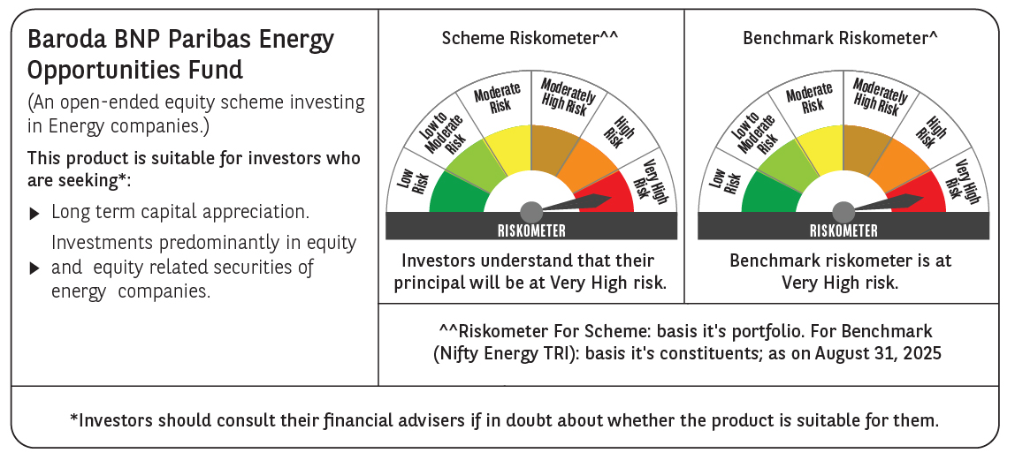

 | Monthly Performance Link: https://www.barodabnpparibasmf.in/assets/download_documents/Performance_of_Schemes_14126.pdf

