Monthly Portfolio
 | Baroda BNP Paribas Energy Opportunities Fund

 | Monthly Portfolio Statement as on September 30, 2025
 | Name of the Instrument | ISIN | Industry / Rating | Quantity | Market/Fair Value (Rs. in Lakhs) | % to Net Assets | YTM~ | YTC^ | null
 | Equity & Equity related
 | (a) Listed / awaiting listing on Stock Exchanges
NTPC01 | NTPC Limited | INE733E01010 | Power | 1,990,000 | 6,774.96 | 9.25%
RIND01 | Reliance Industries Limited | INE002A01018 | Petroleum Products | 495,000 | 6,751.80 | 9.22%
COAL01 | Coal India Limited | INE522F01014 | Consumable Fuels | 1,200,000 | 4,679.40 | 6.39%
HPEC01 | Hindustan Petroleum Corporation Limited | INE094A01015 | Petroleum Products | 950,000 | 4,212.30 | 5.75%
PGCI01 | Power Grid Corporation of India Limited | INE752E01010 | Power | 1,365,000 | 3,825.41 | 5.22%
ONGC02 | Oil & Natural Gas Corporation Limited | INE213A01029 | Oil | 1,500,000 | 3,592.50 | 4.91%
GAIL01 | GAIL (India) Limited | INE129A01019 | Gas | 2,000,000 | 3,525.80 | 4.82%
KCUL02 | Cummins India Limited | INE298A01020 | Industrial Products | 77,700 | 3,050.89 | 4.17%
TPOW02 | Tata Power Company Limited | INE245A01021 | Power | 600,000 | 2,331.90 | 3.18%
OIIL01 | Oil India Limited | INE274J01014 | Oil | 525,000 | 2,172.45 | 2.97%
ABBP01 | Hitachi Energy India Limited | INE07Y701011 | Electrical Equipment | 12,000 | 2,160.12 | 2.95%
BPCL01 | Bharat Petroleum Corporation Limited | INE029A01011 | Petroleum Products | 625,000 | 2,122.81 | 2.90%
KSPL02 | KSB Limited | INE999A01023 | Industrial Products | 251,685 | 2,067.84 | 2.82%
AEVO01 | Aegis Vopak Terminals Limited | INE0INX01018 | Oil | 789,216 | 2,055.75 | 2.81%
ULCC01 | UltraTech Cement Limited | INE481G01011 | Cement & Cement Products | 15,000 | 1,833.30 | 2.50%
MAGL01 | Mahanagar Gas Limited | INE002S01010 | Gas | 133,835 | 1,733.30 | 2.37%
BOCL01 | Linde India Limited | INE473A01011 | Chemicals & Petrochemicals | 27,650 | 1,726.88 | 2.36%
ALLI02 | GE Vernova T&D India Limited | INE200A01026 | Electrical Equipment | 57,611 | 1,705.57 | 2.33%
ASEA02 | ABB India Limited | INE117A01022 | Electrical Equipment | 27,500 | 1,425.41 | 1.95%
SENE01 | Siemens Energy India Limited | INE1NPP01017 | Electrical Equipment | 40,000 | 1,373.12 | 1.88%
BHAH02 | Bharat Heavy Electricals Limited | INE257A01026 | Electrical Equipment | 479,000 | 1,142.18 | 1.56%
IOIC01 | Indian Oil Corporation Limited | INE242A01010 | Petroleum Products | 750,000 | 1,123.43 | 1.53%
NHPC01 | NHPC Limited | INE848E01016 | Power | 1,300,000 | 1,122.16 | 1.53%
CROM02 | CG Power and Industrial Solutions Limited | INE067A01029 | Electrical Equipment | 150,000 | 1,111.43 | 1.52%
HINI02 | Hindalco Industries Limited | INE038A01020 | Non - Ferrous Metals | 145,000 | 1,104.83 | 1.51%
GUOL01 | Gulf Oil Lubricants India Limited | INE635Q01029 | Petroleum Products | 88,814 | 1,074.83 | 1.47%
KEWI01 | Kennametal India Limited | INE717A01029 | Industrial Manufacturing | 43,831 | 915.96 | 1.25%
ICEM01 | The India Cements Limited | INE383A01012 | Cement & Cement Products | 210,000 | 806.40 | 1.10%
TOPL01 | Torrent Power Limited | INE813H01021 | Power | 60,000 | 731.34 | 1.00%
SJVN01 | SJVN Limited | INE002L01015 | Power | 800,000 | 722.56 | 0.99%
NAYV01 | NLC India Limited | INE589A01014 | Power | 210,000 | 599.17 | 0.82%
NGEL01 | NTPC Green Energy Limited | INE0ONG01011 | Power | 500,000 | 486.05 | 0.66%
SIEM02 | Siemens Limited | INE003A01024 | Electrical Equipment | 15,000 | 469.38 | 0.64%
TEGA01 | Tega Industries Limited | INE011K01018 | Industrial Manufacturing | 15,000 | 283.67 | 0.39%
 | Sub Total |  |  |  | 70,814.90 | 96.72%
 | (b) Unlisted |  |  |  | NIL | NIL
 | Sub Total |  |  |  | NIL | NIL
 | Total |  |  |  | 70,814.90 | 96.72%
 | Money Market Instruments
 | Treasury Bill
TBIL2435 | 364 Days Tbill (MD 21/11/2025) | IN002024Z321 | Sovereign | 1,000,000 | 992.42 | 1.36% | 5.47%
 | Sub Total |  |  |  | 992.42 | 1.36%
 | Total |  |  |  | 992.42 | 1.36%
 | Reverse Repo / TREPS
TRP_011025 | Clearing Corporation of India Ltd |  |  |  | 1,489.18 | 2.03% | 5.53%
 | Sub Total |  |  |  | 1,489.18 | 2.03%
 | Total |  |  |  | 1,489.18 | 2.03%
 | Net Receivables / (Payables) |  |  |  | (77.53) | (0.11)%
 | GRAND TOTAL |  |  |  | 73,218.97 | 100.00%

 | ~ YTM as on September 30, 2025
 | ^ YTC represents Yield to Call provided by valuation agencies as on September 30, 2025. It is disclosed for Perpetual Bond issued by Banks (i.e. AT-1 Bond / Tier 1 Bond / Tier 2 Bond), as per AMFI Best Practices Guidelines Circular no. 135/BP/91/2020-21 read with SEBI circular No. SEBI/HO/IMD/DF4/CIR/P/2021/034 on Valuation of AT-1 Bonds and Tier 2 Bonds.

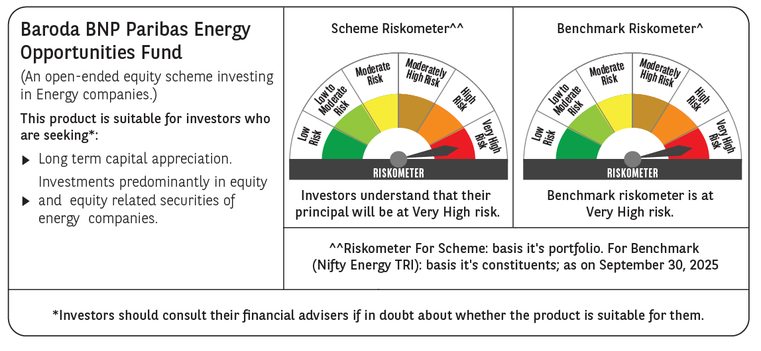

 | Monthly Performance Link: https://www.barodabnpparibasmf.in/assets/download_documents/Performance_of_Schemes_September_14618.pdf

