T0ME42
 | Baroda BNP Paribas Energy Opportunities Fund

 | Monthly Portfolio Statement as on October 31, 2025
 | Name of the Instrument | ISIN | Industry / Rating | Quantity | Market/Fair Value (Rs. in Lakhs) | % to Net Assets | YTM~ | YTC^ | null
 | Equity & Equity related
 | (a) Listed / awaiting listing on Stock Exchanges
RIND01 | Reliance Industries Limited | INE002A01018 | Petroleum Products | 495,000 | 7,357.68 | 9.85%
NTPC01 | NTPC Limited | INE733E01010 | Power | 1,990,000 | 6,705.31 | 8.97%
COAL01 | Coal India Limited | INE522F01014 | Consumable Fuels | 1,350,000 | 5,246.78 | 7.02%
HPEC01 | Hindustan Petroleum Corporation Limited | INE094A01015 | Petroleum Products | 950,000 | 4,522.00 | 6.05%
PGCI01 | Power Grid Corporation of India Limited | INE752E01010 | Power | 1,365,000 | 3,933.25 | 5.26%
ONGC02 | Oil & Natural Gas Corporation Limited | INE213A01029 | Oil | 1,500,000 | 3,830.55 | 5.13%
GAIL01 | GAIL (India) Limited | INE129A01019 | Gas | 2,000,000 | 3,655.20 | 4.89%
BPCL01 | Bharat Petroleum Corporation Limited | INE029A01011 | Petroleum Products | 950,000 | 3,389.60 | 4.54%
KCUL02 | Cummins India Limited | INE298A01020 | Industrial Products | 60,000 | 2,606.46 | 3.49%
TPOW02 | Tata Power Company Limited | INE245A01021 | Power | 600,000 | 2,429.40 | 3.25%
OIIL01 | Oil India Limited | INE274J01014 | Oil | 525,000 | 2,275.09 | 3.04%
AEVO01 | Aegis Vopak Terminals Limited | INE0INX01018 | Oil | 789,216 | 2,201.52 | 2.95%
ABBP01 | Hitachi Energy India Limited | INE07Y701011 | Electrical Equipment | 12,000 | 2,133.36 | 2.85%
BHAH02 | Bharat Heavy Electricals Limited | INE257A01026 | Electrical Equipment | 800,000 | 2,123.92 | 2.84%
KSPL02 | KSB Limited | INE999A01023 | Industrial Products | 251,685 | 1,989.95 | 2.66%
ULCC01 | UltraTech Cement Limited | INE481G01011 | Cement & Cement Products | 15,000 | 1,792.05 | 2.40%
MAGL01 | Mahanagar Gas Limited | INE002S01010 | Gas | 133,835 | 1,708.94 | 2.29%
BOCL01 | Linde India Limited | INE473A01011 | Chemicals & Petrochemicals | 27,650 | 1,662.73 | 2.22%
ALLI02 | GE Vernova T&D India Limited | INE200A01026 | Electrical Equipment | 50,000 | 1,518.70 | 2.03%
CROM02 | CG Power and Industrial Solutions Limited | INE067A01029 | Electrical Equipment | 200,000 | 1,473.30 | 1.97%
ASEA02 | ABB India Limited | INE117A01022 | Electrical Equipment | 27,500 | 1,435.50 | 1.92%
IOIC01 | Indian Oil Corporation Limited | INE242A01010 | Petroleum Products | 750,000 | 1,244.25 | 1.66%
HINI02 | Hindalco Industries Limited | INE038A01020 | Non - Ferrous Metals | 145,000 | 1,229.38 | 1.65%
NHPC01 | NHPC Limited | INE848E01016 | Power | 1,300,000 | 1,102.92 | 1.48%
GUOL01 | Gulf Oil Lubricants India Limited | INE635Q01029 | Petroleum Products | 88,814 | 1,098.45 | 1.47%
SIEM02 | Siemens Limited | INE003A01024 | Electrical Equipment | 30,000 | 928.89 | 1.24%
ICEM01 | The India Cements Limited | INE383A01012 | Cement & Cement Products | 210,000 | 844.94 | 1.13%
NAYV01 | NLC India Limited | INE589A01014 | Power | 260,000 | 681.98 | 0.91%
MREL01 | Chennai Petroleum Corporation Limited | INE178A01016 | Petroleum Products | 55,700 | 545.50 | 0.73%
 | Sub Total |  |  |  | 71,667.60 | 95.89%
 | (b) Unlisted |  |  |  | NIL | NIL
 | Sub Total |  |  |  | NIL | NIL
 | Total |  |  |  | 71,667.60 | 95.89%
 | Money Market Instruments
 | Treasury Bill
TBIL2435 | 364 Days Tbill (MD 21/11/2025) | IN002024Z321 | Sovereign | 1,000,000 | 997.06 | 1.33% | 5.38%
 | Sub Total |  |  |  | 997.06 | 1.33%
 | Total |  |  |  | 997.06 | 1.33%
 | Reverse Repo / TREPS
TRP_031125 | Clearing Corporation of India Ltd |  |  |  | 2,325.01 | 3.11% | 5.59%
 | Sub Total |  |  |  | 2,325.01 | 3.11%
 | Total |  |  |  | 2,325.01 | 3.11%
 | Net Receivables / (Payables) |  |  |  | (255.82) | (0.33)%
 | GRAND TOTAL |  |  |  | 74,733.85 | 100.00%

 | ~ YTM as on October 31, 2025
 | ^ YTC represents Yield to Call provided by valuation agencies as on October 31, 2025. It is disclosed for Perpetual Bond issued by Banks (i.e. AT-1 Bond / Tier 1 Bond / Tier 2 Bond), as per AMFI Best Practices Guidelines Circular no. 135/BP/91/2020-21 read with SEBI circular No. SEBI/HO/IMD/DF4/CIR/P/2021/034 on Valuation of AT-1 Bonds and Tier 2 Bonds.

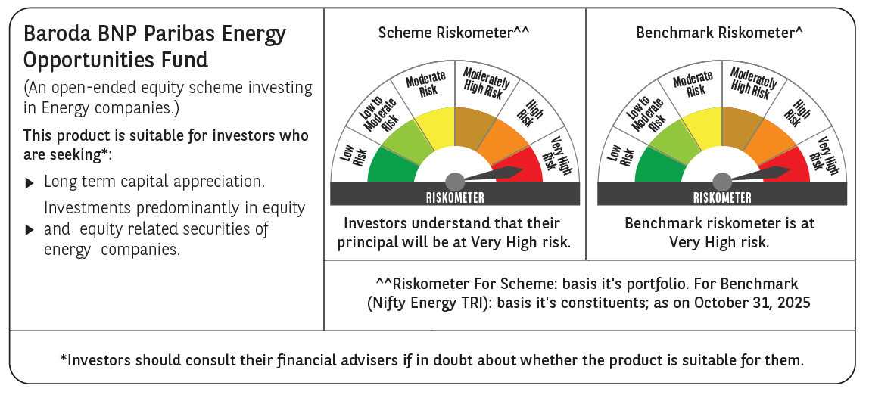

 | Monthly Performance Link: https://www.barodabnpparibasmf.in/assets/download_documents/Performance_of_Schemes-October_2025_15267.pdf

