T0ME42
 | Baroda BNP Paribas Energy Opportunities Fund

 | Monthly Portfolio Statement as on November 30, 2025
 | Name of the Instrument | ISIN | Industry | Quantity | Market/Fair Value (Rs. in Lakhs) | % to Net Assets | YTM~ | YTC^ | null
 | Equity & Equity related
 | (a) Listed / awaiting listing on Stock Exchanges
RIND01 | Reliance Industries Limited | INE002A01018 | Petroleum Products | 490,000 | 7,680.75 | 10.59%
NTPC01 | NTPC Limited | INE733E01010 | Power | 1,990,000 | 6,496.36 | 8.96%
COAL01 | Coal India Limited | INE522F01014 | Consumable Fuels | 1,350,000 | 5,078.03 | 7.00%
HPEC01 | Hindustan Petroleum Corporation Limited | INE094A01015 | Petroleum Products | 950,000 | 4,346.25 | 5.99%
ONGC02 | Oil & Natural Gas Corporation Limited | INE213A01029 | Oil | 1,500,000 | 3,648.75 | 5.03%
BPCL01 | Bharat Petroleum Corporation Limited | INE029A01011 | Petroleum Products | 950,000 | 3,411.45 | 4.70%
ABBP01 | Hitachi Energy India Limited | INE07Y701011 | Electrical Equipment | 12,000 | 2,646.72 | 3.65%
GAIL01 | GAIL (India) Limited | INE129A01019 | Gas | 1,500,000 | 2,641.35 | 3.64%
PGCI01 | Power Grid Corporation of India Limited | INE752E01010 | Power | 900,000 | 2,429.55 | 3.35%
TPOW02 | Tata Power Company Limited | INE245A01021 | Power | 600,000 | 2,340.60 | 3.23%
BHAH02 | Bharat Heavy Electricals Limited | INE257A01026 | Electrical Equipment | 800,000 | 2,326.80 | 3.21%
OIIL01 | Oil India Limited | INE274J01014 | Oil | 525,000 | 2,169.30 | 2.99%
AEVO01 | Aegis Vopak Terminals Limited | INE0INX01018 | Oil | 789,216 | 2,056.30 | 2.83%
KSPL02 | KSB Limited | INE999A01023 | Industrial Products | 251,685 | 1,932.56 | 2.66%
ULCC01 | UltraTech Cement Limited | INE481G01011 | Cement & Cement Products | 15,000 | 1,740.00 | 2.40%
MAGL01 | Mahanagar Gas Limited | INE002S01010 | Gas | 133,835 | 1,606.29 | 2.21%
MREL01 | Chennai Petroleum Corporation Limited | INE178A01016 | Petroleum Products | 175,000 | 1,603.26 | 2.21%
MARE01 | Mangalore Refinery and Petrochemicals Limited | INE103A01014 | Petroleum Products | 900,000 | 1,422.54 | 1.96%
CROM02 | CG Power and Industrial Solutions Limited | INE067A01029 | Electrical Equipment | 200,000 | 1,345.80 | 1.86%
KCUL02 | Cummins India Limited | INE298A01020 | Industrial Products | 30,000 | 1,343.79 | 1.85%
ALLI02 | GE Vernova T&D India Limited | INE200A01026 | Electrical Equipment | 44,450 | 1,280.78 | 1.77%
IOIC01 | Indian Oil Corporation Limited | INE242A01010 | Petroleum Products | 750,000 | 1,213.13 | 1.67%
BOCL01 | Linde India Limited | INE473A01011 | Chemicals & Petrochemicals | 18,950 | 1,130.56 | 1.56%
GUOL01 | Gulf Oil Lubricants India Limited | INE635Q01029 | Petroleum Products | 88,814 | 1,049.60 | 1.45%
NHPC01 | NHPC Limited | INE848E01016 | Power | 1,300,000 | 997.62 | 1.38%
SIEM02 | Siemens Limited | INE003A01024 | Electrical Equipment | 30,000 | 989.10 | 1.36%
NAYV01 | NLC India Limited | INE589A01014 | Power | 384,000 | 933.89 | 1.29%
ICEM01 | The India Cements Limited | INE383A01012 | Cement & Cement Products | 210,000 | 824.88 | 1.14%
LARS02 | Larsen & Toubro Limited | INE018A01030 | Construction | 20,000 | 813.92 | 1.12%
ASEA02 | ABB India Limited | INE117A01022 | Electrical Equipment | 15,000 | 776.25 | 1.07%
 | Sub Total |  |  |  | 68,276.18 | 94.13%
 | (b) Unlisted |  |  |  | NIL | NIL
 | Sub Total |  |  |  | NIL | NIL
 | Total |  |  |  | 68,276.18 | 94.13%
 | Reverse Repo / TREPS
TRP_011225 | Clearing Corporation of India Ltd |  |  |  | 2,323.57 | 3.20% | 5.43%
 | Sub Total |  |  |  | 2,323.57 | 3.20%
 | Total |  |  |  | 2,323.57 | 3.20%
 | Net Receivables / (Payables) |  |  |  | 1,938.70 | 2.67%
 | GRAND TOTAL |  |  |  | 72,538.45 | 100.00%

 | ~ YTM as on November 30, 2025
 | ^ YTC represents Yield to Call provided by valuation agencies as on November 30, 2025. It is disclosed for Perpetual Bond issued by Banks (i.e. AT-1 Bond / Tier 1 Bond / Tier 2 Bond), as per AMFI Best Practices Guidelines Circular no. 135/BP/91/2020-21 read with SEBI circular No. SEBI/HO/IMD/DF4/CIR/P/2021/034 on Valuation of AT-1 Bonds and Tier 2 Bonds.

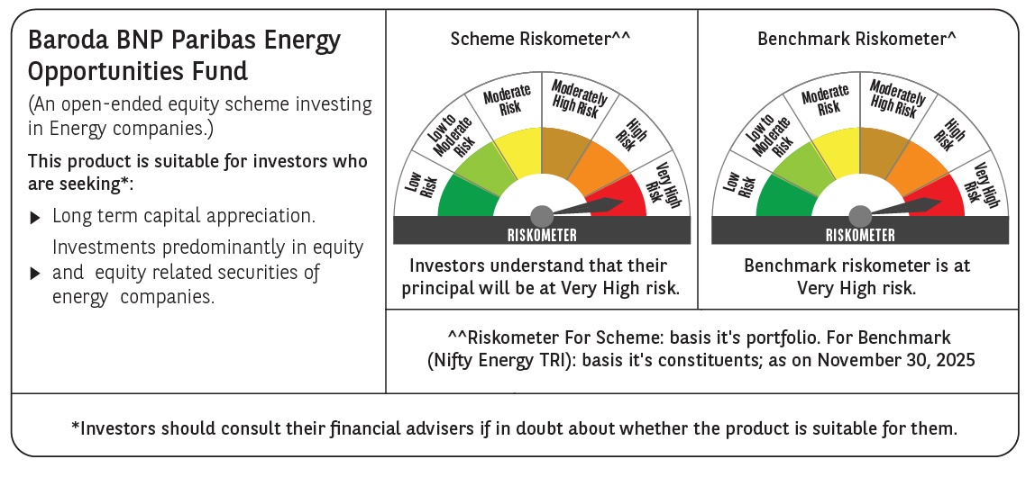

 | Monthly Performance Link: https://www.barodabnpparibasmf.in/assets/download_documents/Performance_of_Schemes_Nov-2025_15612.pdf

