T0ME43
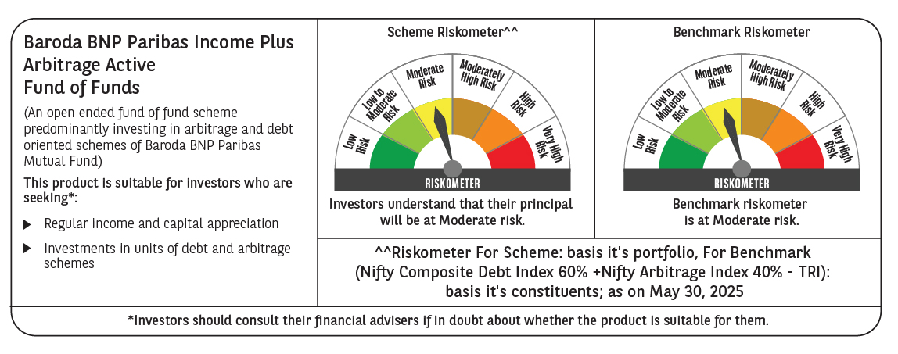
 | BBP Income Plus Arbitrage Active FOF

 | Monthly Portfolio Statement as on May 31, 2025
 | Name of the Instrument | ISIN | Industry / Rating | Quantity | Market/Fair Value (Rs. in Lakhs) | % to Net Assets | YTM~ | YTC^ | null
 | Others
 | Mutual Fund Units
150237 | Baroda BNP Paribas Corporate Bond Fund- DR GR | INF251K01GP4 |  | 16,410,026 | 4,805.30 | 60.41%
150251 | Baroda BNP Paribas Arbitrage Fund- DR GR | INF251K01OT0 |  | 17,815,952 | 3,004.07 | 37.77%
 | Sub Total |  |  |  | 7,809.37 | 98.18%
 | Total |  |  |  | 7,809.37 | 98.18%
 | Reverse Repo / TREPS
TRP_020625 | Clearing Corporation of India Ltd |  |  |  | 138.58 | 1.74% | 5.77%
 | Sub Total |  |  |  | 138.58 | 1.74%
 | Total |  |  |  | 138.58 | 1.74%
 | Net Receivables / (Payables) |  |  |  | 6.23 | 0.08%
 | GRAND TOTAL |  |  |  | 7,954.18 | 100.00%

 | ~ YTM as on May 31, 2025
 | ^ YTC represents Yield to Call provided by valuation agencies as on May 31, 2025. It is disclosed for Perpetual Bond issued by Banks (i.e. AT-1 Bond / Tier 1 Bond / Tier 2 Bond), as per AMFI Best Practices Guidelines Circular no. 135/BP/91/2020-21 read with SEBI circular No. SEBI/HO/IMD/DF4/CIR/P/2021/034 on Valuation of AT-1 Bonds and Tier 2 Bonds.

