T0ME43
 | BBP Income Plus Arbitrage Active FOF

 | Monthly Portfolio Statement as on October 31, 2025
 | Name of the Instrument | ISIN | Industry / Rating | Quantity | Market/Fair Value (Rs. in Lakhs) | % to Net Assets | YTM~ | YTC^ | null
 | Others
 | Mutual Fund Units
150237 | Baroda BNP Paribas Corporate Bond Fund- DR GR | INF251K01GP4 |  | 21,685,046 | 6,492.94 | 61.50%
150251 | Baroda BNP Paribas Arbitrage Fund- DR GR | INF251K01OT0 |  | 22,546,937 | 3,902.13 | 36.96%
 | Sub Total |  |  |  | 10,395.07 | 98.46%
 | Total |  |  |  | 10,395.07 | 98.46%
 | Reverse Repo / TREPS
TRP_031125 | Clearing Corporation of India Ltd |  |  |  | 159.33 | 1.51% | 5.59%
 | Sub Total |  |  |  | 159.33 | 1.51%
 | Total |  |  |  | 159.33 | 1.51%
 | Net Receivables / (Payables) |  |  |  | 2.95 | 0.03%
 | GRAND TOTAL |  |  |  | 10,557.35 | 100.00%

 | ~ YTM as on October 31, 2025
 | ^ YTC represents Yield to Call provided by valuation agencies as on October 31, 2025. It is disclosed for Perpetual Bond issued by Banks (i.e. AT-1 Bond / Tier 1 Bond / Tier 2 Bond), as per AMFI Best Practices Guidelines Circular no. 135/BP/91/2020-21 read with SEBI circular No. SEBI/HO/IMD/DF4/CIR/P/2021/034 on Valuation of AT-1 Bonds and Tier 2 Bonds.

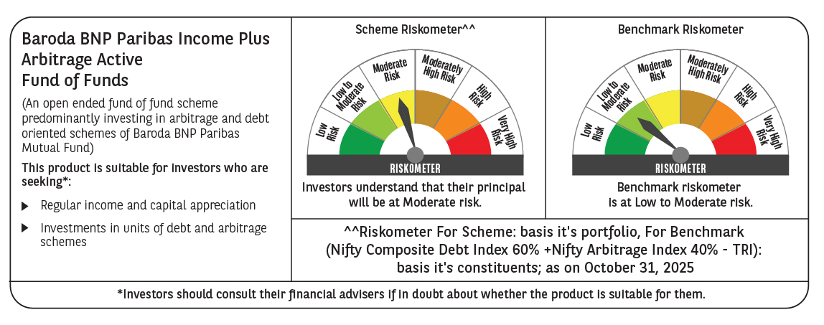

 | Monthly Performance Link: https://www.barodabnpparibasmf.in/assets/download_documents/Performance_of_Schemes-October_2025_15267.pdf

