T0ME44
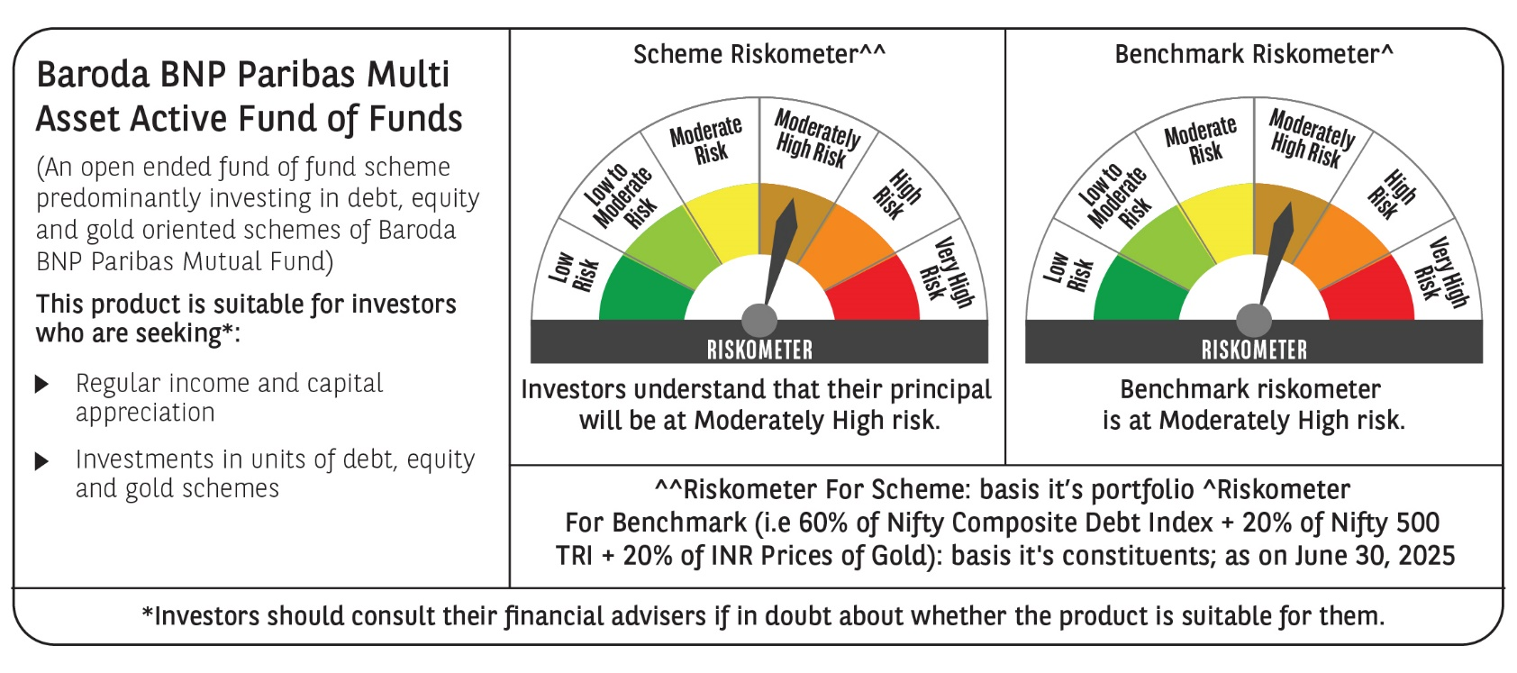
 | Baroda BNP Paribas Multi Asset Active FOF

 | Monthly Portfolio Statement as on June 30, 2025
 | Name of the Instrument | ISIN | Industry / Rating | Quantity | Market/Fair Value (Rs. in Lakhs) | % to Net Assets | YTM~ | YTC^ | null
 | Others
 | Exchange Traded Funds
152231 | Baroda BNP Paribas Gold ETF-RG | INF251K01SU9 |  | 2,700,000 | 2,527.20 | 20.02%
 | Sub Total |  |  |  | 2,527.20 | 20.02%
 | Mutual Fund Units
119400 | Baroda BNP Paribas Short Duration Dr Plan Growth | INF955L01BD5 |  | 19,493,796 | 6,209.32 | 49.18%
150187 | Baroda BNP Paribas Large Cap Direct Plan Growth | INF251K01HN7 |  | 996,559 | 2,577.58 | 20.42%
150180 | Baroda BNP Paribas Dynamic Bond Dr Plan Growth | INF251K01GW0 |  | 2,135,608 | 1,087.02 | 8.61%
 | Sub Total |  |  |  | 9,873.92 | 78.21%
 | Total |  |  |  | 12,401.12 | 98.23%
 | Reverse Repo / TREPS
TRP_010725 | Clearing Corporation of India Ltd |  |  |  | 229.20 | 1.82% | 5.47%
 | Sub Total |  |  |  | 229.20 | 1.82%
 | Total |  |  |  | 229.20 | 1.82%
 | Net Receivables / (Payables) |  |  |  | (4.95) | (0.05)%
 | GRAND TOTAL |  |  |  | 12,625.37 | 100.00%

 | ~ YTM as on June 30, 2025
 | ^ YTC represents Yield to Call provided by valuation agencies as on June 30, 2025. It is disclosed for Perpetual Bond issued by Banks (i.e. AT-1 Bond / Tier 1 Bond / Tier 2 Bond), as per AMFI Best Practices Guidelines Circular no. 135/BP/91/2020-21 read with SEBI circular No. SEBI/HO/IMD/DF4/CIR/P/2021/034 on Valuation of AT-1 Bonds and Tier 2 Bonds.

