T0ME44
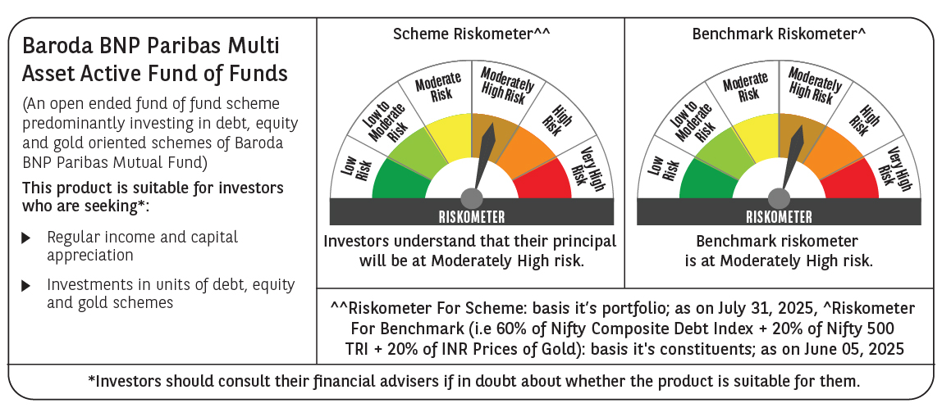
 | Baroda BNP Paribas Multi Asset Active FOF

 | Monthly Portfolio Statement as on July 31, 2025
 | Name of the Instrument | ISIN | Industry / Rating | Quantity | Market/Fair Value (Rs. in Lakhs) | % to Net Assets | YTM~ | YTC^ | null
 | Others
 | Exchange Traded Funds
152231 | Baroda BNP Paribas Gold ETF-RG | INF251K01SU9 |  | 2,700,000 | 2,605.50 | 21.04%
 | Sub Total |  |  |  | 2,605.50 | 21.04%
 | Mutual Fund Units
119400 | Baroda BNP Paribas Short Duration Dr Plan Growth | INF955L01BD5 |  | 19,493,796 | 6,247.78 | 50.45%
150187 | Baroda BNP Paribas Large Cap Direct Plan Growth | INF251K01HN7 |  | 956,862 | 2,408.37 | 19.45%
150180 | Baroda BNP Paribas Dynamic Bond Dr Plan Growth | INF251K01GW0 |  | 1,744,500 | 890.68 | 7.19%
 | Sub Total |  |  |  | 9,546.83 | 77.09%
 | Total |  |  |  | 12,152.33 | 98.13%
 | Reverse Repo / TREPS
TRP_010825 | Clearing Corporation of India Ltd |  |  |  | 232.85 | 1.88% | 5.42%
 | Sub Total |  |  |  | 232.85 | 1.88%
 | Total |  |  |  | 232.85 | 1.88%
 | Net Receivables / (Payables) |  |  |  | (1.46) | (0.01)%
 | GRAND TOTAL |  |  |  | 12,383.72 | 100.00%

 | ~ YTM as on July 31, 2025
 | ^ YTC represents Yield to Call provided by valuation agencies as on July 31, 2025. It is disclosed for Perpetual Bond issued by Banks (i.e. AT-1 Bond / Tier 1 Bond / Tier 2 Bond), as per AMFI Best Practices Guidelines Circular no. 135/BP/91/2020-21 read with SEBI circular No. SEBI/HO/IMD/DF4/CIR/P/2021/034 on Valuation of AT-1 Bonds and Tier 2 Bonds.

