T0ME44
 | Baroda BNP Paribas Multi Asset Active FOF

 | Monthly Portfolio Statement as on October 31, 2025
 | Name of the Instrument | ISIN | Industry / Rating | Quantity | Market/Fair Value (Rs. in Lakhs) | % to Net Assets | YTM~ | YTC^ | null
 | Others
 | Exchange Traded Funds
152231 | Baroda BNP Paribas Gold ETF-RG | INF251K01SU9 |  | 2,225,404 | 2,611.51 | 21.31%
 | Sub Total |  |  |  | 2,611.51 | 21.31%
 | Mutual Fund Units
119400 | Baroda BNP Paribas Short Duration Dr Plan Growth | INF955L01BD5 |  | 19,181,455 | 6,235.09 | 50.87%
150187 | Baroda BNP Paribas Large Cap Direct Plan Growth | INF251K01HN7 |  | 936,897 | 2,419.15 | 19.74%
150180 | Baroda BNP Paribas Dynamic Bond Dr Plan Growth | INF251K01GW0 |  | 1,744,500 | 893.80 | 7.29%
 | Sub Total |  |  |  | 9,548.04 | 77.90%
 | Total |  |  |  | 12,159.55 | 99.21%
 | Reverse Repo / TREPS
TRP_031125 | Clearing Corporation of India Ltd |  |  |  | 103.02 | 0.84% | 5.59%
 | Sub Total |  |  |  | 103.02 | 0.84%
 | Total |  |  |  | 103.02 | 0.84%
 | Net Receivables / (Payables) |  |  |  | (6.40) | (0.05)%
 | GRAND TOTAL |  |  |  | 12,256.17 | 100.00%

 | ~ YTM as on October 31, 2025
 | ^ YTC represents Yield to Call provided by valuation agencies as on October 31, 2025. It is disclosed for Perpetual Bond issued by Banks (i.e. AT-1 Bond / Tier 1 Bond / Tier 2 Bond), as per AMFI Best Practices Guidelines Circular no. 135/BP/91/2020-21 read with SEBI circular No. SEBI/HO/IMD/DF4/CIR/P/2021/034 on Valuation of AT-1 Bonds and Tier 2 Bonds.

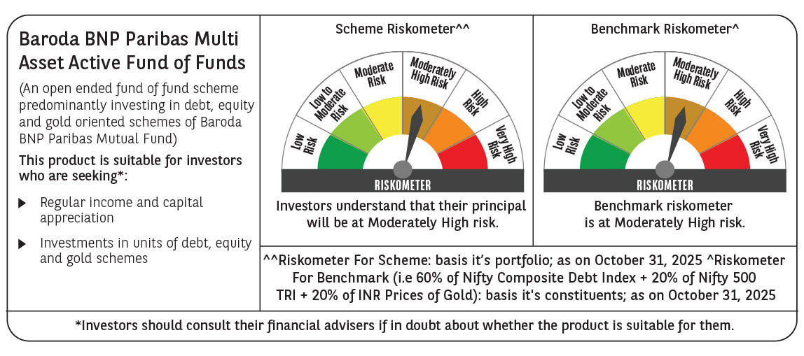

 | Monthly Performance Link: https://www.barodabnpparibasmf.in/assets/download_documents/Performance_of_Schemes-October_2025_15267.pdf

