T0ME45
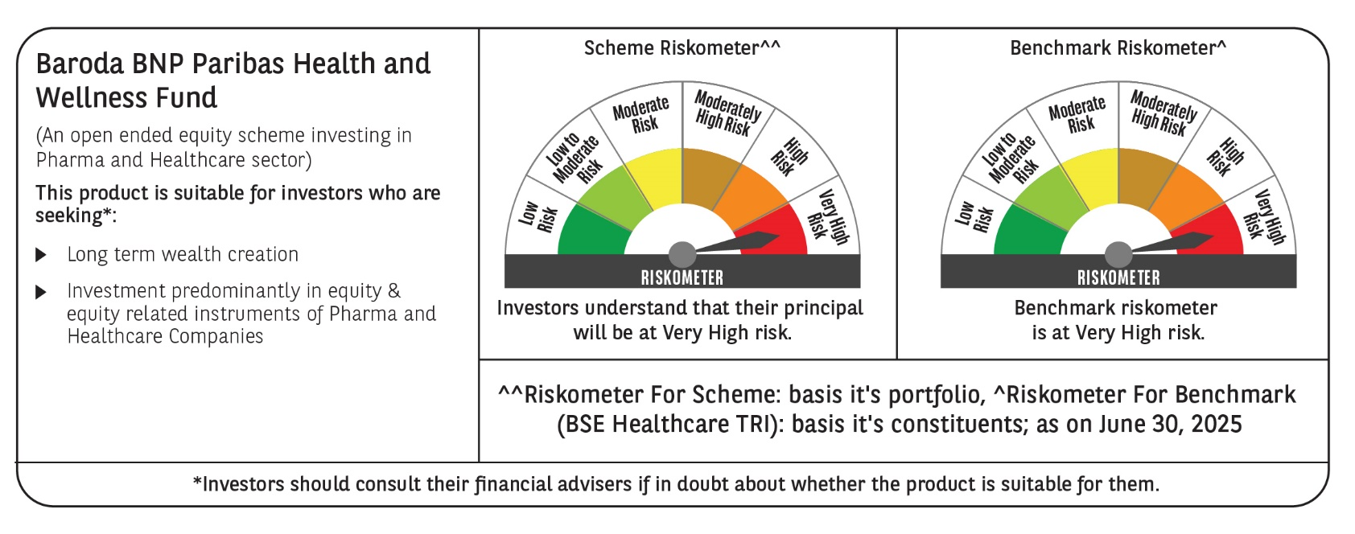
 | Baroda BNP Paribas Health and Wellness Fund

 | Monthly Portfolio Statement as on June 30, 2025
 | Name of the Instrument | ISIN | Industry | Quantity | Market/Fair Value (Rs. in Lakhs) | % to Net Assets | YTM~ | YTC^ | null
 | Equity & Equity related
 | (a) Listed / awaiting listing on Stock Exchanges
DIVI02 | Divi's Laboratories Limited | INE361B01024 | Pharmaceuticals & Biotechnology | 25,000 | 1,702.38 | 2.70%
SPIL03 | Sun Pharmaceutical Industries Limited | INE044A01036 | Pharmaceuticals & Biotechnology | 50,000 | 837.85 | 1.33%
FRHL01 | Fortis Healthcare Limited | INE061F01013 | Healthcare Services | 100,000 | 794.50 | 1.26%
CIPL03 | Cipla Limited | INE059A01026 | Pharmaceuticals & Biotechnology | 50,000 | 752.95 | 1.19%
LAUR02 | Laurus Labs Limited | INE947Q01028 | Pharmaceuticals & Biotechnology | 100,000 | 724.85 | 1.15%
ADHL01 | Aster DM Healthcare Limited | INE914M01019 | Healthcare Services | 100,000 | 596.05 | 0.94%
TOPH02 | Torrent Pharmaceuticals Limited | INE685A01028 | Pharmaceuticals & Biotechnology | 15,000 | 511.23 | 0.81%
ASPH02 | AstraZeneca Pharma India Limited | INE203A01020 | Pharmaceuticals & Biotechnology | 5,000 | 445.43 | 0.71%
CONB01 | Concord Biotech Limited | INE338H01029 | Pharmaceuticals & Biotechnology | 20,000 | 367.92 | 0.58%
APOL02 | Apollo Hospitals Enterprise Limited | INE437A01024 | Healthcare Services | 5,000 | 362.10 | 0.57%
BOOT01 | Abbott India Limited | INE358A01014 | Pharmaceuticals & Biotechnology | 1,000 | 356.70 | 0.57%
JBCH03 | JB Chemicals & Pharmaceuticals Limited | INE572A01036 | Pharmaceuticals & Biotechnology | 20,000 | 335.86 | 0.53%
MAHE01 | Max Healthcare Institute Limited | INE027H01010 | Healthcare Services | 25,000 | 319.00 | 0.51%
HOCH01 | Sanofi India Limited | INE058A01010 | Pharmaceuticals & Biotechnology | 4,600 | 293.09 | 0.46%
AJPH03 | Ajanta Pharma Limited | INE031B01049 | Pharmaceuticals & Biotechnology | 10,000 | 257.41 | 0.41%
RACM01 | Rainbow Childrens Medicare Limited | INE961O01016 | Healthcare Services | 11,280 | 176.19 | 0.28%
 | Sub Total |  |  |  | 8,833.51 | 14.00%
 | (b) Unlisted |  |  |  | NIL | NIL
 | Sub Total |  |  |  | NIL | NIL
 | Total |  |  |  | 8,833.51 | 14.00%
 | Reverse Repo / TREPS
TRP_010725 | Clearing Corporation of India Ltd |  |  |  | 62,875.93 | 99.65% | 5.47%
 | Sub Total |  |  |  | 62,875.93 | 99.65%
 | Total |  |  |  | 62,875.93 | 99.65%
 | Net Receivables / (Payables) |  |  |  | (8,612.25) | (13.65)%
 | GRAND TOTAL |  |  |  | 63,097.19 | 100.00%

 | ~ YTM as on June 30, 2025
 | ^ YTC represents Yield to Call provided by valuation agencies as on June 30, 2025. It is disclosed for Perpetual Bond issued by Banks (i.e. AT-1 Bond / Tier 1 Bond / Tier 2 Bond), as per AMFI Best Practices Guidelines Circular no. 135/BP/91/2020-21 read with SEBI circular No. SEBI/HO/IMD/DF4/CIR/P/2021/034 on Valuation of AT-1 Bonds and Tier 2 Bonds.

