T0ME45
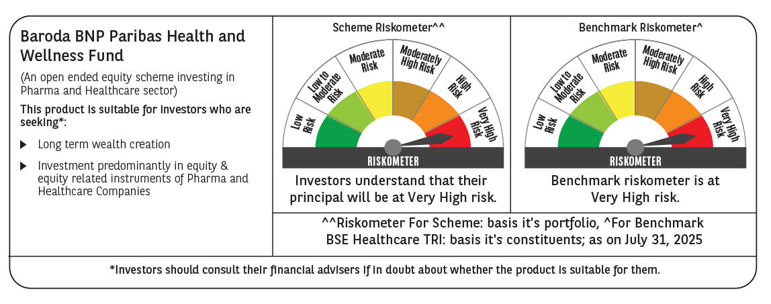
 | Baroda BNP Paribas Health and Wellness Fund

 | Monthly Portfolio Statement as on July 31, 2025
 | Name of the Instrument | ISIN | Industry | Quantity | Market/Fair Value (Rs. in Lakhs) | % to Net Assets | YTM~ | YTC^ | null
 | Equity & Equity related
 | (a) Listed / awaiting listing on Stock Exchanges
SPIL03 | Sun Pharmaceutical Industries Limited | INE044A01036 | Pharmaceuticals & Biotechnology | 475,000 | 8,106.83 | 12.09%
DIVI02 | Divi's Laboratories Limited | INE361B01024 | Pharmaceuticals & Biotechnology | 60,000 | 3,957.30 | 5.90%
APOL02 | Apollo Hospitals Enterprise Limited | INE437A01024 | Healthcare Services | 50,000 | 3,749.00 | 5.59%
MKIP01 | Mankind Pharma Limited | INE634S01028 | Pharmaceuticals & Biotechnology | 143,843 | 3,692.74 | 5.51%
CIPL03 | Cipla Limited | INE059A01026 | Pharmaceuticals & Biotechnology | 222,500 | 3,458.99 | 5.16%
MAHE01 | Max Healthcare Institute Limited | INE027H01010 | Healthcare Services | 257,000 | 3,202.22 | 4.78%
FRHL01 | Fortis Healthcare Limited | INE061F01013 | Healthcare Services | 315,000 | 2,700.97 | 4.03%
GLAN02 | Gland Pharma Limited | INE068V01023 | Pharmaceuticals & Biotechnology | 116,750 | 2,410.65 | 3.60%
BOOT01 | Abbott India Limited | INE358A01014 | Pharmaceuticals & Biotechnology | 7,000 | 2,408.35 | 3.59%
ADHL01 | Aster DM Healthcare Limited | INE914M01019 | Healthcare Services | 380,000 | 2,298.62 | 3.43%
TOPH02 | Torrent Pharmaceuticals Limited | INE685A01028 | Pharmaceuticals & Biotechnology | 58,500 | 2,189.01 | 3.27%
AJPH03 | Ajanta Pharma Limited | INE031B01049 | Pharmaceuticals & Biotechnology | 74,350 | 2,045.67 | 3.05%
SUVP01 | Cohance Lifesciences Limited | INE03QK01018 | Pharmaceuticals & Biotechnology | 200,000 | 1,996.90 | 2.98%
BIOC01 | Biocon Limited | INE376G01013 | Pharmaceuticals & Biotechnology | 510,000 | 1,996.14 | 2.98%
IPCA03 | IPCA Laboratories Limited | INE571A01038 | Pharmaceuticals & Biotechnology | 129,582 | 1,909.91 | 2.85%
ASPH02 | AstraZeneca Pharma India Limited | INE203A01020 | Pharmaceuticals & Biotechnology | 20,000 | 1,837.20 | 2.74%
IPLI01 | ICICI Prudential Life Insurance Company Limited | INE726G01019 | Insurance | 290,000 | 1,786.26 | 2.66%
JBCH03 | JB Chemicals & Pharmaceuticals Limited | INE572A01036 | Pharmaceuticals & Biotechnology | 100,000 | 1,769.30 | 2.64%
AUPH03 | Aurobindo Pharma Limited | INE406A01037 | Pharmaceuticals & Biotechnology | 150,000 | 1,709.70 | 2.55%
LAUR02 | Laurus Labs Limited | INE947Q01028 | Pharmaceuticals & Biotechnology | 190,500 | 1,665.64 | 2.48%
RACM01 | Rainbow Childrens Medicare Limited | INE961O01016 | Healthcare Services | 101,648 | 1,549.52 | 2.31%
CONB01 | Concord Biotech Limited | INE338H01029 | Pharmaceuticals & Biotechnology | 84,000 | 1,484.53 | 2.21%
POME02 | Poly Medicure Limited | INE205C01021 | Healthcare Equipment & Supplies | 75,000 | 1,453.35 | 2.17%
DRRL03 | Dr. Reddy's Laboratories Limited | INE089A01031 | Pharmaceuticals & Biotechnology | 75,000 | 952.73 | 1.42%
DLPL01 | Dr. Lal Path Labs Limited | INE600L01024 | Healthcare Services | 26,584 | 837.64 | 1.25%
NAPH02 | Natco Pharma Limited | INE987B01026 | Pharmaceuticals & Biotechnology | 75,000 | 715.05 | 1.07%
LUPL02 | Lupin Limited | INE326A01037 | Pharmaceuticals & Biotechnology | 20,000 | 385.82 | 0.58%
HOCH01 | Sanofi India Limited | INE058A01010 | Pharmaceuticals & Biotechnology | 4,600 | 267.95 | 0.40%
 | Sub Total |  |  |  | 62,537.99 | 93.29%
 | (b) Unlisted |  |  |  | NIL | NIL
 | Sub Total |  |  |  | NIL | NIL
 | Total |  |  |  | 62,537.99 | 93.29%
 | Reverse Repo / TREPS
TRP_010825 | Clearing Corporation of India Ltd |  |  |  | 9,063.17 | 13.52% | 5.42%
 | Sub Total |  |  |  | 9,063.17 | 13.52%
 | Total |  |  |  | 9,063.17 | 13.52%
 | Net Receivables / (Payables) |  |  |  | (4,559.18) | (6.81)%
 | GRAND TOTAL |  |  |  | 67,041.98 | 100.00%

 | ~ YTM as on July 31, 2025
 | ^ YTC represents Yield to Call provided by valuation agencies as on July 31, 2025. It is disclosed for Perpetual Bond issued by Banks (i.e. AT-1 Bond / Tier 1 Bond / Tier 2 Bond), as per AMFI Best Practices Guidelines Circular no. 135/BP/91/2020-21 read with SEBI circular No. SEBI/HO/IMD/DF4/CIR/P/2021/034 on Valuation of AT-1 Bonds and Tier 2 Bonds.

