T0ME45
 | Baroda BNP Paribas Health and Wellness Fund

 | Monthly Portfolio Statement as on August 31, 2025
 | Name of the Instrument | ISIN | Industry | Quantity | Market/Fair Value (Rs. in Lakhs) | % to Net Assets | YTM~ | YTC^ | null
 | Equity & Equity related
 | (a) Listed / awaiting listing on Stock Exchanges
SPIL03 | Sun Pharmaceutical Industries Limited | INE044A01036 | Pharmaceuticals & Biotechnology | 500,000 | 7,972.50 | 12.51%
DIVI02 | Divi's Laboratories Limited | INE361B01024 | Pharmaceuticals & Biotechnology | 75,000 | 4,598.63 | 7.22%
APOL02 | Apollo Hospitals Enterprise Limited | INE437A01024 | Healthcare Services | 50,000 | 3,805.00 | 5.97%
MKIP01 | Mankind Pharma Limited | INE634S01028 | Pharmaceuticals & Biotechnology | 150,000 | 3,707.10 | 5.82%
CIPL03 | Cipla Limited | INE059A01026 | Pharmaceuticals & Biotechnology | 222,500 | 3,536.42 | 5.55%
MAHE01 | Max Healthcare Institute Limited | INE027H01010 | Healthcare Services | 270,000 | 3,116.61 | 4.89%
ADHL01 | Aster DM Healthcare Limited | INE914M01019 | Healthcare Services | 380,000 | 2,283.99 | 3.58%
BOOT01 | Abbott India Limited | INE358A01014 | Pharmaceuticals & Biotechnology | 7,000 | 2,203.60 | 3.46%
TOPH02 | Torrent Pharmaceuticals Limited | INE685A01028 | Pharmaceuticals & Biotechnology | 58,500 | 2,082.48 | 3.27%
AJPH03 | Ajanta Pharma Limited | INE031B01049 | Pharmaceuticals & Biotechnology | 74,350 | 1,842.10 | 2.89%
IPCA03 | IPCA Laboratories Limited | INE571A01038 | Pharmaceuticals & Biotechnology | 129,582 | 1,793.93 | 2.81%
BIOC01 | Biocon Limited | INE376G01013 | Pharmaceuticals & Biotechnology | 510,000 | 1,776.59 | 2.79%
SUVP01 | Cohance Lifesciences Limited | INE03QK01018 | Pharmaceuticals & Biotechnology | 200,000 | 1,761.20 | 2.76%
IPLI01 | ICICI Prudential Life Insurance Company Limited | INE726G01019 | Insurance | 290,000 | 1,739.57 | 2.73%
JBCH03 | JB Chemicals & Pharmaceuticals Limited | INE572A01036 | Pharmaceuticals & Biotechnology | 100,000 | 1,724.30 | 2.71%
ASPH02 | AstraZeneca Pharma India Limited | INE203A01020 | Pharmaceuticals & Biotechnology | 20,000 | 1,692.10 | 2.65%
GLAN02 | Gland Pharma Limited | INE068V01023 | Pharmaceuticals & Biotechnology | 90,000 | 1,684.35 | 2.64%
RACM01 | Rainbow Childrens Medicare Limited | INE961O01016 | Healthcare Services | 110,000 | 1,652.31 | 2.59%
POME02 | Poly Medicure Limited | INE205C01021 | Healthcare Equipment & Supplies | 75,000 | 1,564.05 | 2.45%
AUPH03 | Aurobindo Pharma Limited | INE406A01037 | Pharmaceuticals & Biotechnology | 150,000 | 1,541.85 | 2.42%
CONB01 | Concord Biotech Limited | INE338H01029 | Pharmaceuticals & Biotechnology | 84,000 | 1,412.63 | 2.22%
DRRL03 | Dr. Reddy's Laboratories Limited | INE089A01031 | Pharmaceuticals & Biotechnology | 100,000 | 1,260.10 | 1.98%
LAUR02 | Laurus Labs Limited | INE947Q01028 | Pharmaceuticals & Biotechnology | 140,000 | 1,199.66 | 1.88%
FRHL01 | Fortis Healthcare Limited | INE061F01013 | Healthcare Services | 100,000 | 911.50 | 1.43%
DLPL01 | Dr. Lal Path Labs Limited | INE600L01024 | Healthcare Services | 26,584 | 879.64 | 1.38%
NAPH02 | Natco Pharma Limited | INE987B01026 | Pharmaceuticals & Biotechnology | 100,000 | 862.00 | 1.35%
MEDP01 | MedPlus Health Services Limited | INE804L01022 | Retailing | 100,000 | 841.95 | 1.32%
LUPL02 | Lupin Limited | INE326A01037 | Pharmaceuticals & Biotechnology | 30,000 | 568.47 | 0.89%
 | Sub Total |  |  |  | 60,014.63 | 94.16%
 | (b) Unlisted |  |  |  | NIL | NIL
 | Sub Total |  |  |  | NIL | NIL
 | Total |  |  |  | 60,014.63 | 94.16%
 | Reverse Repo / TREPS
TRP_010925 | Clearing Corporation of India Ltd |  |  |  | 3,863.14 | 6.06% | 5.39%
 | Sub Total |  |  |  | 3,863.14 | 6.06%
 | Total |  |  |  | 3,863.14 | 6.06%
 | Net Receivables / (Payables) |  |  |  | (142.11) | (0.22)%
 | GRAND TOTAL |  |  |  | 63,735.66 | 100.00%

 | ~ YTM as on August 31, 2025
 | ^ YTC represents Yield to Call provided by valuation agencies as on August 31, 2025. It is disclosed for Perpetual Bond issued by Banks (i.e. AT-1 Bond / Tier 1 Bond / Tier 2 Bond), as per AMFI Best Practices Guidelines Circular no. 135/BP/91/2020-21 read with SEBI circular No. SEBI/HO/IMD/DF4/CIR/P/2021/034 on Valuation of AT-1 Bonds and Tier 2 Bonds.

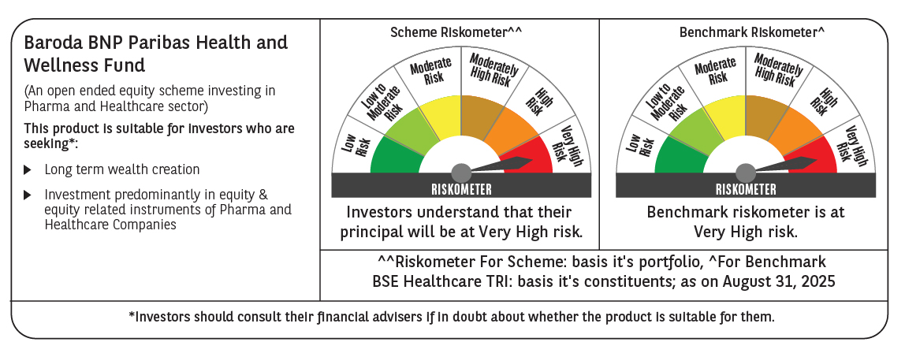

 | Monthly Performance Link: https://www.barodabnpparibasmf.in/assets/download_documents/Performance_of_Schemes_14126.pdf

