Monthly Portfolio
 | Baroda BNP Paribas Health and Wellness Fund

 | Monthly Portfolio Statement as on September 30, 2025
 | Name of the Instrument | ISIN | Industry | Quantity | Market/Fair Value (Rs. in Lakhs) | % to Net Assets | YTM~ | YTC^ | null
 | Equity & Equity related
 | (a) Listed / awaiting listing on Stock Exchanges
SPIL03 | Sun Pharmaceutical Industries Limited | INE044A01036 | Pharmaceuticals & Biotechnology | 410,000 | 6,536.63 | 10.64%
DIVI02 | Divi's Laboratories Limited | INE361B01024 | Pharmaceuticals & Biotechnology | 82,500 | 4,693.84 | 7.64%
MKIP01 | Mankind Pharma Limited | INE634S01028 | Pharmaceuticals & Biotechnology | 190,000 | 4,627.83 | 7.53%
APOL02 | Apollo Hospitals Enterprise Limited | INE437A01024 | Healthcare Services | 50,000 | 3,704.50 | 6.03%
CIPL03 | Cipla Limited | INE059A01026 | Pharmaceuticals & Biotechnology | 222,500 | 3,344.84 | 5.44%
MAHE01 | Max Healthcare Institute Limited | INE027H01010 | Healthcare Services | 300,000 | 3,344.10 | 5.44%
BOOT01 | Abbott India Limited | INE358A01014 | Pharmaceuticals & Biotechnology | 9,000 | 2,636.10 | 4.29%
ADHL01 | Aster DM Healthcare Limited | INE914M01019 | Healthcare Services | 400,000 | 2,507.80 | 4.08%
TOPH02 | Torrent Pharmaceuticals Limited | INE685A01028 | Pharmaceuticals & Biotechnology | 65,000 | 2,342.08 | 3.81%
ASPH02 | AstraZeneca Pharma India Limited | INE203A01020 | Pharmaceuticals & Biotechnology | 22,500 | 2,048.74 | 3.33%
GLAN02 | Gland Pharma Limited | INE068V01023 | Pharmaceuticals & Biotechnology | 90,000 | 1,792.44 | 2.92%
AJPH03 | Ajanta Pharma Limited | INE031B01049 | Pharmaceuticals & Biotechnology | 74,350 | 1,789.08 | 2.91%
SUVP01 | Cohance Lifesciences Limited | INE03QK01018 | Pharmaceuticals & Biotechnology | 200,000 | 1,758.20 | 2.86%
BIOC01 | Biocon Limited | INE376G01013 | Pharmaceuticals & Biotechnology | 510,000 | 1,739.10 | 2.83%
IPCA03 | IPCA Laboratories Limited | INE571A01038 | Pharmaceuticals & Biotechnology | 129,582 | 1,735.10 | 2.82%
IPLI01 | ICICI Prudential Life Insurance Company Limited | INE726G01019 | Insurance | 290,000 | 1,726.08 | 2.81%
JBCH03 | JB Chemicals & Pharmaceuticals Limited | INE572A01036 | Pharmaceuticals & Biotechnology | 100,000 | 1,709.70 | 2.78%
NAPH02 | Natco Pharma Limited | INE987B01026 | Pharmaceuticals & Biotechnology | 200,000 | 1,591.10 | 2.59%
RACM01 | Rainbow Childrens Medicare Limited | INE961O01016 | Healthcare Services | 110,000 | 1,491.60 | 2.43%
POME02 | Poly Medicure Limited | INE205C01021 | Healthcare Equipment & Supplies | 75,000 | 1,461.08 | 2.38%
DRRL03 | Dr. Reddy's Laboratories Limited | INE089A01031 | Pharmaceuticals & Biotechnology | 100,000 | 1,223.70 | 1.99%
LUPL02 | Lupin Limited | INE326A01037 | Pharmaceuticals & Biotechnology | 60,000 | 1,146.78 | 1.87%
FRHL01 | Fortis Healthcare Limited | INE061F01013 | Healthcare Services | 100,000 | 969.80 | 1.58%
MEDP01 | MedPlus Health Services Limited | INE804L01022 | Retailing | 115,000 | 871.07 | 1.42%
CONB01 | Concord Biotech Limited | INE338H01029 | Pharmaceuticals & Biotechnology | 50,000 | 823.85 | 1.34%
DLPL01 | Dr. Lal Path Labs Limited | INE600L01024 | Healthcare Services | 20,000 | 623.62 | 1.01%
 | Sub Total |  |  |  | 58,238.76 | 94.77%
 | (b) Unlisted |  |  |  | NIL | NIL
 | Sub Total |  |  |  | NIL | NIL
 | Total |  |  |  | 58,238.76 | 94.77%
 | Reverse Repo / TREPS
TRP_011025 | Clearing Corporation of India Ltd |  |  |  | 4,844.75 | 7.88% | 5.53%
 | Sub Total |  |  |  | 4,844.75 | 7.88%
 | Total |  |  |  | 4,844.75 | 7.88%
 | Net Receivables / (Payables) |  |  |  | (1,634.06) | (2.65)%
 | GRAND TOTAL |  |  |  | 61,449.45 | 100.00%

 | ~ YTM as on September 30, 2025
 | ^ YTC represents Yield to Call provided by valuation agencies as on September 30, 2025. It is disclosed for Perpetual Bond issued by Banks (i.e. AT-1 Bond / Tier 1 Bond / Tier 2 Bond), as per AMFI Best Practices Guidelines Circular no. 135/BP/91/2020-21 read with SEBI circular No. SEBI/HO/IMD/DF4/CIR/P/2021/034 on Valuation of AT-1 Bonds and Tier 2 Bonds.

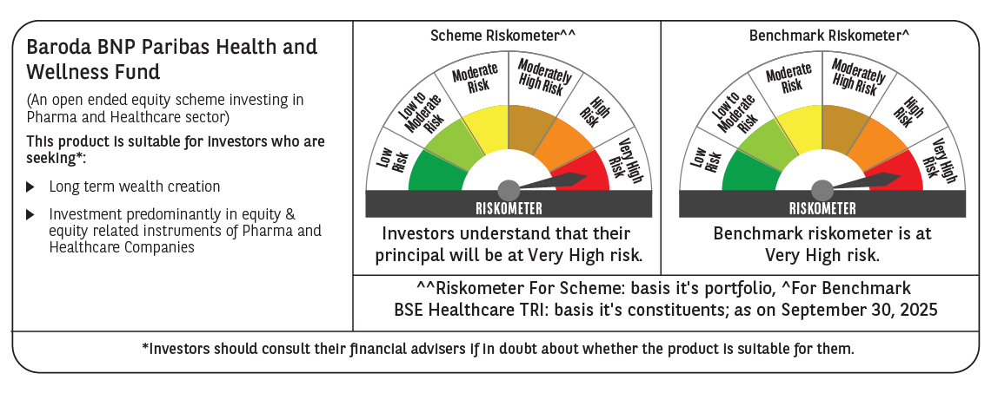

 | Monthly Performance Link: https://www.barodabnpparibasmf.in/assets/download_documents/Performance_of_Schemes_September_14618.pdf

