T0ME45
 | Baroda BNP Paribas Health and Wellness Fund

 | Monthly Portfolio Statement as on October 31, 2025
 | Name of the Instrument | ISIN | Industry | Quantity | Market/Fair Value (Rs. in Lakhs) | % to Net Assets | YTM~ | YTC^ | null
 | Equity & Equity related
 | (a) Listed / awaiting listing on Stock Exchanges
SPIL03 | Sun Pharmaceutical Industries Limited | INE044A01036 | Pharmaceuticals & Biotechnology | 340,000 | 5,748.38 | 9.25%
MKIP01 | Mankind Pharma Limited | INE634S01028 | Pharmaceuticals & Biotechnology | 190,000 | 4,529.60 | 7.29%
DIVI02 | Divi's Laboratories Limited | INE361B01024 | Pharmaceuticals & Biotechnology | 65,025 | 4,381.38 | 7.05%
APOL02 | Apollo Hospitals Enterprise Limited | INE437A01024 | Healthcare Services | 50,000 | 3,840.50 | 6.18%
MAHE01 | Max Healthcare Institute Limited | INE027H01010 | Healthcare Services | 300,000 | 3,443.40 | 5.54%
CIPL03 | Cipla Limited | INE059A01026 | Pharmaceuticals & Biotechnology | 222,500 | 3,340.39 | 5.38%
ADHL01 | Aster DM Healthcare Limited | INE914M01019 | Healthcare Services | 450,000 | 3,051.23 | 4.91%
BOOT01 | Abbott India Limited | INE358A01014 | Pharmaceuticals & Biotechnology | 9,800 | 2,841.51 | 4.57%
ASPH02 | AstraZeneca Pharma India Limited | INE203A01020 | Pharmaceuticals & Biotechnology | 26,000 | 2,484.30 | 4.00%
GLAN02 | Gland Pharma Limited | INE068V01023 | Pharmaceuticals & Biotechnology | 120,000 | 2,314.68 | 3.73%
TOPH02 | Torrent Pharmaceuticals Limited | INE685A01028 | Pharmaceuticals & Biotechnology | 65,000 | 2,314.07 | 3.73%
BIOC01 | Biocon Limited | INE376G01013 | Pharmaceuticals & Biotechnology | 510,000 | 1,897.71 | 3.06%
AJPH03 | Ajanta Pharma Limited | INE031B01049 | Pharmaceuticals & Biotechnology | 74,350 | 1,832.95 | 2.95%
RACM01 | Rainbow Childrens Medicare Limited | INE961O01016 | Healthcare Services | 130,000 | 1,780.22 | 2.87%
IPLI01 | ICICI Prudential Life Insurance Company Limited | INE726G01019 | Insurance | 290,000 | 1,714.34 | 2.76%
JBCH03 | JB Chemicals & Pharmaceuticals Limited | INE572A01036 | Pharmaceuticals & Biotechnology | 100,000 | 1,682.30 | 2.71%
IPCA03 | IPCA Laboratories Limited | INE571A01038 | Pharmaceuticals & Biotechnology | 129,582 | 1,647.25 | 2.65%
NAPH02 | Natco Pharma Limited | INE987B01026 | Pharmaceuticals & Biotechnology | 200,000 | 1,639.80 | 2.64%
SUVP01 | Cohance Lifesciences Limited | INE03QK01018 | Pharmaceuticals & Biotechnology | 200,000 | 1,506.80 | 2.43%
POME02 | Poly Medicure Limited | INE205C01021 | Healthcare Equipment & Supplies | 75,000 | 1,499.78 | 2.41%
DLPL01 | Dr. Lal Path Labs Limited | INE600L01024 | Healthcare Services | 40,000 | 1,254.20 | 2.02%
DRRL03 | Dr. Reddy's Laboratories Limited | INE089A01031 | Pharmaceuticals & Biotechnology | 100,000 | 1,197.60 | 1.93%
LUPL02 | Lupin Limited | INE326A01037 | Pharmaceuticals & Biotechnology | 60,000 | 1,178.10 | 1.90%
FRHL01 | Fortis Healthcare Limited | INE061F01013 | Healthcare Services | 100,000 | 1,023.05 | 1.65%
MEDP01 | MedPlus Health Services Limited | INE804L01022 | Retailing | 115,000 | 877.28 | 1.41%
JLLH01 | Jupiter Life Line Hospitals Limited | INE682M01012 | Healthcare Services | 20,000 | 317.66 | 0.51%
 | Sub Total |  |  |  | 59,338.48 | 95.53%
 | (b) Unlisted |  |  |  | NIL | NIL
 | Sub Total |  |  |  | NIL | NIL
 | Total |  |  |  | 59,338.48 | 95.53%
 | Reverse Repo / TREPS
TRP_031125 | Clearing Corporation of India Ltd |  |  |  | 2,939.03 | 4.73% | 5.59%
 | Sub Total |  |  |  | 2,939.03 | 4.73%
 | Total |  |  |  | 2,939.03 | 4.73%
 | Net Receivables / (Payables) |  |  |  | (162.00) | (0.26)%
 | GRAND TOTAL |  |  |  | 62,115.51 | 100.00%

 | ~ YTM as on October 31, 2025
 | ^ YTC represents Yield to Call provided by valuation agencies as on October 31, 2025. It is disclosed for Perpetual Bond issued by Banks (i.e. AT-1 Bond / Tier 1 Bond / Tier 2 Bond), as per AMFI Best Practices Guidelines Circular no. 135/BP/91/2020-21 read with SEBI circular No. SEBI/HO/IMD/DF4/CIR/P/2021/034 on Valuation of AT-1 Bonds and Tier 2 Bonds.

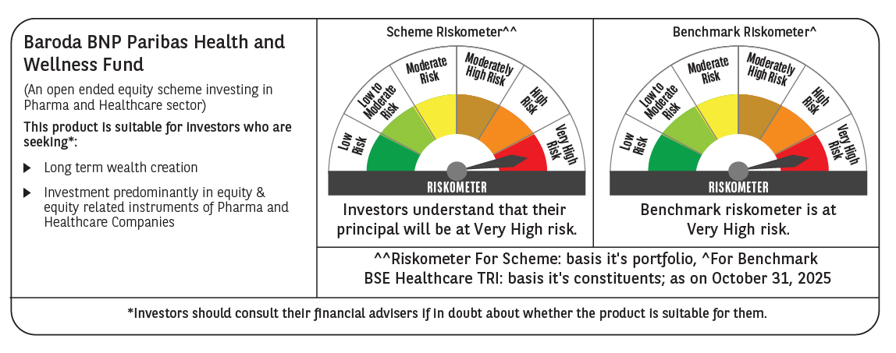

 | Monthly Performance Link: https://www.barodabnpparibasmf.in/assets/download_documents/Performance_of_Schemes-October_2025_15267.pdf

