T0ME45
 | Baroda BNP Paribas Health and Wellness Fund

 | Monthly Portfolio Statement as on November 30, 2025
 | Name of the Instrument | ISIN | Industry | Quantity | Market/Fair Value (Rs. in Lakhs) | % to Net Assets | YTM~ | YTC^ | null
 | Equity & Equity related
 | (a) Listed / awaiting listing on Stock Exchanges
SPIL03 | Sun Pharmaceutical Industries Limited | INE044A01036 | Pharmaceuticals & Biotechnology | 300,000 | 5,494.80 | 8.99%
MKIP01 | Mankind Pharma Limited | INE634S01028 | Pharmaceuticals & Biotechnology | 190,000 | 4,276.90 | 7.00%
CIPL03 | Cipla Limited | INE059A01026 | Pharmaceuticals & Biotechnology | 260,000 | 3,981.38 | 6.51%
MAHE01 | Max Healthcare Institute Limited | INE027H01010 | Healthcare Services | 330,000 | 3,837.24 | 6.28%
APOL02 | Apollo Hospitals Enterprise Limited | INE437A01024 | Healthcare Services | 50,000 | 3,667.75 | 6.00%
ADHL01 | Aster DM Healthcare Limited | INE914M01019 | Healthcare Services | 450,000 | 2,994.53 | 4.90%
BOOT01 | Abbott India Limited | INE358A01014 | Pharmaceuticals & Biotechnology | 9,800 | 2,947.35 | 4.82%
DIVI02 | Divi's Laboratories Limited | INE361B01024 | Pharmaceuticals & Biotechnology | 40,000 | 2,590.80 | 4.24%
TOPH02 | Torrent Pharmaceuticals Limited | INE685A01028 | Pharmaceuticals & Biotechnology | 65,000 | 2,418.39 | 3.96%
ASPH02 | AstraZeneca Pharma India Limited | INE203A01020 | Pharmaceuticals & Biotechnology | 26,000 | 2,346.24 | 3.84%
IPCA03 | IPCA Laboratories Limited | INE571A01038 | Pharmaceuticals & Biotechnology | 146,019 | 2,121.80 | 3.47%
GLAN02 | Gland Pharma Limited | INE068V01023 | Pharmaceuticals & Biotechnology | 120,000 | 2,111.52 | 3.45%
BIOC01 | Biocon Limited | INE376G01013 | Pharmaceuticals & Biotechnology | 510,000 | 2,031.59 | 3.32%
AJPH03 | Ajanta Pharma Limited | INE031B01049 | Pharmaceuticals & Biotechnology | 74,350 | 1,903.95 | 3.11%
LUPL02 | Lupin Limited | INE326A01037 | Pharmaceuticals & Biotechnology | 90,000 | 1,873.98 | 3.07%
IPLI01 | ICICI Prudential Life Insurance Company Limited | INE726G01019 | Insurance | 290,000 | 1,797.28 | 2.94%
JBCH03 | JB Chemicals & Pharmaceuticals Limited | INE572A01036 | Pharmaceuticals & Biotechnology | 100,000 | 1,771.30 | 2.90%
RACM01 | Rainbow Childrens Medicare Limited | INE961O01016 | Healthcare Services | 130,000 | 1,756.69 | 2.87%
DLPL01 | Dr. Lal Path Labs Limited | INE600L01024 | Healthcare Services | 50,000 | 1,525.90 | 2.50%
POME02 | Poly Medicure Limited | INE205C01021 | Healthcare Equipment & Supplies | 75,000 | 1,454.33 | 2.38%
NAPH02 | Natco Pharma Limited | INE987B01026 | Pharmaceuticals & Biotechnology | 150,000 | 1,315.88 | 2.15%
DRRL03 | Dr. Reddy's Laboratories Limited | INE089A01031 | Pharmaceuticals & Biotechnology | 100,000 | 1,258.80 | 2.06%
MEDP01 | MedPlus Health Services Limited | INE804L01022 | Retailing | 130,000 | 1,051.44 | 1.72%
FRHL01 | Fortis Healthcare Limited | INE061F01013 | Healthcare Services | 100,000 | 919.10 | 1.50%
LAUR02 | Laurus Labs Limited | INE947Q01028 | Pharmaceuticals & Biotechnology | 75,000 | 773.51 | 1.27%
JLLH01 | Jupiter Life Line Hospitals Limited | INE682M01012 | Healthcare Services | 29,398 | 435.12 | 0.71%
EMPH02 | Emcure Pharmaceuticals Limited | INE168P01015 | Pharmaceuticals & Biotechnology | 24,528 | 346.90 | 0.57%
METR01 | Metropolis Healthcare Limited | INE112L01020 | Healthcare Services | 7,936 | 153.24 | 0.25%
 | Sub Total |  |  |  | 59,157.71 | 96.78%
 | (b) Unlisted |  |  |  | NIL | NIL
 | Sub Total |  |  |  | NIL | NIL
 | Total |  |  |  | 59,157.71 | 96.78%
 | Reverse Repo / TREPS
TRP_011225 | Clearing Corporation of India Ltd |  |  |  | 2,156.76 | 3.53% | 5.43%
 | Sub Total |  |  |  | 2,156.76 | 3.53%
 | Total |  |  |  | 2,156.76 | 3.53%
 | Net Receivables / (Payables) |  |  |  | (182.11) | (0.31)%
 | GRAND TOTAL |  |  |  | 61,132.36 | 100.00%

 | ~ YTM as on November 30, 2025
 | ^ YTC represents Yield to Call provided by valuation agencies as on November 30, 2025. It is disclosed for Perpetual Bond issued by Banks (i.e. AT-1 Bond / Tier 1 Bond / Tier 2 Bond), as per AMFI Best Practices Guidelines Circular no. 135/BP/91/2020-21 read with SEBI circular No. SEBI/HO/IMD/DF4/CIR/P/2021/034 on Valuation of AT-1 Bonds and Tier 2 Bonds.

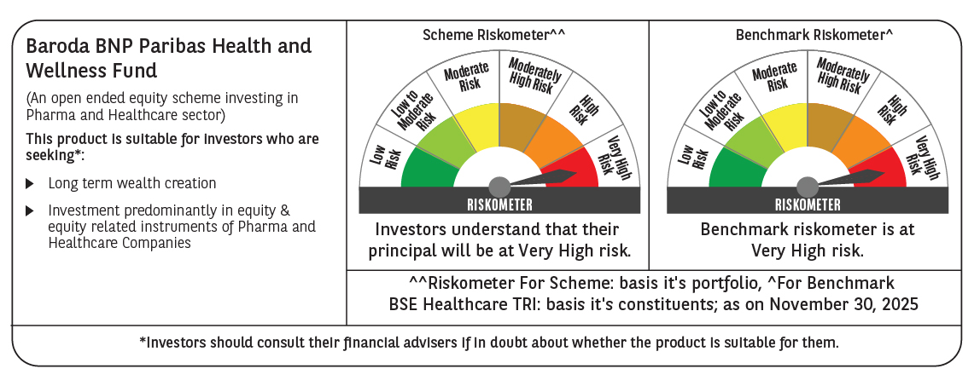

 | Monthly Performance Link: https://www.barodabnpparibasmf.in/assets/download_documents/Performance_of_Schemes_Nov-2025_15612.pdf

