T0ME46
 | Baroda BNP Paribas Gold ETF FOF

 | Monthly Portfolio Statement as on August 31, 2025
 | Name of the Instrument | ISIN | Industry / Rating | Quantity | Market/Fair Value (Rs. in Lakhs) | % to Net Assets | YTM~ | YTC^ | null
 | Others
 | Exchange Traded Funds
152231 | Baroda BNP Paribas Gold ETF-RG | INF251K01SU9 |  | 5,389,829 | 5,384.44 | 97.52%
 | Sub Total |  |  |  | 5,384.44 | 97.52%
 | Total |  |  |  | 5,384.44 | 97.52%
 | Reverse Repo / TREPS
TRP_010925 | Clearing Corporation of India Ltd |  |  |  | 115.26 | 2.09% | 5.39%
 | Sub Total |  |  |  | 115.26 | 2.09%
 | Total |  |  |  | 115.26 | 2.09%
 | Net Receivables / (Payables) |  |  |  | 21.63 | 0.39%
 | GRAND TOTAL |  |  |  | 5,521.33 | 100.00%

 | ~ YTM as on August 31, 2025
 | ^ YTC represents Yield to Call provided by valuation agencies as on August 31, 2025. It is disclosed for Perpetual Bond issued by Banks (i.e. AT-1 Bond / Tier 1 Bond / Tier 2 Bond), as per AMFI Best Practices Guidelines Circular no. 135/BP/91/2020-21 read with SEBI circular No. SEBI/HO/IMD/DF4/CIR/P/2021/034 on Valuation of AT-1 Bonds and Tier 2 Bonds.

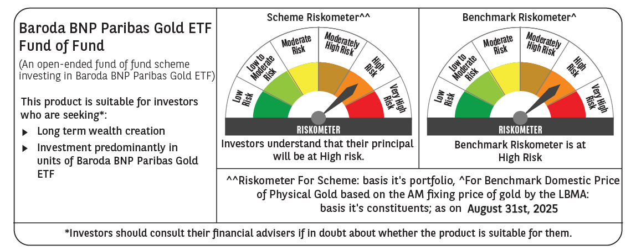

 | Monthly Performance Link: https://www.barodabnpparibasmf.in/assets/download_documents/Performance_of_Schemes_14126.pdf

