Monthly Portfolio
 | Baroda BNP Paribas Gold ETF FOF

 | Monthly Portfolio Statement as on September 30, 2025
 | Name of the Instrument | ISIN | Industry / Rating | Quantity | Market/Fair Value (Rs. in Lakhs) | % to Net Assets | YTM~ | YTC^ | null
 | Others
 | Exchange Traded Funds
152231 | Baroda BNP Paribas Gold ETF-RG | INF251K01SU9 |  | 6,870,087 | 7,721.98 | 99.87%
 | Sub Total |  |  |  | 7,721.98 | 99.87%
 | Total |  |  |  | 7,721.98 | 99.87%
 | Reverse Repo / TREPS
TRP_011025 | Clearing Corporation of India Ltd |  |  |  | 160.44 | 2.08% | 5.53%
 | Sub Total |  |  |  | 160.44 | 2.08%
 | Total |  |  |  | 160.44 | 2.08%
 | Net Receivables / (Payables) |  |  |  | (150.47) | (1.95)%
 | GRAND TOTAL |  |  |  | 7,731.95 | 100.00%

 | ~ YTM as on September 30, 2025
 | ^ YTC represents Yield to Call provided by valuation agencies as on September 30, 2025. It is disclosed for Perpetual Bond issued by Banks (i.e. AT-1 Bond / Tier 1 Bond / Tier 2 Bond), as per AMFI Best Practices Guidelines Circular no. 135/BP/91/2020-21 read with SEBI circular No. SEBI/HO/IMD/DF4/CIR/P/2021/034 on Valuation of AT-1 Bonds and Tier 2 Bonds.

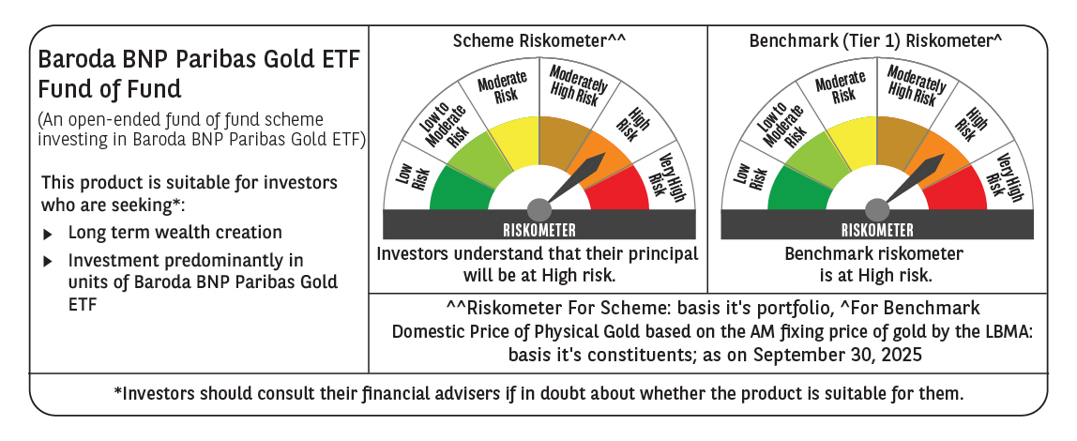

 | Monthly Performance Link: https://www.barodabnpparibasmf.in/assets/download_documents/Performance_of_Schemes_September_14618.pdf

