Monthly Portfolio
 | Baroda BNP Paribas Business Conglomerates Fund

 | Monthly Portfolio Statement as on September 30, 2025
 | Name of the Instrument | ISIN | Industry / Rating | Quantity | Market/Fair Value (Rs. in Lakhs) | % to Net Assets | YTM~ | YTC^ | null
 | Equity & Equity related
 | (a) Listed / awaiting listing on Stock Exchanges
RIND01 | Reliance Industries Limited | INE002A01018 | Petroleum Products | 126,000 | 1,718.64 | 2.28%
LARS02 | Larsen & Toubro Limited | INE018A01030 | Construction | 38,700 | 1,416.03 | 1.88%
BAFL03 | Bajaj Finance Limited | INE296A01032 | Finance | 135,000 | 1,348.52 | 1.79%
ITCL02 | ITC Limited | INE154A01025 | Diversified FMCG | 315,000 | 1,264.88 | 1.68%
MAHI02 | Mahindra & Mahindra Limited | INE101A01026 | Automobiles | 36,000 | 1,233.72 | 1.64%
HDFB03 | HDFC Bank Limited | INE040A01034 | Banks | 126,000 | 1,198.26 | 1.59%
SBAI02 | State Bank of India | INE062A01020 | Banks | 135,000 | 1,177.81 | 1.56%
BALN01 | Bajaj Auto Limited | INE917I01010 | Automobiles | 10,800 | 937.28 | 1.24%
JVSL04 | JSW Steel Limited | INE019A01038 | Ferrous Metals | 72,000 | 822.74 | 1.09%
SAEL02 | TVS Motor Company Limited | INE494B01023 | Automobiles | 22,050 | 758.23 | 1.01%
TWAT02 | Titan Company Limited | INE280A01028 | Consumer Durables | 22,500 | 757.58 | 1.01%
ICII01 | Akzo Nobel India Limited | INE133A01011 | Consumer Durables | 22,500 | 744.64 | 0.99%
BFSL02 | Bajaj Finserv Limited | INE918I01026 | Finance | 36,000 | 722.30 | 0.96%
LAKM02 | Trent Limited | INE849A01020 | Retailing | 15,300 | 715.66 | 0.95%
COFE03 | Coromandel International Limited | INE169A01031 | Fertilizers & Agrochemicals | 31,500 | 708.25 | 0.94%
ISHA01 | Gillette India Limited | INE322A01010 | Personal Products | 7,200 | 682.56 | 0.91%
MUND02 | Adani Ports and Special Economic Zone Limited | INE742F01042 | Transport Infrastructure | 45,000 | 631.58 | 0.84%
CHOL02 | Cholamandalam Investment and Finance Company Ltd | INE121A01024 | Finance | 36,000 | 579.89 | 0.77%
LTFL01 | L&T Finance Limited | INE498L01015 | Finance | 225,000 | 560.88 | 0.74%
RELS01 | Jio Financial Services Limited | INE758E01017 | Finance | 180,000 | 527.76 | 0.70%
ICEM01 | The India Cements Limited | INE383A01012 | Cement & Cement Products | 135,000 | 518.40 | 0.69%
TOPH02 | Torrent Pharmaceuticals Limited | INE685A01028 | Pharmaceuticals & Biotechnology | 13,500 | 486.43 | 0.65%
CHEL02 | Zydus Lifesciences Limited | INE010B01027 | Pharmaceuticals & Biotechnology | 36,000 | 353.48 | 0.47%
JSWC01 | JSW Cement Limited | INE718I01012 | Cement & Cement Products | 225,000 | 310.25 | 0.41%
 | Sub Total |  |  |  | 20,175.77 | 26.79%
 | (b) Unlisted |  |  |  | NIL | NIL
 | Sub Total |  |  |  | NIL | NIL
 | Total |  |  |  | 20,175.77 | 26.79%
 | Debt Instruments
 | (a) Listed / awaiting listing on Stock Exchange
GOI6156 | 6.79% Government of India (07/10/2034) | IN0020240126 | Sovereign | 1,500,000 | 1,514.85 | 2.01% | 6.75%
 | Sub Total |  |  |  | 1,514.85 | 2.01%
 | (b) Privately placed / Unlisted |  |  |  | NIL | NIL
 | Sub Total |  |  |  | NIL | NIL
 | Total |  |  |  | 1,514.85 | 2.01%
 | Reverse Repo / TREPS
TRP_011025 | Clearing Corporation of India Ltd |  |  |  | 58,140.81 | 77.14% | 5.53%
 | Sub Total |  |  |  | 58,140.81 | 77.14%
 | (b) Privately placed / Unlisted |  |  |  | NIL | NIL
 | Sub Total |  |  |  | NIL | NIL
 | Total |  |  |  | 58,140.81 | 77.14%
 | Net Receivables / (Payables) |  |  |  | (4,465.19) | (5.94)%
 | GRAND TOTAL |  |  |  | 75,366.24 | 100.00%

 | ~ YTM as on September 30, 2025
 | ^ YTC represents Yield to Call provided by valuation agencies as on September 30, 2025. It is disclosed for Perpetual Bond issued by Banks (i.e. AT-1 Bond / Tier 1 Bond / Tier 2 Bond), as per AMFI Best Practices Guidelines Circular no. 135/BP/91/2020-21 read with SEBI circular No. SEBI/HO/IMD/DF4/CIR/P/2021/034 on Valuation of AT-1 Bonds and Tier 2 Bonds.

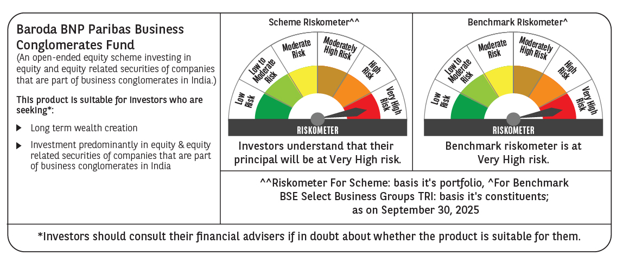

 | Monthly Performance Link: https://www.barodabnpparibasmf.in/assets/download_documents/Performance_of_Schemes_September_14618.pdf

