T0ME47
 | Baroda BNP Paribas Business Conglomerates Fund

 | Monthly Portfolio Statement as on October 31, 2025
 | Name of the Instrument | ISIN | Industry / Rating | Quantity | Market/Fair Value (Rs. in Lakhs) | % to Net Assets | YTM~ | YTC^ | null
 | Equity & Equity related
 | (a) Listed / awaiting listing on Stock Exchanges
LARS02 | Larsen & Toubro Limited | INE018A01030 | Construction | 189,000 | 7,618.40 | 9.85%
RIND01 | Reliance Industries Limited | INE002A01018 | Petroleum Products | 423,000 | 6,287.47 | 8.13%
MAHI02 | Mahindra & Mahindra Limited | INE101A01026 | Automobiles | 162,000 | 5,649.26 | 7.30%
BAFL03 | Bajaj Finance Limited | INE296A01032 | Finance | 324,000 | 3,378.67 | 4.37%
TCSL01 | Tata Consultancy Services Limited | INE467B01029 | IT - Software | 108,000 | 3,302.64 | 4.27%
ITCL02 | ITC Limited | INE154A01025 | Diversified FMCG | 450,000 | 1,891.58 | 2.45%
BALN01 | Bajaj Auto Limited | INE917I01010 | Automobiles | 19,800 | 1,760.72 | 2.28%
JVSL04 | JSW Steel Limited | INE019A01038 | Ferrous Metals | 135,000 | 1,628.10 | 2.10%
ULCC01 | UltraTech Cement Limited | INE481G01011 | Cement & Cement Products | 13,500 | 1,612.85 | 2.09%
SBAI02 | State Bank of India | INE062A01020 | Banks | 171,000 | 1,602.27 | 2.07%
MUND02 | Adani Ports and Special Economic Zone Limited | INE742F01042 | Transport Infrastructure | 108,000 | 1,567.62 | 2.03%
HDFB03 | HDFC Bank Limited | INE040A01034 | Banks | 157,500 | 1,555.00 | 2.01%
TCAL01 | Tata Capital Limited | INE976I01016 | Finance | 468,000 | 1,531.76 | 1.98%
HZIN02 | Hindustan Zinc Limited | INE267A01025 | Non - Ferrous Metals | 315,000 | 1,500.98 | 1.94%
TWAT02 | Titan Company Limited | INE280A01028 | Consumer Durables | 36,000 | 1,348.81 | 1.74%
TOPH02 | Torrent Pharmaceuticals Limited | INE685A01028 | Pharmaceuticals & Biotechnology | 36,000 | 1,281.64 | 1.66%
SAEL02 | TVS Motor Company Limited | INE494B01023 | Automobiles | 36,000 | 1,263.13 | 1.63%
LTIL01 | LTIMindtree Limited | INE214T01019 | IT - Software | 21,600 | 1,227.85 | 1.59%
TPOW02 | Tata Power Company Limited | INE245A01021 | Power | 297,000 | 1,202.55 | 1.55%
TEMA02 | Tech Mahindra Limited | INE669C01036 | IT - Software | 81,000 | 1,153.76 | 1.49%
IIBL01 | IndusInd Bank Limited | INE095A01012 | Banks | 144,000 | 1,144.51 | 1.48%
ADAN02 | Adani Enterprises Limited | INE423A01024 | Metals & Minerals Trading | 45,000 | 1,116.45 | 1.44%
IHOT02 | The Indian Hotels Company Limited | INE053A01029 | Leisure Services | 135,000 | 1,001.43 | 1.29%
CROM02 | CG Power and Industrial Solutions Limited | INE067A01029 | Electrical Equipment | 135,000 | 994.48 | 1.29%
LGEL01 | LG Electronics India Ltd | INE324D01010 | Consumer Durables | 58,500 | 973.21 | 1.26%
CALC03 | CESC Limited | INE486A01021 | Power | 540,000 | 971.78 | 1.26%
CHEL02 | Zydus Lifesciences Limited | INE010B01027 | Pharmaceuticals & Biotechnology | 99,000 | 964.71 | 1.25%
COFE03 | Coromandel International Limited | INE169A01031 | Fertilizers & Agrochemicals | 45,000 | 956.07 | 1.24%
BFSL02 | Bajaj Finserv Limited | INE918I01026 | Finance | 45,000 | 939.74 | 1.21%
CHOL02 | Cholamandalam Investment and Finance Company Ltd | INE121A01024 | Finance | 54,000 | 916.27 | 1.18%
JUFL02 | Jubilant Foodworks Limited | INE797F01020 | Leisure Services | 153,000 | 914.71 | 1.18%
ISHA01 | Gillette India Limited | INE322A01010 | Personal Products | 9,900 | 892.63 | 1.15%
ICEM01 | The India Cements Limited | INE383A01012 | Cement & Cement Products | 216,000 | 869.08 | 1.12%
JSWC01 | JSW Cement Limited | INE718I01012 | Cement & Cement Products | 630,000 | 859.57 | 1.11%
TAEL01 | Tata Elxsi Limited | INE670A01012 | IT - Software | 15,300 | 834.54 | 1.08%
RELS01 | Jio Financial Services Limited | INE758E01017 | Finance | 270,000 | 828.36 | 1.07%
ICON01 | Firstsource Solutions Limited | INE684F01012 | Commercial Services & Supplies | 234,000 | 828.13 | 1.07%
LTFL01 | L&T Finance Limited | INE498L01015 | Finance | 297,000 | 803.36 | 1.04%
LAKM02 | Trent Limited | INE849A01020 | Retailing | 17,100 | 802.73 | 1.04%
ICII01 | Akzo Nobel India Limited | INE133A01011 | Consumer Durables | 24,300 | 787.73 | 1.02%
 | Sub Total |  |  |  | 66,764.55 | 86.31%
 | (b) Unlisted |  |  |  | NIL | NIL
 | Sub Total |  |  |  | NIL | NIL
 | Total |  |  |  | 66,764.55 | 86.31%
 | Debt Instruments
 | (a) Listed / awaiting listing on Stock Exchange
GOI6156 | 6.79% Government of India (07/10/2034) | IN0020240126 | Sovereign | 1,500,000 | 1,520.36 | 1.97% | 6.69%
 | Sub Total |  |  |  | 1,520.36 | 1.97%
 | (b) Privately placed / Unlisted |  |  |  | NIL | NIL
 | Sub Total |  |  |  | NIL | NIL
 | Total |  |  |  | 1,520.36 | 1.97%
 | Reverse Repo / TREPS
TRP_031125 | Clearing Corporation of India Ltd |  |  |  | 9,052.02 | 11.70% | 5.59%
 | Sub Total |  |  |  | 9,052.02 | 11.70%
 | (b) Privately placed / Unlisted |  |  |  | NIL | NIL
 | Sub Total |  |  |  | NIL | NIL
 | Total |  |  |  | 9,052.02 | 11.70%
 | Net Receivables / (Payables) |  |  |  | 15.19 | 0.02%
 | GRAND TOTAL |  |  |  | 77,352.12 | 100.00%

 | ~ YTM as on October 31, 2025
 | ^ YTC represents Yield to Call provided by valuation agencies as on October 31, 2025. It is disclosed for Perpetual Bond issued by Banks (i.e. AT-1 Bond / Tier 1 Bond / Tier 2 Bond), as per AMFI Best Practices Guidelines Circular no. 135/BP/91/2020-21 read with SEBI circular No. SEBI/HO/IMD/DF4/CIR/P/2021/034 on Valuation of AT-1 Bonds and Tier 2 Bonds.

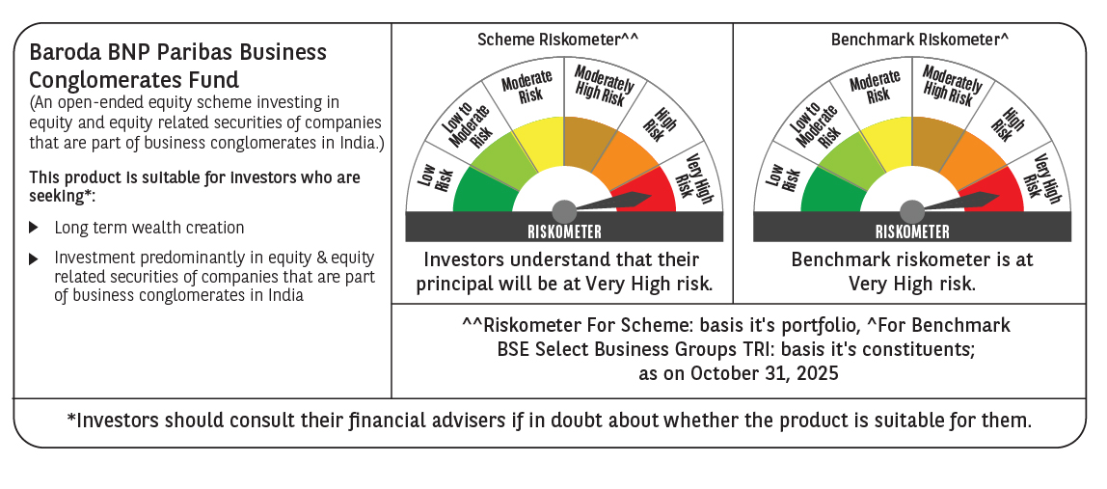

 | Monthly Performance Link: https://www.barodabnpparibasmf.in/assets/download_documents/Performance_of_Schemes-October_2025_15267.pdf

