T0ME47
 | Baroda BNP Paribas Business Conglomerates Fund

 | Monthly Portfolio Statement as on November 30, 2025
 | Name of the Instrument | ISIN | Industry / Rating | Quantity | Market/Fair Value (Rs. in Lakhs) | % to Net Assets | YTM~ | YTC^ | null
 | Equity & Equity related
 | (a) Listed / awaiting listing on Stock Exchanges
LARS02 | Larsen & Toubro Limited | INE018A01030 | Construction | 180,000 | 7,325.28 | 9.44%
RIND01 | Reliance Industries Limited | INE002A01018 | Petroleum Products | 423,000 | 6,630.53 | 8.54%
MAHI02 | Mahindra & Mahindra Limited | INE101A01026 | Automobiles | 162,000 | 6,086.83 | 7.84%
TCSL01 | Tata Consultancy Services Limited | INE467B01029 | IT - Software | 108,000 | 3,388.50 | 4.37%
BAFL03 | Bajaj Finance Limited | INE296A01032 | Finance | 324,000 | 3,361.50 | 4.33%
ITCL02 | ITC Limited | INE154A01025 | Diversified FMCG | 450,000 | 1,819.13 | 2.34%
BALN01 | Bajaj Auto Limited | INE917I01010 | Automobiles | 19,800 | 1,796.55 | 2.31%
SBAI02 | State Bank of India | INE062A01020 | Banks | 171,000 | 1,674.09 | 2.16%
MUND02 | Adani Ports and Special Economic Zone Limited | INE742F01042 | Transport Infrastructure | 108,000 | 1,638.25 | 2.11%
HZIN02 | Hindustan Zinc Limited | INE267A01025 | Non - Ferrous Metals | 333,000 | 1,615.72 | 2.08%
HDFB03 | HDFC Bank Limited | INE040A01034 | Banks | 157,500 | 1,586.97 | 2.04%
JVSL04 | JSW Steel Limited | INE019A01038 | Ferrous Metals | 135,000 | 1,566.41 | 2.02%
ULCC01 | UltraTech Cement Limited | INE481G01011 | Cement & Cement Products | 13,500 | 1,566.00 | 2.02%
TCAL01 | Tata Capital Limited | INE976I01016 | Finance | 468,000 | 1,534.57 | 1.98%
TWAT02 | Titan Company Limited | INE280A01028 | Consumer Durables | 36,000 | 1,406.77 | 1.81%
TOPH02 | Torrent Pharmaceuticals Limited | INE685A01028 | Pharmaceuticals & Biotechnology | 36,000 | 1,339.42 | 1.73%
LTIL01 | LTIMindtree Limited | INE214T01019 | IT - Software | 21,600 | 1,316.84 | 1.70%
SAEL02 | TVS Motor Company Limited | INE494B01023 | Automobiles | 36,000 | 1,271.34 | 1.64%
IIBL01 | IndusInd Bank Limited | INE095A01012 | Banks | 144,000 | 1,236.31 | 1.59%
TEMA02 | Tech Mahindra Limited | INE669C01036 | IT - Software | 81,000 | 1,229.01 | 1.58%
COFE03 | Coromandel International Limited | INE169A01031 | Fertilizers & Agrochemicals | 49,500 | 1,179.14 | 1.52%
TPOW02 | Tata Power Company Limited | INE245A01021 | Power | 297,000 | 1,158.60 | 1.49%
IHOT02 | The Indian Hotels Company Limited | INE053A01029 | Leisure Services | 153,000 | 1,138.78 | 1.47%
TMLC01 | Tata Motors Ltd | INE1TAE01010 | Agricultural, Commercial & Construction Vehicles | 297,000 | 1,045.44 | 1.35%
LGEL01 | LG Electronics India Ltd | INE324D01010 | Consumer Durables | 63,000 | 1,045.36 | 1.35%
ADAN02 | Adani Enterprises Limited | INE423A01024 | Metals & Minerals Trading | 45,000 | 1,026.09 | 1.32%
JUFL02 | Jubilant Foodworks Limited | INE797F01020 | Leisure Services | 162,000 | 974.43 | 1.26%
BFSL02 | Bajaj Finserv Limited | INE918I01026 | Finance | 45,000 | 942.30 | 1.21%
ISHA01 | Gillette India Limited | INE322A01010 | Personal Products | 10,800 | 937.93 | 1.21%
CHOL02 | Cholamandalam Investment and Finance Company Ltd | INE121A01024 | Finance | 54,000 | 937.44 | 1.21%
CHEL02 | Zydus Lifesciences Limited | INE010B01027 | Pharmaceuticals & Biotechnology | 99,000 | 933.08 | 1.20%
LTFL01 | L&T Finance Limited | INE498L01015 | Finance | 297,000 | 927.68 | 1.20%
CALC03 | CESC Limited | INE486A01021 | Power | 540,000 | 920.59 | 1.19%
CROM02 | CG Power and Industrial Solutions Limited | INE067A01029 | Electrical Equipment | 135,000 | 908.42 | 1.17%
ICEM01 | The India Cements Limited | INE383A01012 | Cement & Cement Products | 216,000 | 848.45 | 1.09%
ICII01 | Akzo Nobel India Limited | INE133A01011 | Consumer Durables | 25,200 | 834.32 | 1.08%
RELS01 | Jio Financial Services Limited | INE758E01017 | Finance | 270,000 | 826.74 | 1.07%
ESMC02 | PB Fintech Limited | INE417T01026 | Financial Technology (Fintech) | 45,000 | 818.51 | 1.05%
ZMPL01 | Eternal Limited | INE758T01015 | Retailing | 270,000 | 810.27 | 1.04%
ICON01 | Firstsource Solutions Limited | INE684F01012 | Commercial Services & Supplies | 234,000 | 809.17 | 1.04%
TAEL01 | Tata Elxsi Limited | INE670A01012 | IT - Software | 15,300 | 789.25 | 1.02%
LAKM02 | Trent Limited | INE849A01020 | Retailing | 18,000 | 765.07 | 0.99%
SCHI01 | Sanofi Consumer Healthcare India Limited | INE0UOS01011 | Pharmaceuticals & Biotechnology | 16,200 | 754.87 | 0.97%
JSWC01 | JSW Cement Limited | INE718I01012 | Cement & Cement Products | 630,000 | 722.86 | 0.93%
ADAN04RF | Adani Enterprises Limited- Rights share | INE423A20016 | Metals & Minerals Trading | 5,400 | 23.89 | 0.03%
 | Sub Total |  |  |  | 71,468.70 | 92.09%
 | (b) Unlisted |  |  |  | NIL | NIL
 | Sub Total |  |  |  | NIL | NIL
 | Total |  |  |  | 71,468.70 | 92.09%
 | Debt Instruments
 | (a) Listed / awaiting listing on Stock Exchange
GOI6156 | 6.79% Government of India (07/10/2034) | IN0020240126 | Sovereign | 1,500,000 | 1,520.14 | 1.96% | 6.69%
 | Sub Total |  |  |  | 1,520.14 | 1.96%
 | (b) Privately placed / Unlisted |  |  |  | NIL | NIL
 | Sub Total |  |  |  | NIL | NIL
 | Total |  |  |  | 1,520.14 | 1.96%
 | Reverse Repo / TREPS
TRP_011225 | Clearing Corporation of India Ltd |  |  |  | 4,360.63 | 5.62% | 5.43%
 | Sub Total |  |  |  | 4,360.63 | 5.62%
 | (b) Privately placed / Unlisted |  |  |  | NIL | NIL
 | Sub Total |  |  |  | NIL | NIL
 | Total |  |  |  | 4,360.63 | 5.62%
 | Net Receivables / (Payables) |  |  |  | 258.83 | 0.33%
 | GRAND TOTAL |  |  |  | 77,608.30 | 100.00%

 | ~ YTM as on November 30, 2025
 | ^ YTC represents Yield to Call provided by valuation agencies as on November 30, 2025. It is disclosed for Perpetual Bond issued by Banks (i.e. AT-1 Bond / Tier 1 Bond / Tier 2 Bond), as per AMFI Best Practices Guidelines Circular no. 135/BP/91/2020-21 read with SEBI circular No. SEBI/HO/IMD/DF4/CIR/P/2021/034 on Valuation of AT-1 Bonds and Tier 2 Bonds.

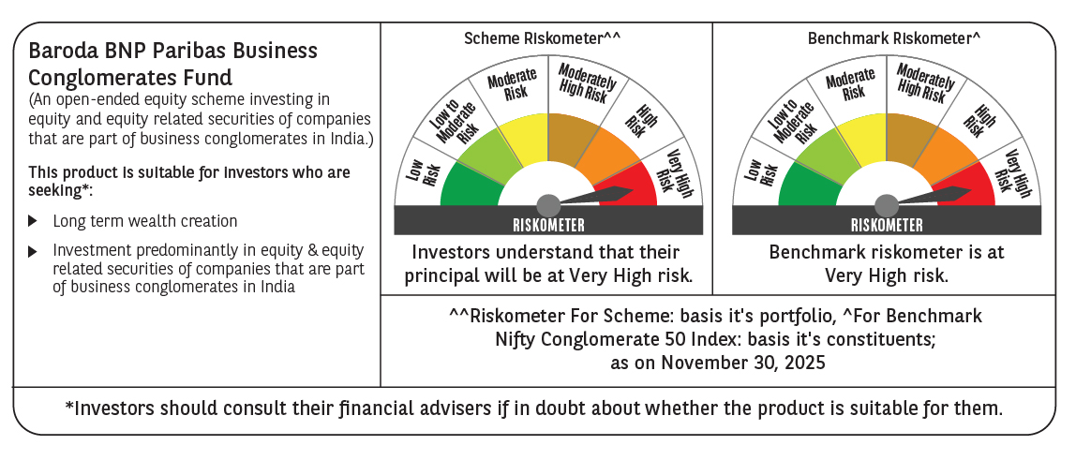

 | Monthly Performance Link: https://www.barodabnpparibasmf.in/assets/download_documents/Performance_of_Schemes_Nov-2025_15612.pdf

