TA
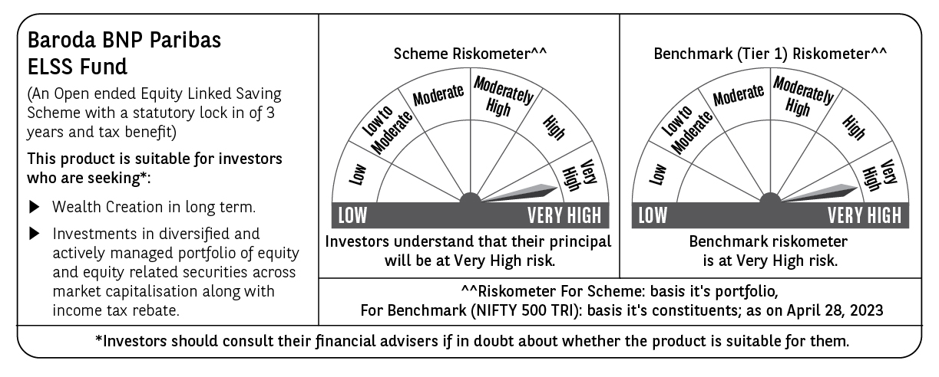
Baroda BNP Paribas Mutual Fund | T0ME05
SCHEME NAME : | Baroda BNP Paribas ELSS Fund
PORTFOLIO STATEMENT AS ON : | 2023-04-30

Name of the Instrument / Issuer | ISIN | Rating / Industry ^ | Quantity | Market value (Rs. in Lakhs) | % to AUM | YTM % $ | YTC % | Notes & Symbols

EQUITY & EQUITY RELATED
a) Listed/awaiting listing on Stock Exchanges
HDFC Bank Ltd. | INE040A01034 | Banks | 365,000 | 6,159.74 | 9.26
ICICI Bank Ltd. | INE090A01021 | Banks | 544,000 | 4,992.02 | 7.51
Reliance Industries Ltd. | INE002A01018 | Petroleum Products | 157,000 | 3,800.19 | 5.71
Tata Consultancy Services Ltd. | INE467B01029 | IT - Software | 82,500 | 2,655.88 | 3.99
ITC Ltd. | INE154A01025 | Diversified FMCG | 585,000 | 2,489.47 | 3.74
Ultratech Cement Ltd. | INE481G01011 | Cement & Cement Products | 32,250 | 2,436.87 | 3.66
Larsen & Toubro Ltd. | INE018A01030 | Construction | 91,500 | 2,163.43 | 3.25
Hindustan Unilever Ltd. | INE030A01027 | Diversified FMCG | 79,100 | 1,943.72 | 2.92
State Bank of India | INE062A01020 | Banks | 309,000 | 1,786.95 | 2.69
Bharti Airtel Ltd. | INE397D01024 | Telecom - Services | 182,066 | 1,455.25 | 2.19
Infosys Ltd. | INE009A01021 | IT - Software | 115,000 | 1,440.66 | 2.17
Sun Pharmaceutical Industries Ltd. | INE044A01036 | Pharmaceuticals & Biotechnology | 135,000 | 1,333.33 | 2.01
Schaeffler India Ltd. | INE513A01022 | Auto Components | 47,000 | 1,304.09 | 1.96
Siemens Ltd. | INE003A01024 | Electrical Equipment | 37,400 | 1,290.15 | 1.94
IndusInd Bank Ltd. | INE095A01012 | Banks | 111,000 | 1,279.61 | 1.92
Five Star Business Finance Ltd. | INE128S01021 | Finance | 238,236 | 1,226.92 | 1.85
The Indian Hotels Company Ltd. | INE053A01029 | Leisure Services | 360,000 | 1,220.76 | 1.84
HCL Technologies Ltd. | INE860A01027 | IT - Software | 113,000 | 1,202.43 | 1.81
NLC India Ltd. | INE589A01014 | Power | 1,398,870 | 1,139.38 | 1.71
Mahindra CIE Automotive Ltd. | INE536H01010 | Auto Components | 280,113 | 1,117.09 | 1.68
Trent Ltd. | INE849A01020 | Retailing | 81,614 | 1,116.28 | 1.68
Titan Company Ltd. | INE280A01028 | Consumer Durables | 40,000 | 1,056.74 | 1.59
KEI Industries Ltd. | INE878B01027 | Industrial Products | 55,000 | 1,042.28 | 1.57
Housing Development Finance Corporation Ltd. | INE001A01036 | Finance | 37,000 | 1,026.97 | 1.54
Axis Bank Ltd. | INE238A01034 | Banks | 119,000 | 1,023.40 | 1.54
Karur Vysya Bank Ltd. | INE036D01028 | Banks | 970,000 | 948.66 | 1.43
Maruti Suzuki India Ltd. | INE585B01010 | Automobiles | 11,000 | 944.85 | 1.42
Coforge Ltd. | INE591G01017 | IT - Software | 22,365 | 935.86 | 1.41
Brigade Enterprises Ltd. | INE791I01019 | Realty | 185,000 | 928.52 | 1.40
UNO Minda Ltd. | INE405E01023 | Auto Components | 172,000 | 896.46 | 1.35
JB Chemicals & Pharmaceuticals Ltd. | INE572A01028 | Pharmaceuticals & Biotechnology | 41,921 | 892.85 | 1.34
Linde India Ltd. | INE473A01011 | Chemicals & Petrochemicals | 21,765 | 867.22 | 1.30
Timken India Ltd. | INE325A01013 | Industrial Products | 28,314 | 844.71 | 1.27
The Phoenix Mills Ltd. | INE211B01039 | Realty | 57,000 | 824.05 | 1.24
NHPC Ltd. | INE848E01016 | Power | 1,850,000 | 818.63 | 1.23
Mahindra & Mahindra Ltd. | INE101A01026 | Automobiles | 63,000 | 772.95 | 1.16
Carborundum Universal Ltd. | INE120A01034 | Industrial Products | 70,000 | 754.11 | 1.13
Bajaj Finserv Ltd. | INE918I01026 | Finance | 52,000 | 704.42 | 1.06
Dalmia Bharat Ltd. | INE00R701025 | Cement & Cement Products | 35,000 | 698.67 | 1.05
Cummins India Ltd. | INE298A01020 | Industrial Products | 42,500 | 669.65 | 1.01
PVR Ltd. | INE191H01014 | Entertainment | 43,822 | 641.18 | 0.96
Cipla Ltd. | INE059A01026 | Pharmaceuticals & Biotechnology | 69,000 | 626.55 | 0.94
PNB Housing Finance Ltd. | INE572E01012 | Finance | 138,844 | 619.11 | 0.93
PI Industries Ltd. | INE603J01030 | Fertilizers & Agrochemicals | 17,500 | 592.29 | 0.89
Blue Star Ltd. | INE472A01039 | Consumer Durables | 40,000 | 592.08 | 0.89
Sumitomo Chemical India Ltd. | INE258G01013 | Fertilizers & Agrochemicals | 125,000 | 503.50 | 0.76
Bosch Ltd. | INE323A01026 | Auto Components | 2,500 | 484.30 | 0.73
Tata Steel Ltd. | INE081A01020 | Ferrous Metals | 350,000 | 377.83 | 0.57
Total |  |  |  | 64,642.06 | 97.20

b) Unlisted
DSQ Software Ltd. | INE286A01017 | Software | 2,500 | 0.00 | # |  |  | I**
Transtream India.Com Ltd. | INE981A01013 | IT Enabled Services | 1,000 | 0.00 | # |  |  | I**
Total |  |  |  | 0.00 | #

c) Foreign Securities and /or overseas ETF |  |  |  | NIL | NIL

DEBT INSTRUMENTS

a) Listed/awaiting listing on the stock exchanges |  |  |  | NIL | NIL

b) Privately Placed/Unlisted |  |  |  | NIL | NIL

c) Securitised Debt Instruments |  |  |  | NIL | NIL

d) Central Government Securities |  |  |  | NIL | NIL

e) State Government Securities |  |  |  | NIL | NIL

MONEY MARKET INSTRUMENTS

a) Commercial Paper |  |  |  | NIL | NIL

b) Certificate of Deposits |  |  |  | NIL | NIL

c) Treasury Bills |  |  |  | NIL | NIL

d) Bills Re- Discounting |  |  |  | NIL | NIL

OTHERS
a) Mutual Fund Units / Exchange Traded Funds |  |  |  | NIL | NIL

b) Gold |  |  |  | NIL | NIL

c) Short Term Deposits |  |  |  | NIL | NIL

d) Term Deposits Placed as Margins |  |  |  | NIL | NIL

e) TREPS / Reverse Repo Investments
TREPS 02-May-2023 |  |  |  | 1,935.00 | 2.91 | 6.76
Total |  |  |  | 1,935.00 | 2.91

Other Current Assets / (Liabilities)
Net Receivable / Payable |  |  |  | (82.09) | (0.11)
Total |  |  |  | (82.09) | (0.11)

GRAND TOTAL (AUM) |  |  |  | 66,494.97 | 100.00

Notes & Symbols :-
# -> Less Than 0.005% ; A** -> Awaiting Listing on Stock Exchanges ; T** -> Thinly Traded Securities ; N** -> Non Traded Securities ; I** -> Illiquid Shares ; R** -> Rights Entitlement ; P** Preference Shares ; W** Warrants ; B** -> Below Investment Grade Security ; PP* -> Partly Paid;S** --> Suspended forTrading.
^ -> Industry classification as recommended by AMFI and wherever not available, internal classification has been used.
(1) Non Convertible Debentures and Bonds are considered as Traded based on information provided by external agencies.
(2) ^ The Name of the Industry is in accordance with Industry Classification as recommended by AMFI.
(3) $ Yield based on aggregated yields as per Crisil's and ICRA's SLV price feeds and TREPS yield as per the trade.
(4) All corporate ratings are assigned by rating agencies like CRISIL; CARE; ICRA; IND; BRW.
(5) The provision made for securities classified as below investment grade or default as of April 30, 2023 is Rs Nil and its percentage to Net Asset Value is Nil .
(6) Aggregate value of illiquid shares of the fund amounts to Rs. 0.01 lacs and their percentage to Net Asset value is less than 0.01%
(7) Plan/option wise per unit Net Asset Value are as follows:
Plan/Option |  | As on March 31, 2023 | As on April 28, 2023
Regular Plan - IDCW Option |  | 16.2804 | 16.8333
Regular Plan - Growth Option |  | 56.4657 | 58.3832
Direct Plan - IDCW Option |  | 20.0923 | 20.7937
Direct Plan - Growth Option |  | 61.9118 | 64.0731

(8) No Dividend declared during the Month ended April 30, 2023

(9) There were no investments made in derivative instruments and no such derivative instrument was squared off/ expired /exercised during the Month ended April 30, 2023. Further there are no investments in derivative instruments as on April 30, 2023.
(10) Total Market value of investments in Foreign Securities/American Depositary Receipts/Global Depositary Receipts as at April 30, 2023 is Rs. Nil.
(11) During the period, the portfolio turnover ratio is 0.03 times.
(12) Details of repo transaction in corporate debt securities for the Month ended April 30, 2023 is Nil.
(13) Investments in debt instruments having structured obligations or credit enhancement features as at April 30, 2023 is Rs. Nil.
(14) Investment in Partly paid Debentures during the Month ended April 30, 2023 and as on April 30, 2023 is Rs. Nil.
(15) RATIONALE FOR DEVIATION FROM VALUATION AGENCY PRICE
Rationale for deviation from valuation price provided by the valuation agencies as per SEBI Circular dated 22nd March 2019 and 24th September 2019
during the month there were no cases of deviation from valuation agency price
To view the previous cases of deviation kindly refer the following link:
<<https://www.barodabnpparibasmf.in/statutory-disclosures/update-on-credit-events>>
(16) Transactions in Credit Default Swaps during Month ended April 30, 2023 : Rs. Nil

