Half Yearly
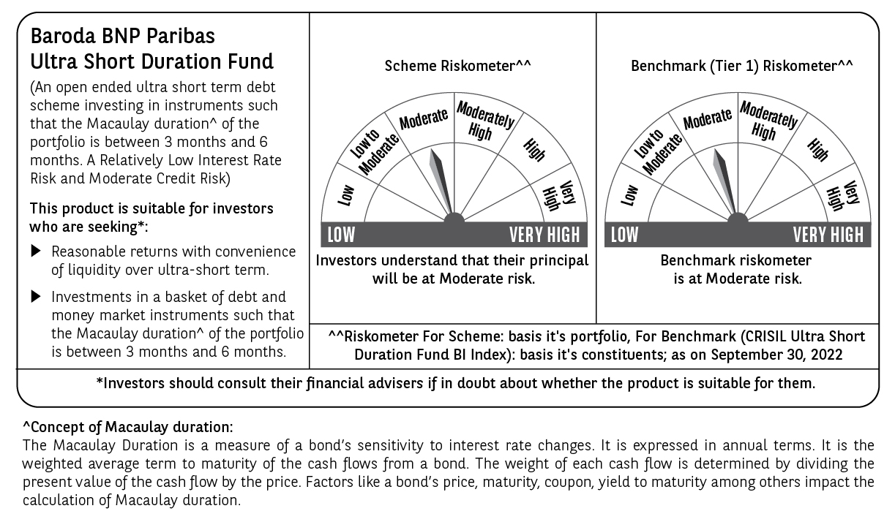
 |  | YR47 |  |  |  |  | Back to Index

 | BARODA BNP PARIBAS ULTRA SHORT DURATION FUND (An open-ended ultra short term debt scheme investing in instruments such that the Macaulay duration † of the portfolio is between 3 months and 6 months.A Relatively Low Interest Rate Risk and Moderate Credit Risk)

 | HALF YEARLY PORTFOLIO STATEMENT AS ON SEPTEMBER 30, 2022 (Pursuant to the provisions of Regulation 59A of the Securities and Exchange Board of India (Mutual Funds) Regulations, 1996)

 | Name of the Instrument / Issuer | ISIN | Rating / Industry ^ | Quantity | Market value (Rs. in Lakhs) | % to AUM | YTM % $ | YTC % | Notes & Symbols

 | EQUITY & EQUITY RELATED

 | a) Listed/awaiting listing on Stock Exchanges |  |  |  | NIL | NIL

 | b) Unlisted |  |  |  | NIL | NIL

 | c) Foreign Securities and /or overseas ETF |  |  |  | NIL | NIL

 | d) Stock Futures |  |  |  | NIL | NIL

 | DEBT INSTRUMENTS
 | a) Listed/awaiting listing on the stock exchanges
701697 | 6.99% Housing and Urban Development Corporation Ltd. 11-Nov-2022 | INE031A08756 | [ICRA]AAA | 250 | 2,500.54 | 4.82 | 6.40 |  | N**
703846 | 7.60% SBI Cards & Payment Services Ltd. 14-Feb-2023 | INE018E08177 | CRISIL AAA | 250 | 2,499.52 | 4.82 | 7.31 |  | N**
703776 | 7.00% Shriram Transport Finance Company Ltd. 21-Feb-2024 | INE721A07QS8 | CRISIL AA+ | 140 | 1,372.71 | 2.65 | 8.49 |  | N**
703630 | 8.50% Piramal Capital & Housing Finance Ltd. 31-Jul-2023 | INE516Y07188 | [ICRA]AA | 130 | 1,304.41 | 2.52 | 8.00 |  | N**
 | Total |  |  |  | 7,677.18 | 14.81

 | b) Privately Placed/Unlisted |  |  |  | NIL | NIL

 | c) Securitised Debt Instruments |  |  |  | NIL | NIL

 | d) Central Government Securities |  |  |  | NIL | NIL

 | e) State Government Securities
1900490 | 9.37% State Government of Gujarat 04-Dec-2023 | IN1520130130 | Sovereign | 100,000 | 102.46 | 0.20 | 7.14
 | Total |  |  |  | 102.46 | 0.20

 | MONEY MARKET INSTRUMENTS
 | a) Commercial Paper
1008432 | National Bank for Agriculture and Rural Development 23-Nov-2022 | INE261F14JA3 | CRISIL A1+ | 500 | 2,477.16 | 4.78 | 6.35 |  | N**
1008509 | ICICI Securities Ltd. 17-Mar-2023 | INE763G14NI1 | CRISIL A1+ | 500 | 2,420.00 | 4.67 | 7.23 |  | N**
1008334 | Housing Development Finance Corporation Ltd. 25-Nov-2022 | INE001A14YY3 | CRISIL A1+ | 400 | 1,980.75 | 3.82 | 6.45 |  | N**
1008242 | Indostar Capital Finance Ltd. 14-Nov-2022 | INE896L14DC3 | CRISIL A1+ | 300 | 1,483.24 | 2.86 | 9.37 |  | N**
1008292 | Vedanta Ltd. 07-Mar-2023 | INE205A14WM9 | CRISIL A1+ | 300 | 1,451.85 | 2.80 | 7.71 |  | N**
 | Total |  |  |  | 9,813.00 | 18.93

 | b) Certificate of Deposits
1008048 | Small Industries Development Bank of India 18-Jan-2023 | INE556F16895 | CRISIL A1+ | 1,000 | 4,901.78 | 9.45 | 6.71 |  | N**
1102032 | National Bank for Agriculture and Rural Development 18-Jan-2023 | INE261F16611 | CRISIL A1+ | 500 | 2,450.93 | 4.73 | 6.71 |  | N**
1102034 | Axis Bank Ltd. 14-Feb-2023 | INE238A169Z6 | CRISIL A1+ | 500 | 2,438.89 | 4.70 | 6.73 |  | N**
1101957 | Export-Import Bank of India 24-Mar-2023 | INE514E16BZ7 | CRISIL A1+ | 500 | 2,422.12 | 4.67 | 6.75 |  | N**
1102019 | Kotak Mahindra Bank Ltd. 17-Aug-2023 | INE237A169P8 | CRISIL A1+ | 400 | 1,882.96 | 3.63 | 7.09 |  | N**
1102023 | Canara Bank 18-Aug-2023 | INE476A16TV8 | CRISIL A1+ | 360 | 1,693.79 | 3.27 | 7.13 |  | N**
1102047 | Axis Bank Ltd. 10-Feb-2023 | INE238A165Y7 | CRISIL A1+ | 300 | 1,464.39 | 2.82 | 6.72 |  | N**
1101960 | Canara Bank 14-Mar-2023 | INE476A16SX6 | CRISIL A1+ | 300 | 1,456.07 | 2.81 | 6.72 |  | N**
1102017 | ICICI Bank Ltd. 07-Aug-2023 | INE090A169X8 | [ICRA]A1+ | 260 | 1,226.21 | 2.36 | 7.09 |  | N**
1102015 | Kotak Mahindra Bank Ltd. 11-Aug-2023 | INE237A168P0 | CRISIL A1+ | 260 | 1,225.27 | 2.36 | 7.09 |  | N**
1102018 | Export-Import Bank of India 17-Aug-2023 | INE514E16CC4 | CRISIL A1+ | 260 | 1,224.02 | 2.36 | 7.08
1102021 | The Federal Bank Ltd. 17-Aug-2023 | INE171A16KD2 | CRISIL A1+ | 260 | 1,222.26 | 2.36 | 7.26 |  | N**
 | Total |  |  |  | 23,608.69 | 45.52

 | c) Treasury Bills
1800908 | 182 DAY T-BILL 23-Mar-2023 | IN002022Y260 | Sovereign | 3,500,000 | 3,395.46 | 6.55 | 6.50
1800799 | 364 DAY T-BILL 30-Mar-2023 | IN002021Z541 | Sovereign | 2,500,000 | 2,422.80 | 4.67 | 6.46
 | Total |  |  |  | 5,818.26 | 11.22

 | d) Bills Re- Discounting |  |  |  | NIL | NIL

 | OTHERS
 | a) Mutual Fund Units / Exchange Traded Funds |  |  |  | NIL | NIL

 | b) Gold |  |  |  | NIL | NIL

 | c) Short Term Deposits |  |  |  | NIL | NIL

 | d) Term Deposits Placed as Margins |  |  |  | NIL | NIL

 | e) TREPS / Reverse Repo Investments
310220100 | TREPS 03-Oct-2022 |  |  |  | 1,356.93 | 2.62 | 6.06
 | Total |  |  |  | 1,356.93 | 2.62

 | Other Current Assets / (Liabilities)
 | Net Receivable / Payable |  |  |  | 3,480.33 | 6.70
 | Total |  |  |  | 3,480.33 | 6.70

 | GRAND TOTAL (AUM) |  |  |  | 51,856.85 | 100.00

 | Notes & Symbols :-
 | # -> Less Than 0.005% ; A** -> Awaiting Listing on Stock Exchanges ; T** -> Thinly Traded Securities ; N** -> Non Traded Securities ; I** -> Illiquid Shares ; R** -> Rights Entitlement ; P** Preference Shares ; W** Warrants ; B** -> Below Investment Grade Security ; PP* -> Partly Paid;S** --> Suspended forTrading
 | ^ -> Industry classification as recommended by AMFI and wherever not available, internal classification has been used.
 | (1) Non Convertible Debentures and Bonds are considered as Traded based on information provided by external agencies.
 | (2) ^ The Name of the Industry is in accordance with Industry Classification as recommended by AMFI.
 | (3) $ Yield based on aggregated yields as per Crisil's and ICRA's SLV price feeds and TREPS yield as per the trade.
 | (4) All corporate ratings are assigned by rating agencies like CRISIL; CARE; ICRA; IND; BRW.
 | (5) The provision made for securities classified as below investment grade or default as of September,30 2022 is Rs Nil and its percentage to Net Asset Value is Nil .
 | (6) Aggregate value of illiquid shares of the fund amounts to Rs. Nil and their percentage to Net Asset value is Nil.
 | (7) Plan/option wise per unit Net Asset Value are as follows:
Plan/Option | Plan/Option |  | As on March 31, 2022 | As on September 30, 2022
Growth Option | Regular Plan - Weekly IDCW Option |  | 1000.0000 | 1001.2865
Monthly Dividend Option | Regular Plan - Daily IDCW Option |  | 1006.2583 | 1006.2583
Half-Yearly Dividend Option | Regular Plan - Growth Option |  | 1241.9148 | 1268.4496
Annual-Dividend Option | Direct Plan - Daily IDCW Option |  | 1007.0754 | 1007.0751
Direct Plan - Growth Option | Direct Plan - Growth Option |  | 1251.1780 | 1278.7374
 | Direct Plan - Weekly IDCW Option |  | 1000.0000 | 1000.0000

 | (8) Details of Dividend declared per unit (In Rupees) during the half Year are as follows |  | Individuals/HUF | Others
 | Regular Plan - Weekly IDCW Option |  | 0.003867 | 0.003867
 | Regular Plan - Daily IDCW Option |  | 21.215802 | 21.215802
 | Direct Plan - Daily IDCW Option |  | 21.951701 | 21.951701

 | (9) There were no investments made in derivative instruments and no such derivative instrument was squared off/ expired /exercised during the Half Year ended September,30 2022. Further there are no investments in derivative instruments as on September,30 2022.
 | (10) Total Market value of investments in Foreign Securities/American Depositary Receipts/Global Depositary Receipts as at September,30 2022 is Rs. Nil .
 | (11) The Average Maturity period of the portfolio has been 160 Days .
 | (12) Details of repo transaction in corporate debt securities for the Half Year ended September,30 2022 is Nil.
 | (13) Investments in debt instruments having structured obligations or credit enhancement features as at September,30 2022 is Rs. Nil
 | (14) Investment in Partly paid Debentures during the Half Year ended September,30 2022 and as on September,30 2022 is Nil
 | (15) RATIONALE FOR DEVIATION FROM VALUATION AGENCY PRICE
 | Rationale for deviation from valuation price provided by the valuation agencies as per SEBI Circular dated 22nd March 2019 and 24th September 2019
 | During the half Year there were no cases of deviation from valuation agency price
 | To view the previous cases of deviation kindly refer the following link:
 | <<https://www.barodabnpparibasmf.in/statutory-disclosures/update-on-credit-events>>
 | (16) Transactions in Credit Default Swaps during Half Year ended September,30 2022 : Rs. Nil

 | †Concept of Macaulay duration: The Macaulay Duration is a measure of a bond’s sensitivity to interest rate changes. It is expressed in annual terms. It is the weighted average term to maturity of the cash flows from a bond. The weight of each cash flow is determined by dividing the present value of the cash flow by the price. Factors like a bond’s price, maturity, coupon, yield to maturity among others impact the calculation of Macaulay duration.

 | Potential Risk Class (PRC) matrix*
 | Credit Risk (Max)→ | Relatively Low: Class A (CRV>=12) | Moderate: Class B (CRV>=10) | Relatively High: Class C (CRV<10)
 | Interest Rate Risk (Max)↓
 | Relatively Low: Class I (MD<=1 year) |  | B-I
 | Moderate: Class II
 | (MD<=3 year)
 | Relatively High: Class III
 | (Any MD)
 | MD=Macaulay Duration, CRV=Credit Risk Value
 | *The PRC matrix denotes the maximum risk that the respective Scheme can take i.e. maximum interest rate risk (measured by MD of the Scheme) and maximum credit risk (measured by CRV of the Scheme)

