YR04
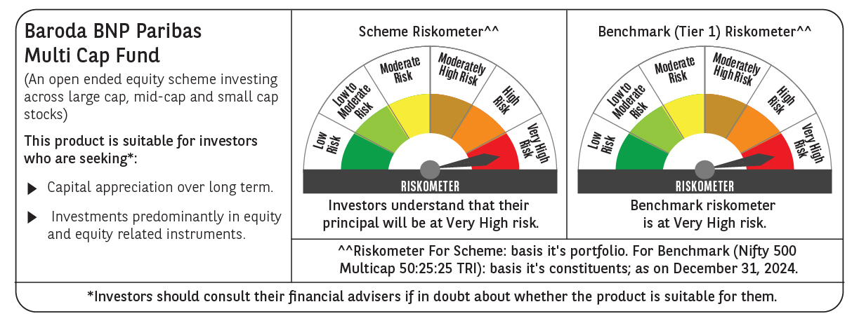
 | Baroda BNP Paribas Multi Cap Fund

 | Monthly Portfolio Statement as on December 31, 2024
 | Name of the Instrument | ISIN | Industry / Rating | Quantity | Market/Fair Value (Rs. in Lakhs) | % to Net Assets | YTM~ | YTC^ | null
 | Equity & Equity related
 | (a) Listed / awaiting listing on Stock Exchanges
IBCL05 | ICICI Bank Limited | INE090A01021 | Banks | 799,815 | 10,250.83 | 3.60%
HDFB03 | HDFC Bank Limited | INE040A01034 | Banks | 499,736 | 8,859.57 | 3.11%
ALLI02 | GE Vernova T&D India Limited | INE200A01026 | Electrical Equipment | 396,712 | 8,235.34 | 2.89%
RIND01 | Reliance Industries Limited | INE002A01018 | Petroleum Products | 625,000 | 7,596.56 | 2.67%
ESMC02 | PB Fintech Limited | INE417T01026 | Financial Technology (Fintech) | 350,000 | 7,380.98 | 2.59%
DIXO02 | Dixon Technologies (India) Limited | INE935N01020 | Consumer Durables | 39,000 | 6,995.16 | 2.45%
ZMPL01 | Zomato Limited | INE758T01015 | Retailing | 2,323,000 | 6,459.10 | 2.27%
SPIL03 | Sun Pharmaceutical Industries Limited | INE044A01036 | Pharmaceuticals & Biotechnology | 340,000 | 6,413.59 | 2.25%
LAKM02 | Trent Limited | INE849A01020 | Retailing | 90,000 | 6,411.02 | 2.25%
IFEL01 | Oracle Financial Services Software Limited | INE881D01027 | IT - Software | 50,000 | 6,394.73 | 2.24%
BEFS01 | Mrs. Bectors Food Specialities Limited | INE495P01012 | Food Products | 379,226 | 6,214.00 | 2.18%
DIVI02 | Divi's Laboratories Limited | INE361B01024 | Pharmaceuticals & Biotechnology | 100,000 | 6,098.80 | 2.14%
SAGI01 | Sagility India Limited | INE0W2G01015 | IT - Services | 12,031,677 | 6,069.98 | 2.13%
INFS02 | Infosys Limited | INE009A01021 | IT - Software | 320,000 | 6,016.00 | 2.11%
CRED02 | CRISIL Limited | INE007A01025 | Finance | 90,296 | 6,007.48 | 2.11%
ICON01 | Firstsource Solutions Limited | INE684F01012 | Commercial Services & Supplies | 1,550,000 | 5,828.00 | 2.05%
JYCN01 | Jyoti CNC Automation Ltd | INE980O01024 | Industrial Manufacturing | 415,419 | 5,610.65 | 1.97%
KEII02 | KEI Industries Limited | INE878B01027 | Industrial Products | 122,417 | 5,431.21 | 1.91%
NSDL02 | Protean eGov Technologies Limited | INE004A01022 | IT - Services | 280,467 | 5,428.58 | 1.90%
RAKH02 | Radico Khaitan Limited | INE944F01028 | Beverages | 207,003 | 5,394.29 | 1.89%
SAEL02 | TVS Motor Company Limited | INE494B01023 | Automobiles | 218,000 | 5,163.33 | 1.81%
IIFM02 | 360 One WAM Limited | INE466L01038 | Capital Markets | 410,000 | 5,144.68 | 1.81%
ABBP01 | Hitachi Energy India Limited | INE07Y701011 | Electrical Equipment | 35,500 | 5,116.33 | 1.80%
CAMS01 | Computer Age Management Services Limited | INE596I01012 | Capital Markets | 100,000 | 5,075.40 | 1.78%
RACM01 | Rainbow Childrens Medicare Limited | INE961O01016 | Healthcare Services | 324,187 | 4,861.35 | 1.71%
PSYL02 | Persistent Systems Limited | INE262H01021 | IT - Software | 75,000 | 4,843.28 | 1.70%
GUAM02 | Ambuja Cements Limited | INE079A01024 | Cement & Cement Products | 893,714 | 4,788.52 | 1.68%
BTVL02 | Bharti Airtel Limited | INE397D01024 | Telecom - Services | 300,000 | 4,763.25 | 1.67%
DABU02 | Dabur India Limited | INE016A01026 | Personal Products | 900,000 | 4,563.00 | 1.60%
BSEL02 | BSE Limited | INE118H01025 | Capital Markets | 85,000 | 4,526.59 | 1.59%
MAHE01 | Max Healthcare Institute Limited | INE027H01010 | Healthcare Services | 400,000 | 4,512.60 | 1.58%
PHFP02 | PNB Housing Finance Limited | INE572E01012 | Finance | 510,108 | 4,477.22 | 1.57%
CONB01 | Concord Biotech Limited | INE338H01029 | Pharmaceuticals & Biotechnology | 199,359 | 4,407.33 | 1.55%
AGBL01 | Angel One Limited | INE732I01013 | Capital Markets | 147,500 | 4,324.18 | 1.52%
LARS02 | Larsen & Toubro Limited | INE018A01030 | Construction | 118,897 | 4,289.39 | 1.51%
MOTI02 | Bosch Limited | INE323A01026 | Auto Components | 12,000 | 4,092.02 | 1.44%
PGCI01 | Power Grid Corporation of India Limited | INE752E01010 | Power | 1,314,000 | 4,056.32 | 1.42%
PFCL01 | Power Finance Corporation Limited | INE134E01011 | Finance | 900,000 | 4,036.50 | 1.42%
ILOM01 | ICICI Lombard General Insurance Company Limited | INE765G01017 | Insurance | 225,000 | 4,022.44 | 1.41%
SBAI02 | State Bank of India | INE062A01020 | Banks | 500,000 | 3,974.75 | 1.39%
TEGA01 | Tega Industries Limited | INE011K01018 | Industrial Manufacturing | 252,955 | 3,962.16 | 1.39%
NGEL01 | NTPC Green Energy Limited | INE0ONG01011 | Power | 3,044,420 | 3,872.20 | 1.36%
MAXI02 | Max Financial Services Limited | INE180A01020 | Insurance | 345,000 | 3,842.96 | 1.35%
PHMI02 | The Phoenix Mills Limited | INE211B01039 | Realty | 228,510 | 3,733.85 | 1.31%
AFPL02 | AU Small Finance Bank Limited | INE949L01017 | Banks | 658,146 | 3,679.69 | 1.29%
CROM02 | CG Power and Industrial Solutions Limited | INE067A01029 | Electrical Equipment | 498,184 | 3,626.78 | 1.27%
AMRA03 | Amara Raja Energy & Mobility Ltd | INE885A01032 | Auto Components | 300,000 | 3,599.85 | 1.26%
VNBL03 | Varun Beverages Limited | INE200M01039 | Beverages | 563,495 | 3,597.92 | 1.26%
PRRC03 | Navin Fluorine International Limited | INE048G01026 | Chemicals & Petrochemicals | 110,000 | 3,570.38 | 1.25%
BOCL01 | Linde India Limited | INE473A01011 | Chemicals & Petrochemicals | 58,338 | 3,497.98 | 1.23%
JSTA02 | Jindal Stainless Limited | INE220G01021 | Ferrous Metals | 465,000 | 3,251.28 | 1.14%
BHAH02 | Bharat Heavy Electricals Limited | INE257A01026 | Electrical Equipment | 1,235,026 | 2,833.15 | 0.99%
HPEC01 | Hindustan Petroleum Corporation Limited | INE094A01015 | Petroleum Products | 275,000 | 1,124.06 | 0.39%
 | Sub Total |  |  |  | 268,326.61 | 94.16%
 | (b) Unlisted
AMCL01 | Amex Carb & Chem Limited # | EQ528501XXXX | Miscellaneous | 149,000 | 0.01 | $0.00%
ACOT01 | Accord Cotsyn Limited # | EQ528401XXXX | Retailing | 25,000 | $0.00 | $0.00%
ROYL01 | Royal Indutries Limited # | EQ528201XXXX | Retailing | 10,000 | $0.00 | $0.00%
SDSL01 | DSQ SOFTWARE # | INE286A01017 | Software | 8,000 | $0.00 | $0.00%
WPIL01 | Western Paques (India) Limited # | EQ816301XXXX | Miscellaneous | 6,650 | $0.00 | $0.00%
 | SIV Industries Limited # | INE639A01017 | Textiles - Synthetic | 14,750 | $0.00 | $0.00%
 | Sub Total |  |  |  | 0.01 | 0.00%
 | Total |  |  |  | 268,326.62 | 94.16%
 | Derivatives
 | Index / Stock Futures
HPECJAN25 | Hindustan Petroleum Corporation Limited January 2025 Future |  |  | 550,800 | 2,265.72 | 0.80%
 | Sub Total |  |  |  | 2,265.72 | 0.80%
 | Total |  |  |  | 2,265.72 | 0.80%
 | Money Market Instruments
 | Treasury Bill
TBIL2396 | 182 Days Tbill (MD 14/02/2025) | IN002024Y209 | Sovereign | 1,000,000 | 992.30 | 0.35% | 6.44%
 | Sub Total |  |  |  | 992.30 | 0.35%
 | Total |  |  |  | 992.30 | 0.35%
 | Reverse Repo / TREPS
TRP_010125 | Clearing Corporation of India Ltd |  |  |  | 15,923.99 | 5.59% | 6.58%
 | Sub Total |  |  |  | 15,923.99 | 5.59%
 | Total |  |  |  | 15,923.99 | 5.59%
 | Net Receivables / (Payables) |  |  |  | (2,534.94) | (0.90)%
 | GRAND TOTAL |  |  |  | 284,973.69 | 100.00%

 | # Unlisted Security
 | $ Less Than 0.01% of Net Asset Value
 | ~ YTM as on December 31, 2024
 | ^ YTC represents Yield to Call provided by valuation agencies as on December 31, 2024. It is disclosed for Perpetual Bond issued by Banks (i.e. AT-1 Bond / Tier 1 Bond / Tier 2 Bond), as per AMFI Best Practices Guidelines Circular no. 135/BP/91/2020-21 re
 | Details of Stock Future / Index Future
 | Long/Short | Name of the Instrument | Industry | Quantity. | Market/Fair Value (Rs. in Lacs). | % to NAV.
 | Long | Hindustan Petroleum Corporation Limited_30/01/2025 | Petroleum Products | 550,800 | 2,265.72 | 0.80%

