YR04
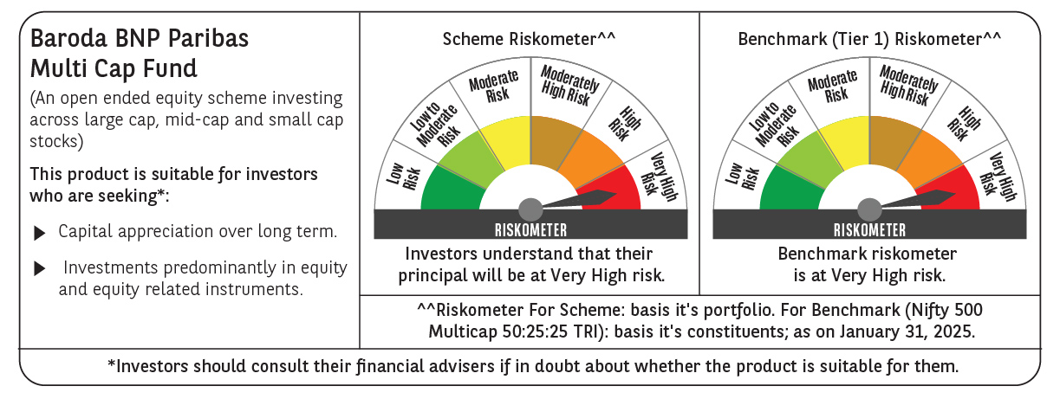
 | Baroda BNP Paribas Multi Cap Fund

 | Monthly Portfolio Statement as on January 31, 2025
 | Name of the Instrument | ISIN | Industry / Rating | Quantity | Market/Fair Value (Rs. in Lakhs) | % to Net Assets | YTM~ | YTC^ | null
 | Equity & Equity related
 | (a) Listed / awaiting listing on Stock Exchanges
IBCL05 | ICICI Bank Limited | INE090A01021 | Banks | 799,815 | 10,020.08 | 3.78%
RIND01 | Reliance Industries Limited | INE002A01018 | Petroleum Products | 750,000 | 9,488.25 | 3.58%
HDFB03 | HDFC Bank Limited | INE040A01034 | Banks | 499,736 | 8,489.27 | 3.20%
INFS02 | Infosys Limited | INE009A01021 | IT - Software | 320,000 | 6,015.36 | 2.27%
SAGI01 | Sagility India Limited | INE0W2G01015 | IT - Services | 12,031,677 | 5,968.91 | 2.25%
SPIL03 | Sun Pharmaceutical Industries Limited | INE044A01036 | Pharmaceuticals & Biotechnology | 340,000 | 5,929.43 | 2.24%
PRRC03 | Navin Fluorine International Limited | INE048G01026 | Chemicals & Petrochemicals | 140,000 | 5,808.18 | 2.19%
DIVI02 | Divi's Laboratories Limited | INE361B01024 | Pharmaceuticals & Biotechnology | 100,000 | 5,577.70 | 2.10%
BEFS01 | Mrs. Bectors Food Specialities Limited | INE495P01012 | Food Products | 379,226 | 5,574.43 | 2.10%
RAKH02 | Radico Khaitan Limited | INE944F01028 | Beverages | 249,003 | 5,424.28 | 2.05%
ALLI02 | GE Vernova T&D India Limited | INE200A01026 | Electrical Equipment | 300,000 | 5,362.50 | 2.02%
PHFP02 | PNB Housing Finance Limited | INE572E01012 | Finance | 610,108 | 5,357.97 | 2.02%
ICON01 | Firstsource Solutions Limited | INE684F01012 | Commercial Services & Supplies | 1,550,000 | 5,194.83 | 1.96%
LAKM02 | Trent Limited | INE849A01020 | Retailing | 90,000 | 5,177.88 | 1.95%
DIXO02 | Dixon Technologies (India) Limited | INE935N01020 | Consumer Durables | 34,500 | 5,170.15 | 1.95%
ZMPL01 | Zomato Limited | INE758T01015 | Retailing | 2,323,000 | 5,118.73 | 1.93%
CONB01 | Concord Biotech Limited | INE338H01029 | Pharmaceuticals & Biotechnology | 236,021 | 5,085.43 | 1.92%
RACM01 | Rainbow Childrens Medicare Limited | INE961O01016 | Healthcare Services | 349,094 | 4,970.23 | 1.88%
MAHI02 | Mahindra & Mahindra Limited | INE101A01026 | Automobiles | 165,000 | 4,933.25 | 1.86%
KEII02 | KEI Industries Limited | INE878B01027 | Industrial Products | 122,417 | 4,925.57 | 1.86%
CRED02 | CRISIL Limited | INE007A01025 | Finance | 90,296 | 4,906.05 | 1.85%
BTVL02 | Bharti Airtel Limited | INE397D01024 | Telecom - Services | 300,000 | 4,878.90 | 1.84%
BOCL01 | Linde India Limited | INE473A01011 | Chemicals & Petrochemicals | 77,377 | 4,849.87 | 1.83%
DABU02 | Dabur India Limited | INE016A01026 | Personal Products | 900,000 | 4,768.65 | 1.80%
ADWI01 | Adani Wilmar Limited | INE699H01024 | Agricultural Food & other Products | 1,725,000 | 4,599.71 | 1.74%
ABBP01 | Hitachi Energy India Limited | INE07Y701011 | Electrical Equipment | 35,500 | 4,566.56 | 1.72%
IFEL01 | Oracle Financial Services Software Limited | INE881D01027 | IT - Software | 50,000 | 4,561.03 | 1.72%
TEGA01 | Tega Industries Limited | INE011K01018 | Industrial Manufacturing | 300,576 | 4,548.32 | 1.72%
PSYL02 | Persistent Systems Limited | INE262H01021 | IT - Software | 75,000 | 4,524.45 | 1.71%
BSEL02 | BSE Limited | INE118H01025 | Capital Markets | 85,000 | 4,510.06 | 1.70%
SAEL02 | TVS Motor Company Limited | INE494B01023 | Automobiles | 183,000 | 4,497.96 | 1.70%
KAVY06 | Karur Vysya Bank Limited | INE036D01028 | Banks | 1,880,000 | 4,478.54 | 1.69%
JYCN01 | Jyoti CNC Automation Ltd | INE980O01024 | Industrial Manufacturing | 415,419 | 4,469.08 | 1.69%
MAHE01 | Max Healthcare Institute Limited | INE027H01010 | Healthcare Services | 400,000 | 4,245.00 | 1.60%
LARS02 | Larsen & Toubro Limited | INE018A01030 | Construction | 118,897 | 4,241.53 | 1.60%
PGCI01 | Power Grid Corporation of India Limited | INE752E01010 | Power | 1,314,000 | 3,963.68 | 1.50%
SBAI02 | State Bank of India | INE062A01020 | Banks | 500,000 | 3,864.50 | 1.46%
MAXI02 | Max Financial Services Limited | INE180A01020 | Insurance | 345,000 | 3,849.34 | 1.45%
PFCL01 | Power Finance Corporation Limited | INE134E01011 | Finance | 900,000 | 3,802.50 | 1.43%
PHMI02 | The Phoenix Mills Limited | INE211B01039 | Realty | 228,510 | 3,751.68 | 1.42%
VNBL03 | Varun Beverages Limited | INE200M01039 | Beverages | 663,495 | 3,561.31 | 1.34%
AGBL01 | Angel One Limited | INE732I01013 | Capital Markets | 147,500 | 3,460.50 | 1.31%
ESMC02 | PB Fintech Limited | INE417T01026 | Financial Technology (Fintech) | 200,000 | 3,453.60 | 1.30%
IIFM02 | 360 One WAM Limited | INE466L01038 | Capital Markets | 342,624 | 3,452.79 | 1.30%
DLPL01 | Dr. Lal Path Labs Limited | INE600L01024 | Healthcare Services | 115,000 | 3,281.01 | 1.24%
CROM02 | CG Power and Industrial Solutions Limited | INE067A01029 | Electrical Equipment | 498,184 | 3,162.72 | 1.19%
AMRA03 | Amara Raja Energy & Mobility Ltd | INE885A01032 | Auto Components | 300,000 | 3,103.95 | 1.17%
MAUD01 | Maruti Suzuki India Limited | INE585B01010 | Automobiles | 25,000 | 3,077.66 | 1.16%
NSDL02 | Protean eGov Technologies Limited | INE004A01022 | IT - Services | 200,536 | 3,045.34 | 1.15%
GUAM02 | Ambuja Cements Limited | INE079A01024 | Cement & Cement Products | 593,714 | 3,044.57 | 1.15%
JUFL02 | Jubilant Foodworks Limited | INE797F01020 | Leisure Services | 400,000 | 2,815.60 | 1.06%
BHAH02 | Bharat Heavy Electricals Limited | INE257A01026 | Electrical Equipment | 1,335,026 | 2,778.06 | 1.05%
CAMS01 | Computer Age Management Services Limited | INE596I01012 | Capital Markets | 75,000 | 2,702.63 | 1.02%
PAGE01 | Page Industries Limited | INE761H01022 | Textiles & Apparels | 6,000 | 2,683.41 | 1.01%
ILOM01 | ICICI Lombard General Insurance Company Limited | INE765G01017 | Insurance | 135,000 | 2,508.98 | 0.95%
NGEL01 | NTPC Green Energy Limited | INE0ONG01011 | Power | 1,164,802 | 1,338.47 | 0.51%
 | Sub Total |  |  |  | 254,940.44 | 96.19%
 | (b) Unlisted
AMCL01 | Amex Carb & Chem Limited # | EQ528501XXXX | Miscellaneous | 149,000 | 0.01 | $0.00%
ACOT01 | Accord Cotsyn Limited # | EQ528401XXXX | Retailing | 25,000 | $0.00 | $0.00%
SINV02 | SIV Industries Limited # | INE639A01017 | Textiles - Synthetic | 14,750 | $0.00 | $0.00%
ROYL01 | Royal Indutries Limited # | EQ528201XXXX | Retailing | 10,000 | $0.00 | $0.00%
SDSL01 | DSQ SOFTWARE # | INE286A01017 | Software | 8,000 | $0.00 | $0.00%
WPIL01 | Western Paques (India) Limited # | EQ816301XXXX | Miscellaneous | 6,650 | $0.00 | $0.00%
 | Sub Total |  |  |  | 0.01 | 0.00%
 | Total |  |  |  | 254,940.45 | 96.19%
 | Derivatives
 | Index / Stock Futures
ULCCFEB25 | UltraTech Cement Limited February 2025 Future |  |  | 20,000 | 2,315.56 | 0.87%
 | Sub Total |  |  |  | 2,315.56 | 0.87%
 | Total |  |  |  | 2,315.56 | 0.87%
 | Money Market Instruments
 | Treasury Bill
TBIL2396 | 182 Days Tbill (MD 14/02/2025) | IN002024Y209 | Sovereign | 1,000,000 | 997.72 | 0.38% | 6.42%
 | Sub Total |  |  |  | 997.72 | 0.38%
 | Total |  |  |  | 997.72 | 0.38%
 | Reverse Repo / TREPS
TRP_030225 | Clearing Corporation of India Ltd |  |  |  | 8,858.38 | 3.34% | 6.54%
 | Sub Total |  |  |  | 8,858.38 | 3.34%
 | Total |  |  |  | 8,858.38 | 3.34%
 | Net Receivables / (Payables) |  |  |  | (2,117.66) | (0.78)%
 | GRAND TOTAL |  |  |  | 264,994.45 | 100.00%

 | # Unlisted Security
 | $ Less Than 0.01% of Net Asset Value
 | ~ YTM as on January 31, 2025
 | ^ YTC represents Yield to Call provided by valuation agencies as on January 31, 2025. It is disclosed for Perpetual Bond issued by Banks (i.e. AT-1 Bond / Tier 1 Bond / Tier 2 Bond), as per AMFI Best Practices Guidelines Circular no. 135/BP/91/2020-21 read with SEBI circular No. SEBI/HO/IMD/DF4/CIR/P/2021/034 on Valuation of AT-1 Bonds and Tier 2 Bonds.
 | Details of Stock Future / Index Future
 | Long/Short | Name of the Instrument | Industry | Quantity. | Market/Fair Value (Rs. in Lacs). | % to NAV.
 | Long | UltraTech Cement Limited_27/02/2025 | Cement & Cement Products | 20,000 | 2,315.56 | 0.87%

