YR04
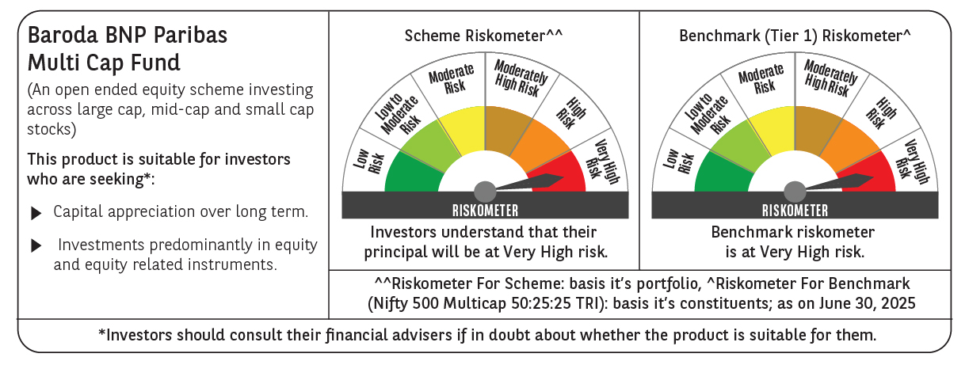
 | Baroda BNP Paribas Multi Cap Fund

 | Monthly Portfolio Statement as on June 30, 2025
 | Name of the Instrument | ISIN | Industry / Rating | Quantity | Market/Fair Value (Rs. in Lakhs) | % to Net Assets | YTM~ | YTC^ | null
 | Equity & Equity related
 | (a) Listed / awaiting listing on Stock Exchanges
HDFB03 | HDFC Bank Limited | INE040A01034 | Banks | 649,736 | 13,004.47 | 4.42%
IBCL05 | ICICI Bank Limited | INE090A01021 | Banks | 834,815 | 12,069.76 | 4.10%
RIND01 | Reliance Industries Limited | INE002A01018 | Petroleum Products | 750,000 | 11,254.50 | 3.82%
RAKH02 | Radico Khaitan Limited | INE944F01028 | Beverages | 249,003 | 6,516.91 | 2.21%
INAV01 | InterGlobe Aviation Limited | INE646L01027 | Transport Services | 104,000 | 6,215.56 | 2.11%
KAVY06 | Karur Vysya Bank Limited | INE036D01028 | Banks | 2,280,000 | 6,099.91 | 2.07%
INFS02 | Infosys Limited | INE009A01021 | IT - Software | 375,791 | 6,019.42 | 2.04%
TWAT02 | Titan Company Limited | INE280A01028 | Consumer Durables | 160,000 | 5,904.32 | 2.01%
BRIT03 | Britannia Industries Limited | INE216A01030 | Food Products | 100,100 | 5,856.85 | 1.99%
RACM01 | Rainbow Childrens Medicare Limited | INE961O01016 | Healthcare Services | 374,094 | 5,843.35 | 1.98%
BHAH02 | Bharat Heavy Electricals Limited | INE257A01026 | Electrical Equipment | 2,135,026 | 5,685.57 | 1.93%
MAXI02 | Max Financial Services Limited | INE180A01020 | Insurance | 345,000 | 5,682.50 | 1.93%
SAGI01 | Sagility India Limited | INE0W2G01015 | IT - Services | 13,581,677 | 5,597.01 | 1.90%
BOCL01 | Linde India Limited | INE473A01011 | Chemicals & Petrochemicals | 83,577 | 5,562.47 | 1.89%
ONCO02 | One 97 Communications Limited | INE982J01020 | Financial Technology (Fintech) | 579,739 | 5,356.79 | 1.82%
BTVL02 | Bharti Airtel Limited | INE397D01024 | Telecom - Services | 265,000 | 5,325.44 | 1.81%
ABBP01 | Hitachi Energy India Limited | INE07Y701011 | Electrical Equipment | 25,500 | 5,101.79 | 1.73%
LARS02 | Larsen & Toubro Limited | INE018A01030 | Construction | 138,897 | 5,097.24 | 1.73%
PRRC03 | Navin Fluorine International Limited | INE048G01026 | Chemicals & Petrochemicals | 105,400 | 5,080.39 | 1.73%
CONB01 | Concord Biotech Limited | INE338H01029 | Pharmaceuticals & Biotechnology | 274,075 | 5,041.88 | 1.71%
GCPL02 | Godrej Consumer Products Limited | INE102D01028 | Personal Products | 423,505 | 4,990.58 | 1.70%
SAEL02 | TVS Motor Company Limited | INE494B01023 | Automobiles | 170,000 | 4,960.60 | 1.68%
PHFP02 | PNB Housing Finance Limited | INE572E01012 | Finance | 445,108 | 4,938.03 | 1.68%
TEGA01 | Tega Industries Limited | INE011K01018 | Industrial Manufacturing | 300,576 | 4,682.07 | 1.59%
VMML01 | Vishal Mega Mart Limited | INE01EA01019 | Retailing | 3,465,000 | 4,642.41 | 1.58%
ZMPL01 | Eternal Limited | INE758T01015 | Retailing | 1,750,000 | 4,622.63 | 1.57%
PSYL02 | Persistent Systems Limited | INE262H01021 | IT - Software | 75,000 | 4,531.13 | 1.54%
MAHE01 | Max Healthcare Institute Limited | INE027H01010 | Healthcare Services | 350,000 | 4,466.00 | 1.52%
MUFL01 | Muthoot Finance Limited | INE414G01012 | Finance | 170,000 | 4,460.63 | 1.52%
UTIB02 | Axis Bank Limited | INE238A01034 | Banks | 368,705 | 4,421.51 | 1.50%
BAFL03 | Bajaj Finance Limited | INE296A01032 | Finance | 470,000 | 4,401.55 | 1.49%
DIVI02 | Divi's Laboratories Limited | INE361B01024 | Pharmaceuticals & Biotechnology | 64,000 | 4,358.08 | 1.48%
CDSL01 | Central Depository Services (India) Limited | INE736A01011 | Capital Markets | 240,000 | 4,305.60 | 1.46%
FAGP02 | Schaeffler India Limited | INE513A01022 | Auto Components | 104,607 | 4,233.76 | 1.44%
LTHL01 | Lemon Tree Hotels Limited | INE970X01018 | Leisure Services | 3,000,000 | 4,203.30 | 1.43%
SPIL03 | Sun Pharmaceutical Industries Limited | INE044A01036 | Pharmaceuticals & Biotechnology | 250,000 | 4,189.25 | 1.42%
MAGL01 | Mahanagar Gas Limited | INE002S01010 | Gas | 281,000 | 4,167.79 | 1.42%
MAHI02 | Mahindra & Mahindra Limited | INE101A01026 | Automobiles | 130,000 | 4,138.16 | 1.41%
ICEM01 | The India Cements Limited | INE383A01012 | Cement & Cement Products | 1,195,630 | 4,123.13 | 1.40%
ESMC02 | PB Fintech Limited | INE417T01026 | Financial Technology (Fintech) | 225,000 | 4,103.78 | 1.39%
CRED02 | CRISIL Limited | INE007A01025 | Finance | 67,344 | 4,072.97 | 1.38%
CENT02 | Aditya Birla Real Estate Limited | INE055A01016 | Paper, Forest & Jute Products | 165,000 | 4,019.07 | 1.37%
PRUD01 | Prudent Corporate Advisory Services Limited | INE00F201020 | Capital Markets | 145,609 | 3,944.84 | 1.34%
UNBI01 | Union Bank of India | INE692A01016 | Banks | 2,560,000 | 3,932.16 | 1.34%
JYCN01 | Jyoti CNC Automation Ltd | INE980O01024 | Industrial Manufacturing | 368,727 | 3,904.82 | 1.33%
LAKM02 | Trent Limited | INE849A01020 | Retailing | 60,000 | 3,730.50 | 1.27%
ABFS01 | Aditya Birla Capital Limited | INE674K01013 | Finance | 1,300,000 | 3,595.80 | 1.22%
BLUS03 | Blue Star Limited | INE472A01039 | Consumer Durables | 217,773 | 3,561.90 | 1.21%
AMBE01 | Amber Enterprises India Limited | INE371P01015 | Consumer Durables | 52,500 | 3,553.99 | 1.21%
NMDC01 | NMDC Limited | INE584A01023 | Minerals & Mining | 5,000,000 | 3,500.00 | 1.19%
VNBL03 | Varun Beverages Limited | INE200M01039 | Beverages | 763,495 | 3,493.37 | 1.19%
ACHI01 | Archean Chemical Industries Limited | INE128X01021 | Chemicals & Petrochemicals | 549,592 | 3,476.72 | 1.18%
KCUL02 | Cummins India Limited | INE298A01020 | Industrial Products | 100,000 | 3,399.40 | 1.15%
APLI04 | Hexaware Technologies Limited | INE093A01041 | IT - Software | 388,373 | 3,303.31 | 1.12%
BSEL02 | BSE Limited | INE118H01025 | Capital Markets | 115,000 | 3,185.62 | 1.08%
DLPL01 | Dr. Lal Path Labs Limited | INE600L01024 | Healthcare Services | 100,800 | 2,818.67 | 0.96%
BEFS01 | Mrs. Bectors Food Specialities Limited | INE495P01012 | Food Products | 198,233 | 2,709.05 | 0.92%
KPEL01 | KPIT Technologies Limited | INE04I401011 | IT - Software | 212,600 | 2,676.00 | 0.91%
SCDL01 | Sundaram Clayton Limited | INE0Q3R01026 | Auto Components | 125,923 | 2,608.37 | 0.89%
 | Sub Total |  |  |  | 286,742.68 | 97.41%
 | (b) Unlisted
AMCL01 | Amex Carb & Chem Limited # | EQ528501XXXX | Miscellaneous | 149,000 | 0.01 | 0.00%
ACOT01 | Accord Cotsyn Limited # | EQ528401XXXX | Retailing | 25,000 | $0.00 | 0.00%
SINV02 | SIV Industries Limited # | INE639A01017 | Textiles - Synthetic | 14,750 | $0.00 | 0.00%
ROYL01 | Royal Indutries Limited # | EQ528201XXXX | Retailing | 10,000 | $0.00 | 0.00%
SDSL01 | DSQ SOFTWARE # | INE286A01017 | Software | 8,000 | $0.00 | 0.00%
WPIL01 | Western Paques (India) Limited # | EQ816301XXXX | Miscellaneous | 6,650 | $0.00 | 0.00%
 | Sub Total |  |  |  | 0.01 | 0.00%
 | Total |  |  |  | 286,742.69 | 97.41%
 | Money Market Instruments
 | Treasury Bill
TBIL2450 | 364 Days Tbill (MD 18/12/2025) | IN002024Z362 | Sovereign | 2,000,000 | 1,950.02 | 0.66% | 5.50%
 | Sub Total |  |  |  | 1,950.02 | 0.66%
 | Total |  |  |  | 1,950.02 | 0.66%
 | Reverse Repo / TREPS
TRP_010725 | Clearing Corporation of India Ltd |  |  |  | 8,169.66 | 2.77% | 5.47%
 | Sub Total |  |  |  | 8,169.66 | 2.77%
 | Total |  |  |  | 8,169.66 | 2.77%
 | Net Receivables / (Payables) |  |  |  | (2,439.26) | (0.84)%
 | GRAND TOTAL |  |  |  | 294,423.11 | 100.00%

 | # Unlisted Security
 | $ Less Than 0.01% of Net Asset Value
 | ~ YTM as on June 30, 2025
 | ^ YTC represents Yield to Call provided by valuation agencies as on June 30, 2025. It is disclosed for Perpetual Bond issued by Banks (i.e. AT-1 Bond / Tier 1 Bond / Tier 2 Bond), as per AMFI Best Practices Guidelines Circular no. 135/BP/91/2020-21 read with SEBI circular No. SEBI/HO/IMD/DF4/CIR/P/2021/034 on Valuation of AT-1 Bonds and Tier 2 Bonds.

