YR04
 | Baroda BNP Paribas Multi Cap Fund

 | Monthly Portfolio Statement as on November 30, 2025
 | Name of the Instrument | ISIN | Industry / Rating | Quantity | Market/Fair Value (Rs. in Lakhs) | % to Net Assets | YTM~ | YTC^ | null
 | Equity & Equity related
 | (a) Listed / awaiting listing on Stock Exchanges
HDFB03 | HDFC Bank Limited | INE040A01034 | Banks | 1,269,472 | 12,791.20 | 4.06%
RIND01 | Reliance Industries Limited | INE002A01018 | Petroleum Products | 670,000 | 10,502.25 | 3.34%
IBCL05 | ICICI Bank Limited | INE090A01021 | Banks | 600,000 | 8,332.80 | 2.65%
ONCO02 | One 97 Communications Limited | INE982J01020 | Financial Technology (Fintech) | 600,000 | 7,923.60 | 2.52%
SAGI01 | Sagility Limited | INE0W2G01015 | IT - Services | 15,751,261 | 7,888.23 | 2.51%
RAKH02 | Radico Khaitan Limited | INE944F01028 | Beverages | 240,000 | 7,699.44 | 2.45%
SAEL02 | TVS Motor Company Limited | INE494B01023 | Automobiles | 200,000 | 7,063.00 | 2.24%
PRRC03 | Navin Fluorine International Limited | INE048G01026 | Chemicals & Petrochemicals | 120,000 | 6,882.60 | 2.19%
AMBE01 | Amber Enterprises India Limited | INE371P01015 | Consumer Durables | 90,000 | 6,462.90 | 2.05%
KAVY06 | Karur Vysya Bank Limited | INE036D01028 | Banks | 2,600,000 | 6,447.22 | 2.05%
MAHI02 | Mahindra & Mahindra Limited | INE101A01026 | Automobiles | 170,000 | 6,387.41 | 2.03%
TWAT02 | Titan Company Limited | INE280A01028 | Consumer Durables | 160,000 | 6,252.32 | 1.99%
INFS02 | Infosys Limited | INE009A01021 | IT - Software | 400,000 | 6,240.40 | 1.98%
TRFO01 | Travel Food Services Limited | INE103V01028 | Leisure Services | 454,564 | 6,117.98 | 1.94%
TEMA02 | Tech Mahindra Limited | INE669C01036 | IT - Software | 400,000 | 6,069.20 | 1.93%
CDSL01 | Central Depository Services (India) Limited | INE736A01011 | Capital Markets | 375,000 | 6,064.50 | 1.93%
BAFL03 | Bajaj Finance Limited | INE296A01032 | Finance | 570,000 | 5,913.75 | 1.88%
ABFS01 | Aditya Birla Capital Limited | INE674K01013 | Finance | 1,650,000 | 5,907.83 | 1.88%
BRIT03 | Britannia Industries Limited | INE216A01030 | Food Products | 100,100 | 5,851.85 | 1.86%
MAHE01 | Max Healthcare Institute Limited | INE027H01010 | Healthcare Services | 500,000 | 5,814.00 | 1.85%
PSYL02 | Persistent Systems Limited | INE262H01021 | IT - Software | 90,000 | 5,717.70 | 1.82%
LARS02 | Larsen & Toubro Limited | INE018A01030 | Construction | 138,897 | 5,652.55 | 1.80%
MAUD01 | Maruti Suzuki India Limited | INE585B01010 | Automobiles | 35,000 | 5,565.00 | 1.77%
SLIF01 | SBI Life Insurance Company Limited | INE123W01016 | Insurance | 275,000 | 5,406.50 | 1.72%
PUBA02 | Punjab National Bank | INE160A01022 | Banks | 4,234,938 | 5,272.50 | 1.68%
BTVL02 | Bharti Airtel Limited | INE397D01024 | Telecom - Services | 250,000 | 5,254.00 | 1.67%
RCAM01 | Nippon Life India Asset Management Limited | INE298J01013 | Capital Markets | 600,000 | 5,253.60 | 1.67%
ZMPL01 | Eternal Limited | INE758T01015 | Retailing | 1,750,000 | 5,251.75 | 1.67%
RACM01 | Rainbow Childrens Medicare Limited | INE961O01016 | Healthcare Services | 374,094 | 5,055.13 | 1.61%
VMML01 | Vishal Mega Mart Limited | INE01EA01019 | Retailing | 3,700,000 | 5,024.60 | 1.60%
ABBP01 | Hitachi Energy India Limited | INE07Y701011 | Electrical Equipment | 22,500 | 4,962.60 | 1.58%
INSP01 | Indiqube Spaces Limited | INE06ST01018 | Commercial Services & Supplies | 2,166,106 | 4,886.95 | 1.55%
DLPL01 | Dr. Lal Path Labs Limited | INE600L01024 | Healthcare Services | 160,000 | 4,882.88 | 1.55%
BHAE02 | BEML Limited | INE258A01024 | Agricultural, Commercial & Construction Vehicles | 260,000 | 4,752.80 | 1.51%
ICEM01 | The India Cements Limited | INE383A01012 | Cement & Cement Products | 1,195,630 | 4,696.43 | 1.49%
LTHL01 | Lemon Tree Hotels Limited | INE970X01018 | Leisure Services | 2,800,000 | 4,431.56 | 1.41%
DIXO02 | Dixon Technologies (India) Limited | INE935N01020 | Consumer Durables | 30,000 | 4,380.30 | 1.39%
BLUS03 | Blue Star Limited | INE472A01039 | Consumer Durables | 245,000 | 4,325.23 | 1.37%
BOCL01 | Linde India Limited | INE473A01011 | Chemicals & Petrochemicals | 70,211 | 4,188.79 | 1.33%
FAGP02 | Schaeffler India Limited | INE513A01022 | Auto Components | 104,607 | 4,079.05 | 1.30%
BLTE01 | Swiggy Limited | INE00H001014 | Retailing | 1,045,000 | 3,953.24 | 1.26%
TEGA01 | Tega Industries Limited | INE011K01018 | Industrial Manufacturing | 200,000 | 3,871.20 | 1.23%
INAV01 | InterGlobe Aviation Limited | INE646L01027 | Transport Services | 65,000 | 3,835.98 | 1.22%
NMDC01 | NMDC Limited | INE584A01023 | Minerals & Mining | 5,000,000 | 3,696.00 | 1.17%
BSEL02 | BSE Limited | INE118H01025 | Capital Markets | 125,000 | 3,628.00 | 1.15%
MALE02 | Poonawalla Fincorp Limited | INE511C01022 | Finance | 750,000 | 3,602.25 | 1.14%
DIVI02 | Divi's Laboratories Limited | INE361B01024 | Pharmaceuticals & Biotechnology | 55,000 | 3,562.35 | 1.13%
PRUD01 | Prudent Corporate Advisory Services Limited | INE00F201020 | Capital Markets | 143,357 | 3,545.51 | 1.13%
INBK01 | Indian Bank | INE562A01011 | Banks | 400,000 | 3,481.00 | 1.11%
IIBL01 | IndusInd Bank Limited | INE095A01012 | Banks | 398,367 | 3,420.18 | 1.09%
MAGL01 | Mahanagar Gas Limited | INE002S01010 | Gas | 276,035 | 3,312.97 | 1.05%
LGEL01 | LG Electronics India Ltd | INE324D01010 | Consumer Durables | 190,132 | 3,154.86 | 1.00%
CRED02 | CRISIL Limited | INE007A01025 | Finance | 55,561 | 2,457.85 | 0.78%
SSNL02 | Delhivery Limited | INE148O01028 | Transport Services | 575,000 | 2,450.65 | 0.78%
CANB02 | Canara Bank | INE476A01022 | Banks | 1,600,000 | 2,425.28 | 0.77%
BHAH02 | Bharat Heavy Electricals Limited | INE257A01026 | Electrical Equipment | 800,000 | 2,326.80 | 0.74%
KCUL02 | Cummins India Limited | INE298A01020 | Industrial Products | 50,000 | 2,239.65 | 0.71%
CENT02 | Aditya Birla Real Estate Limited | INE055A01016 | Paper, Forest & Jute Products | 90,537 | 1,605.76 | 0.51%
SAEL21PS | TVS Motor Company Limited (Non Convertible Preference Share) ** | INE494B04019 | Automobiles | 800,000 | 81.12 | 0.03%
 | Sub Total |  |  |  | 298,303.05 | 94.82%
 | (b) Unlisted
AMCL01 | Amex Carb & Chem Limited # | EQ528501XXXX | Miscellaneous | 149,000 | 0.01 | 0.00%
ACOT01 | Accord Cotsyn Limited # | EQ528401XXXX | Retailing | 25,000 | $0.00 | 0.00%
SINV02 | SIV Industries Limited # | INE639A01017 | Textiles - Synthetic | 14,750 | $0.00 | 0.00%
ROYL01 | Royal Indutries Limited # | EQ528201XXXX | Retailing | 10,000 | $0.00 | 0.00%
SDSL01 | DSQ SOFTWARE # | INE286A01017 | Software | 8,000 | $0.00 | 0.00%
WPIL01 | Western Paques (India) Limited # | EQ816301XXXX | Miscellaneous | 6,650 | $0.00 | 0.00%
 | Sub Total |  |  |  | 0.01 | 0.00%
 | Total |  |  |  | 298,303.06 | 94.82%
 | Money Market Instruments
 | Treasury Bill
TBIL2450 | 364 Days Tbill (MD 18/12/2025) | IN002024Z362 | Sovereign | 2,000,000 | 1,995.09 | 0.63% | 5.28%
 | Sub Total |  |  |  | 1,995.09 | 0.63%
 | Total |  |  |  | 1,995.09 | 0.63%
 | Reverse Repo / TREPS
TRP_011225 | Clearing Corporation of India Ltd |  |  |  | 14,186.30 | 4.51% | 5.43%
 | Sub Total |  |  |  | 14,186.30 | 4.51%
 | Total |  |  |  | 14,186.30 | 4.51%
 | Net Receivables / (Payables) |  |  |  | 267.89 | 0.04%
 | GRAND TOTAL |  |  |  | 314,752.34 | 100.00%

 | ** Thinly Traded / Non Traded Security
 | # Unlisted Security
 | $ Less Than 0.01% of Net Asset Value
 | ~ YTM as on November 30, 2025
 | ^ YTC represents Yield to Call provided by valuation agencies as on November 30, 2025. It is disclosed for Perpetual Bond issued by Banks (i.e. AT-1 Bond / Tier 1 Bond / Tier 2 Bond), as per AMFI Best Practices Guidelines Circular no. 135/BP/91/2020-21 read with SEBI circular No. SEBI/HO/IMD/DF4/CIR/P/2021/034 on Valuation of AT-1 Bonds and Tier 2 Bonds.

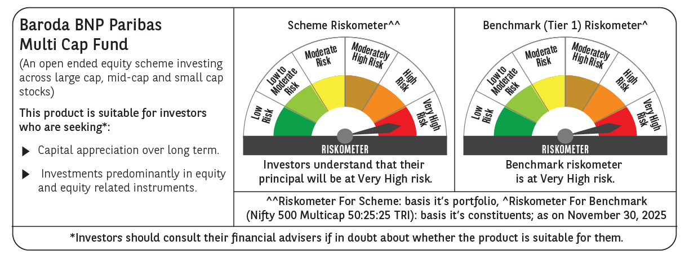

 | Monthly Performance Link: https://www.barodabnpparibasmf.in/assets/download_documents/Performance_of_Schemes_Nov-2025_15612.pdf

