Monthly Portfolio
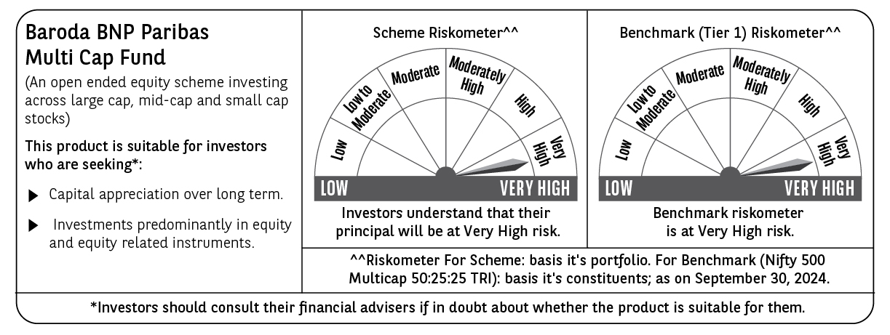
 | Baroda BNP Paribas Multi Cap Fund

 | Monthly Portfolio Statement as on September 30, 2024
 | Name of the Instrument | ISIN | Industry / Rating | Quantity | Market/Fair Value (Rs. in Lakhs) | % to Net Assets | YTM~ | YTC^ | null
 | Equity & Equity related
 | (a) Listed / awaiting listing on Stock Exchanges
IBCL05 | ICICI Bank Limited | INE090A01021 | Banks | 799,815 | 10,181.64 | 3.62%
HDFB03 | HDFC Bank Limited | INE040A01034 | Banks | 499,736 | 8,655.68 | 3.08%
RIND01 | Reliance Industries Limited | INE002A01018 | Petroleum Products | 262,500 | 7,752.02 | 2.76%
ZMPL01 | Zomato Limited | INE758T01015 | Retailing | 2,723,000 | 7,441.96 | 2.65%
BEFS01 | Mrs. Bectors Food Specialities Limited | INE495P01012 | Food Products | 379,226 | 7,229.19 | 2.57%
LAKM02 | Trent Limited | INE849A01020 | Retailing | 90,000 | 6,817.19 | 2.43%
JYCN01 | Jyoti CNC Automation Ltd | INE980O01024 | Industrial Manufacturing | 579,492 | 6,636.34 | 2.36%
SPIL03 | Sun Pharmaceutical Industries Limited | INE044A01036 | Pharmaceuticals & Biotechnology | 340,000 | 6,550.78 | 2.33%
SAEL02 | TVS Motor Company Limited | INE494B01023 | Automobiles | 218,000 | 6,190.87 | 2.20%
AFPL02 | AU Small Finance Bank Limited | INE949L01017 | Banks | 825,000 | 6,106.65 | 2.17%
INFS02 | Infosys Limited | INE009A01021 | IT - Software | 320,000 | 6,001.92 | 2.14%
IFEL01 | Oracle Financial Services Software Limited | INE881D01027 | IT - Software | 50,000 | 5,729.35 | 2.04%
ALLI02 | GE T&D India Limited | INE200A01026 | Electrical Equipment | 336,712 | 5,660.13 | 2.01%
DABU02 | Dabur India Limited | INE016A01026 | Personal Products | 900,000 | 5,626.80 | 2.00%
NTPC01 | NTPC Limited | INE733E01010 | Power | 1,250,000 | 5,540.00 | 1.97%
DIVI02 | Divi's Laboratories Limited | INE361B01024 | Pharmaceuticals & Biotechnology | 100,000 | 5,443.35 | 1.94%
MAXI02 | Max Financial Services Limited | INE180A01020 | Insurance | 450,000 | 5,359.50 | 1.91%
LARS02 | Larsen & Toubro Limited | INE018A01030 | Construction | 143,897 | 5,289.01 | 1.88%
ESMC02 | PB Fintech Limited | INE417T01026 | Financial Technology (Fintech) | 325,000 | 5,264.84 | 1.87%
ABBP01 | Hitachi Energy India Limited | INE07Y701011 | Electrical Equipment | 35,500 | 5,163.58 | 1.84%
BTVL02 | Bharti Airtel Limited | INE397D01024 | Telecom - Services | 300,000 | 5,128.65 | 1.82%
PHFP02 | PNB Housing Finance Limited | INE572E01012 | Finance | 510,108 | 5,014.11 | 1.78%
BOCL01 | Linde India Limited | INE473A01011 | Chemicals & Petrochemicals | 58,338 | 4,950.04 | 1.76%
ILOM01 | ICICI Lombard General Insurance Company Limited | INE765G01017 | Insurance | 225,000 | 4,892.40 | 1.74%
TCSL01 | Tata Consultancy Services Limited | INE467B01029 | IT - Software | 113,185 | 4,831.30 | 1.72%
TEGA01 | Tega Industries Limited | INE011K01018 | Industrial Manufacturing | 252,955 | 4,741.01 | 1.69%
DIXO02 | Dixon Technologies (India) Limited | INE935N01020 | Consumer Durables | 34,000 | 4,693.00 | 1.67%
ICON01 | Firstsource Solutions Limited | INE684F01012 | Commercial Services & Supplies | 1,500,000 | 4,667.25 | 1.66%
PGCI01 | Power Grid Corporation of India Limited | INE752E01010 | Power | 1,314,000 | 4,636.45 | 1.65%
MOTI02 | Bosch Limited | INE323A01026 | Auto Components | 12,000 | 4,521.47 | 1.61%
CAMS01 | Computer Age Management Services Limited | INE596I01012 | Capital Markets | 100,000 | 4,409.10 | 1.57%
KEII02 | KEI Industries Limited | INE878B01027 | Industrial Products | 102,417 | 4,401.17 | 1.57%
AMRA03 | Amara Raja Energy & Mobility Ltd | INE885A01032 | Auto Components | 300,000 | 4,277.85 | 1.52%
IIFM02 | 360 One WAM Limited | INE466L01038 | Capital Markets | 410,000 | 4,262.36 | 1.52%
JYLL02 | Jyothy Labs Limited | INE668F01031 | Household Products | 762,665 | 4,255.67 | 1.51%
NSDL02 | Protean eGov Technologies Limited | INE004A01022 | IT - Services | 225,000 | 4,243.61 | 1.51%
PHMI02 | The Phoenix Mills Limited | INE211B01039 | Realty | 228,510 | 4,217.49 | 1.50%
TTEC01 | Tata Technologies Limited | INE142M01025 | IT - Services | 375,000 | 4,136.81 | 1.47%
CONB01 | Concord Biotech Limited | INE338H01029 | Pharmaceuticals & Biotechnology | 199,359 | 4,052.07 | 1.44%
RAKH02 | Radico Khaitan Limited | INE944F01028 | Beverages | 193,900 | 3,966.13 | 1.41%
SBAI02 | State Bank of India | INE062A01020 | Banks | 500,000 | 3,939.50 | 1.40%
PRRC03 | Navin Fluorine International Limited | INE048G01026 | Chemicals & Petrochemicals | 110,000 | 3,785.49 | 1.35%
CROM02 | CG Power and Industrial Solutions Limited | INE067A01029 | Electrical Equipment | 498,184 | 3,781.47 | 1.35%
JBCH03 | JB Chemicals & Pharmaceuticals Limited | INE572A01036 | Pharmaceuticals & Biotechnology | 199,509 | 3,740.79 | 1.33%
JSTA02 | Jindal Stainless Limited | INE220G01021 | Ferrous Metals | 465,000 | 3,675.83 | 1.31%
NACL03 | National Aluminium Company Limited | INE139A01034 | Non - Ferrous Metals | 1,700,000 | 3,574.93 | 1.27%
GUAM02 | Ambuja Cements Limited | INE079A01024 | Cement & Cement Products | 543,714 | 3,439.26 | 1.22%
RACM01 | Rainbow Childrens Medicare Limited | INE961O01016 | Healthcare Services | 244,187 | 3,418.25 | 1.22%
PFCL01 | Power Finance Corporation Limited | INE134E01011 | Finance | 700,000 | 3,416.35 | 1.22%
RATN01 | RBL Bank Limited | INE976G01028 | Banks | 1,535,000 | 3,135.70 | 1.12%
AGBL01 | Angel One Limited | INE732I01013 | Capital Markets | 117,500 | 3,010.00 | 1.07%
BINL01 | Indus Towers Limited | INE121J01017 | Telecom - Services | 766,489 | 3,008.85 | 1.07%
RATM02 | Ratnamani Metals & Tubes Limited | INE703B01027 | Industrial Products | 80,000 | 2,934.12 | 1.04%
WABT01 | ZF Commercial Vehicle Control Systems India Limited | INE342J01019 | Auto Components | 17,772 | 2,823.60 | 1.00%
HPEC01 | Hindustan Petroleum Corporation Limited | INE094A01015 | Petroleum Products | 450,000 | 1,982.48 | 0.71%
SINV02 | SIV Industries Limited | INE639A01017 | Textiles - Synthetic | 14,750 | $0.00 | $0.00%
 | Sub Total |  |  |  | 268,605.36 | 95.57%
 | (b) Unlisted
AMCL01 | Amex Carb & Chem Limited # | EQ528501XXXX | Miscellaneous | 149,000 | 0.01 | $0.00%
ACOT01 | Accord Cotsyn Limited # | EQ528401XXXX | Retailing | 25,000 | $0.00 | $0.00%
ROYL01 | Royal Indutries Limited # | EQ528201XXXX | Retailing | 10,000 | $0.00 | $0.00%
SDSL01 | DSQ SOFTWARE # | INE286A01017 | Software | 8,000 | $0.00 | $0.00%
WPIL01 | Western Paques (India) Limited # | EQ816301XXXX | Miscellaneous | 6,650 | $0.00 | $0.00%
 | Sub Total |  |  |  | 0.01 | 0.00%
 | Total |  |  |  | 268,605.37 | 95.57%
 | Derivatives
 | Index / Stock Futures
HPECOCT24 | Hindustan Petroleum Corporation Limited October 2024 Future |  |  | 550,800 | 2,441.15 | 0.87%
 | Sub Total |  |  |  | 2,441.15 | 0.87%
 | Total |  |  |  | 2,441.15 | 0.87%
 | Money Market Instruments
 | Treasury Bill
TBIL2396 | 182 Days Tbill (MD 14/02/2025) | IN002024Y209 | Sovereign | 1,000,000 | 976.28 | 0.35% | 6.52%
 | Sub Total |  |  |  | 976.28 | 0.35%
 | Total |  |  |  | 976.28 | 0.35%
 | Reverse Repo / TREPS
TRP_011024 | Clearing Corporation of India Ltd |  |  |  | 10,477.59 | 3.73% | 6.65%
 | Sub Total |  |  |  | 10,477.59 | 3.73%
 | Total |  |  |  | 10,477.59 | 3.73%
 | Net Receivables / (Payables) |  |  |  | (1,427.20) | (0.52)%
 | GRAND TOTAL |  |  |  | 281,073.19 | 100.00%

 | # Unlisted Security
 | $ Less Than 0.01% of Net Asset Value
 | ~ YTM as on September 30, 2024
 | ^ YTC represents Yield to Call provided by valuation agencies as on September 30, 2024. It is disclosed for Perpetual Bond issued by Banks (i.e. AT-1 Bond / Tier 1 Bond / Tier 2 Bond), as per AMFI Best Practices Guidelines Circular no. 135/BP/91/2020-21 read with SEBI circular No. SEBI/HO/IMD/DF4/CIR/P/2021/034 on Valuation of AT-1 Bonds and Tier 2 Bonds.
 | Details of Stock Future / Index Future
 | Long/Short | Name of the Instrument | Industry | Quantity. | Market/Fair Value (Rs. in Lacs). | % to NAV.
 | Long | Hindustan Petroleum | Petroleum Products | 550,800 | 2,441.15 | 0.87%

