YR04
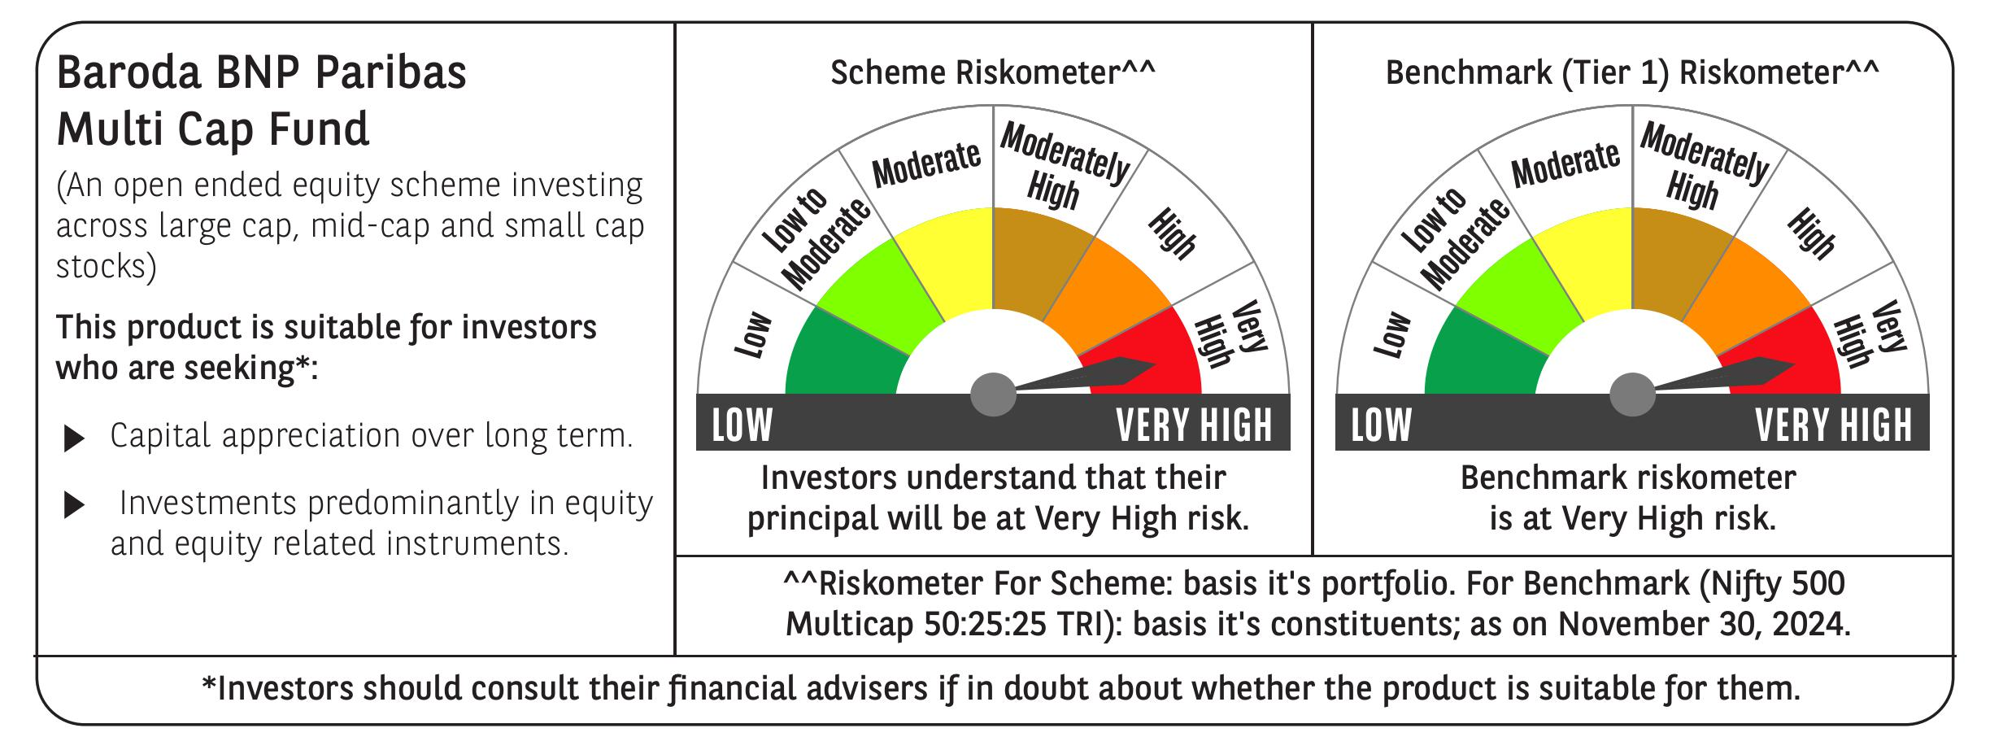
 | Baroda BNP Paribas Multi Cap Fund

 | Monthly Portfolio Statement as on November 30, 2024
 | Name of the Instrument | ISIN | Industry / Rating | Quantity | Market/Fair Value (Rs. in Lakhs) | % to Net Assets | YTM~ | YTC^ | null
 | Equity & Equity related
 | (a) Listed / awaiting listing on Stock Exchanges
IBCL05 | ICICI Bank Limited | INE090A01021 | Banks | 799,815 | 10,398.39 | 3.73%
HDFB03 | HDFC Bank Limited | INE040A01034 | Banks | 499,736 | 8,975.51 | 3.22%
RIND01 | Reliance Industries Limited | INE002A01018 | Petroleum Products | 625,000 | 8,076.25 | 2.89%
ESMC02 | PB Fintech Limited | INE417T01026 | Financial Technology (Fintech) | 400,000 | 7,575.60 | 2.71%
ALLI02 | GE Vernova T&D India Limited | INE200A01026 | Electrical Equipment | 396,712 | 6,967.06 | 2.50%
BEFS01 | Mrs. Bectors Food Specialities Limited | INE495P01012 | Food Products | 379,226 | 6,880.30 | 2.47%
ZMPL01 | Zomato Limited | INE758T01015 | Retailing | 2,323,000 | 6,498.82 | 2.33%
DIVI02 | Divi's Laboratories Limited | INE361B01024 | Pharmaceuticals & Biotechnology | 100,000 | 6,172.70 | 2.21%
DIXO02 | Dixon Technologies (India) Limited | INE935N01020 | Consumer Durables | 39,000 | 6,164.89 | 2.21%
LAKM02 | Trent Limited | INE849A01020 | Retailing | 90,000 | 6,115.86 | 2.19%
SPIL03 | Sun Pharmaceutical Industries Limited | INE044A01036 | Pharmaceuticals & Biotechnology | 340,000 | 6,055.06 | 2.17%
JYCN01 | Jyoti CNC Automation Ltd | INE980O01024 | Industrial Manufacturing | 483,492 | 6,005.70 | 2.15%
INFS02 | Infosys Limited | INE009A01021 | IT - Software | 320,000 | 5,945.12 | 2.13%
IFEL01 | Oracle Financial Services Software Limited | INE881D01027 | IT - Software | 50,000 | 5,848.23 | 2.10%
ICON01 | Firstsource Solutions Limited | INE684F01012 | Commercial Services & Supplies | 1,550,000 | 5,683.85 | 2.04%
CRED02 | CRISIL Limited | INE007A01025 | Finance | 105,296 | 5,648.08 | 2.02%
SAEL02 | TVS Motor Company Limited | INE494B01023 | Automobiles | 218,000 | 5,307.10 | 1.90%
KEII02 | KEI Industries Limited | INE878B01027 | Industrial Products | 122,417 | 5,280.15 | 1.89%
NSDL02 | Protean eGov Technologies Limited | INE004A01022 | IT - Services | 280,467 | 4,978.71 | 1.78%
CAMS01 | Computer Age Management Services Limited | INE596I01012 | Capital Markets | 100,000 | 4,928.40 | 1.77%
BTVL02 | Bharti Airtel Limited | INE397D01024 | Telecom - Services | 300,000 | 4,881.45 | 1.75%
AFPL02 | AU Small Finance Bank Limited | INE949L01017 | Banks | 825,000 | 4,812.64 | 1.72%
RAKH02 | Radico Khaitan Limited | INE944F01028 | Beverages | 193,900 | 4,765.77 | 1.71%
DABU02 | Dabur India Limited | INE016A01026 | Personal Products | 900,000 | 4,744.35 | 1.70%
IIFM02 | 360 One WAM Limited | INE466L01038 | Capital Markets | 410,000 | 4,571.71 | 1.64%
PHFP02 | PNB Housing Finance Limited | INE572E01012 | Finance | 510,108 | 4,548.63 | 1.63%
PFCL01 | Power Finance Corporation Limited | INE134E01011 | Finance | 900,000 | 4,457.70 | 1.60%
SAGI01 | Sagility India Limited | INE0W2G01015 | IT - Services | 12,031,677 | 4,454.13 | 1.60%
LARS02 | Larsen & Toubro Limited | INE018A01030 | Construction | 118,897 | 4,428.68 | 1.59%
RACM01 | Rainbow Childrens Medicare Limited | INE961O01016 | Healthcare Services | 274,187 | 4,357.93 | 1.56%
TEGA01 | Tega Industries Limited | INE011K01018 | Industrial Manufacturing | 252,955 | 4,350.45 | 1.56%
PGCI01 | Power Grid Corporation of India Limited | INE752E01010 | Power | 1,314,000 | 4,328.32 | 1.55%
ABBP01 | Hitachi Energy India Limited | INE07Y701011 | Electrical Equipment | 35,500 | 4,252.39 | 1.52%
CONB01 | Concord Biotech Limited | INE338H01029 | Pharmaceuticals & Biotechnology | 199,359 | 4,241.36 | 1.52%
MOTI02 | Bosch Limited | INE323A01026 | Auto Components | 12,000 | 4,195.94 | 1.50%
SBAI02 | State Bank of India | INE062A01020 | Banks | 500,000 | 4,194.75 | 1.50%
ILOM01 | ICICI Lombard General Insurance Company Limited | INE765G01017 | Insurance | 225,000 | 4,189.16 | 1.50%
BOCL01 | Linde India Limited | INE473A01011 | Chemicals & Petrochemicals | 58,338 | 4,037.43 | 1.45%
MAHE01 | Max Healthcare Institute Limited | INE027H01010 | Healthcare Services | 400,000 | 3,919.00 | 1.40%
MAXI02 | Max Financial Services Limited | INE180A01020 | Insurance | 345,000 | 3,912.13 | 1.40%
PRRC03 | Navin Fluorine International Limited | INE048G01026 | Chemicals & Petrochemicals | 110,000 | 3,858.69 | 1.38%
AMRA03 | Amara Raja Energy & Mobility Ltd | INE885A01032 | Auto Components | 300,000 | 3,842.10 | 1.38%
AGBL01 | Angel One Limited | INE732I01013 | Capital Markets | 132,500 | 3,838.66 | 1.38%
NGEL01 | NTPC Green Energy Limited | INE0ONG01011 | Power | 3,044,420 | 3,800.65 | 1.36%
PHMI02 | The Phoenix Mills Limited | INE211B01039 | Realty | 228,510 | 3,784.70 | 1.36%
CROM02 | CG Power and Industrial Solutions Limited | INE067A01029 | Electrical Equipment | 498,184 | 3,647.95 | 1.31%
TCSL01 | Tata Consultancy Services Limited | INE467B01029 | IT - Software | 83,185 | 3,552.71 | 1.27%
COCH02 | Cochin Shipyard Limited | INE704P01025 | Industrial Manufacturing | 225,000 | 3,548.93 | 1.27%
JYLL02 | Jyothy Labs Limited | INE668F01031 | Household Products | 762,665 | 3,203.96 | 1.15%
JSTA02 | Jindal Stainless Limited | INE220G01021 | Ferrous Metals | 465,000 | 3,176.88 | 1.14%
BHAH02 | Bharat Heavy Electricals Limited | INE257A01026 | Electrical Equipment | 1,235,026 | 3,101.03 | 1.11%
NACL03 | National Aluminium Company Limited | INE139A01034 | Non - Ferrous Metals | 1,200,000 | 2,905.68 | 1.04%
GUAM02 | Ambuja Cements Limited | INE079A01024 | Cement & Cement Products | 543,714 | 2,889.84 | 1.04%
VNBL03 | Varun Beverages Limited | INE200M01039 | Beverages | 463,495 | 2,879.23 | 1.03%
RATM02 | Ratnamani Metals & Tubes Limited | INE703B01027 | Industrial Products | 51,604 | 1,771.57 | 0.63%
HPEC01 | Hindustan Petroleum Corporation Limited | INE094A01015 | Petroleum Products | 275,000 | 1,053.53 | 0.38%
 | Sub Total |  |  |  | 268,005.81 | 96.04%
 | (b) Unlisted
AMCL01 | Amex Carb & Chem Limited # | EQ528501XXXX | Miscellaneous | 149,000 | 0.01 | $0.00%
ACOT01 | Accord Cotsyn Limited # | EQ528401XXXX | Retailing | 25,000 | $0.00 | $0.00%
ROYL01 | Royal Indutries Limited # | EQ528201XXXX | Retailing | 10,000 | $0.00 | $0.00%
SDSL01 | DSQ SOFTWARE # | INE286A01017 | Software | 8,000 | $0.00 | $0.00%
SINV02 | SIV Industries Limited # | INE639A01017 | Textiles - Synthetic | 14,750 | $0.00 | $0.00%
WPIL01 | Western Paques (India) Limited # | EQ816301XXXX | Miscellaneous | 6,650 | $0.00 | $0.00%
 | Sub Total |  |  |  | 0.01 | 0.00%
 | Total |  |  |  | 268,005.82 | 96.04%
 | Derivatives
 | Index / Stock Futures
HPECDEC24 | Hindustan Petroleum Corporation Limited December 2024 Future |  |  | 550,800 | 2,124.99 | 0.76%
 | Sub Total |  |  |  | 2,124.99 | 0.76%
 | Total |  |  |  | 2,124.99 | 0.76%
 | Money Market Instruments
 | Treasury Bill
TBIL2396 | 182 Days Tbill (MD 14/02/2025) | IN002024Y209 | Sovereign | 1,000,000 | 986.92 | 0.35% | 6.45%
 | Sub Total |  |  |  | 986.92 | 0.35%
 | Total |  |  |  | 986.92 | 0.35%
 | Reverse Repo / TREPS
TRP_021224 | Clearing Corporation of India Ltd |  |  |  | 6,534.39 | 2.34% | 6.69%
 | Sub Total |  |  |  | 6,534.39 | 2.34%
 | Total |  |  |  | 6,534.39 | 2.34%
 | Net Receivables / (Payables) |  |  |  | 1,421.27 | 0.51%
 | GRAND TOTAL |  |  |  | 279,073.39 | 100.00%

 | # Unlisted Security
 | $ Less Than 0.01% of Net Asset Value
 | ~ YTM as on November 30, 2024
 | ^ YTC represents Yield to Call provided by valuation agencies as on November 30, 2024. It is disclosed for Perpetual Bond issued by Banks (i.e. AT-1 Bond / Tier 1 Bond / Tier 2 Bond), as per AMFI Best Practices Guidelines Circular no. 135/BP/91/2020-21 re
 | Details of Stock Future / Index Future
 | Long/Short | Name of the Instrument | Industry | Quantity. | Market/Fair Value (Rs. in Lacs). | % to NAV.
 | Long | Hindustan Petroleum Corporation Limited_26/12/2024 | Petroleum Products | 550,800 | 2,124.99 | 0.76%

