YR07
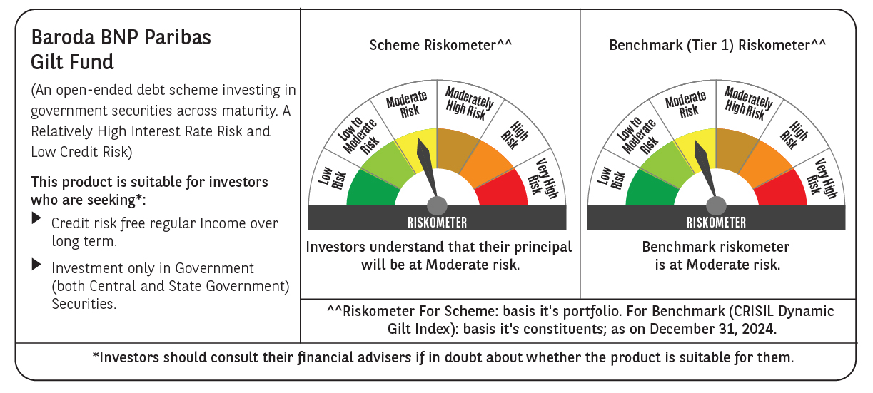

 | Baroda BNP Paribas Gilt Fund

 | Monthly Portfolio Statement as on December 31, 2024
 | Name of the Instrument | ISIN | Rating | Quantity | Market/Fair Value (Rs. in Lakhs) | % to Net Assets | YTM~ | YTC^ | null
 | Debt Instruments
 | (a) Listed / awaiting listing on Stock Exchange
GOI5713 | 7.1% Government of India (08/04/2034) | IN0020240019 | Sovereign | 69,293,200 | 70,739.14 | 42.50% | 6.91%
GOI6156 | 6.79% Government of India (07/10/2034) | IN0020240126 | Sovereign | 27,500,000 | 27,555.99 | 16.55% | 6.87%
GOI5379 | 7.32% Government of India (13/11/2030) | IN0020230135 | Sovereign | 10,000,000 | 10,259.46 | 6.16% | 6.89%
GOI3591 | 6.91% State Government Securities (15/09/2033) | IN2220210248 | Sovereign | 6,400,000 | 6,313.15 | 3.79% | 7.25%
GOI5470 | 7.74% State Government Securities (10/01/2036) | IN1920230183 | Sovereign | 5,500,000 | 5,746.64 | 3.45% | 7.27%
GOI5413 | 7.72% State Government Securities (06/12/2035) | IN1920230100 | Sovereign | 5,000,000 | 5,221.54 | 3.14% | 7.26%
GOI4967 | 7.65% State Government Securities (01/02/2033) | IN1520220212 | Sovereign | 5,000,000 | 5,157.31 | 3.10% | 7.26%
GOI5006 | 7.74% State Government Securities (01/03/2033) | IN2220220189 | Sovereign | 4,500,000 | 4,664.37 | 2.80% | 7.27%
GOI4815 | 7.81% State Government Securities (12/10/2032) | IN1520220113 | Sovereign | 4,000,000 | 4,162.04 | 2.50% | 7.25%
GOI5452 | 7.74% State Government Securities (03/01/2034) | IN1920230167 | Sovereign | 3,500,000 | 3,641.21 | 2.19% | 7.25%
GOI5281 | 7.47% State Government Securities (13/09/2034) | IN2220230121 | Sovereign | 3,500,000 | 3,584.54 | 2.15% | 7.25%
GOI5384 | 7.7% State Government Securities (15/11/2034) | IN2220230162 | Sovereign | 3,000,000 | 3,118.55 | 1.87% | 7.26%
GOI5280 | 7.46% State Government Securities (13/09/2033) | IN2220230113 | Sovereign | 2,500,000 | 2,553.30 | 1.53% | 7.25%
GOI5590 | 7.43% State Government Securities (28/02/2035) | IN2220230253 | Sovereign | 2,500,000 | 2,552.30 | 1.53% | 7.26%
GOI2950 | 6.61% State Government Securities (02/09/2035) | IN1920200202 | Sovereign | 2,500,000 | 2,409.62 | 1.45% | 7.22%
GOI6030 | 7.22% State Government Securities (07/08/2034) | IN2220240104 | Sovereign | 2,216,500 | 2,231.70 | 1.34% | 7.25%
GOI5228 | 7.18% Government of India (14/08/2033) | IN0020230085 | Sovereign | 2,077,500 | 2,125.80 | 1.28% | 6.93%
GOI5573 | 7.46% State Government Securities (21/02/2035) | IN2220230238 | Sovereign | 1,000,000 | 1,023.04 | 0.61% | 7.26%
GOI5818 | 8.05% State Government Securities (27/07/2037) | IN2920220109 | Sovereign | 40,800 | 43.73 | 0.03% | 7.30%
 | Sub Total |  |  |  | 163,103.43 | 97.97%
 | (b) Privately placed / Unlisted |  |  |  | NIL | NIL
 | Sub Total |  |  |  | NIL | NIL
 | Total |  |  |  | 163,103.43 | 97.97%
 | Reverse Repo / TREPS
TRP_010125 | Clearing Corporation of India Ltd |  |  |  | 410.89 | 0.25% | 6.58%
 | Sub Total |  |  |  | 410.89 | 0.25%
 | (b) Privately placed / Unlisted |  |  |  | NIL | NIL
 | Sub Total |  |  |  | NIL | NIL
 | Total |  |  |  | 410.89 | 0.25%
 | Net Receivables / (Payables) |  |  |  | 2,941.02 | 1.78%
 | GRAND TOTAL |  |  |  | 166,455.34 | 100.00%

 | ~ YTM as on December 31, 2024
 | ^ YTC represents Yield to Call provided by valuation agencies as on December 31, 2024. It is disclosed for Perpetual Bond issued by Banks (i.e. AT-1 Bond / Tier 1 Bond / Tier 2 Bond), as per AMFI Best Practices Guidelines Circular no. 135/BP/91/2020-21 re

