YR07
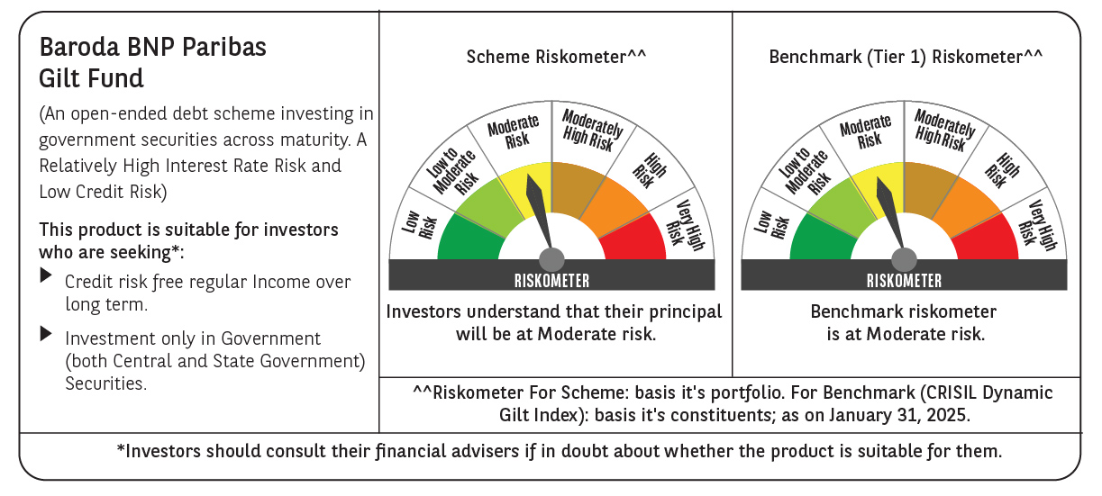

 | Baroda BNP Paribas Gilt Fund

 | Monthly Portfolio Statement as on January 31, 2025
 | Name of the Instrument | ISIN | Rating | Quantity | Market/Fair Value (Rs. in Lakhs) | % to Net Assets | YTM~ | YTC^ | null
 | Debt Instruments
 | (a) Listed / awaiting listing on Stock Exchange
GOI6156 | 6.79% Government of India (07/10/2034) | IN0020240126 | Sovereign | 51,000,000 | 51,336.40 | 29.19% | 6.81%
GOI5713 | 7.1% Government of India (08/04/2034) | IN0020240019 | Sovereign | 47,293,200 | 48,431.26 | 27.54% | 6.86%
GOI5379 | 7.32% Government of India (13/11/2030) | IN0020230135 | Sovereign | 8,500,000 | 8,758.21 | 4.98% | 6.79%
GOI3591 | 6.91% State Government Securities (15/09/2033) | IN2220210248 | Sovereign | 6,400,000 | 6,335.96 | 3.60% | 7.19%
GOI5728 | 7.34% Government of India (22/04/2064) | IN0020240035 | Sovereign | 6,000,000 | 6,230.31 | 3.54% | 7.17%
GOI5470 | 7.74% State Government Securities (10/01/2036) | IN1920230183 | Sovereign | 5,500,000 | 5,753.35 | 3.27% | 7.25%
GOI5413 | 7.72% State Government Securities (06/12/2035) | IN1920230100 | Sovereign | 5,000,000 | 5,226.95 | 2.97% | 7.24%
GOI4967 | 7.65% State Government Securities (01/02/2033) | IN1520220212 | Sovereign | 5,000,000 | 5,168.65 | 2.94% | 7.22%
GOI5590 | 7.43% State Government Securities (28/02/2035) | IN2220230253 | Sovereign | 5,000,000 | 5,118.03 | 2.91% | 7.22%
GOI5006 | 7.74% State Government Securities (01/03/2033) | IN2220220189 | Sovereign | 4,500,000 | 4,677.90 | 2.66% | 7.21%
GOI4815 | 7.81% State Government Securities (12/10/2032) | IN1520220113 | Sovereign | 4,000,000 | 4,168.84 | 2.37% | 7.21%
GOI5452 | 7.74% State Government Securities (03/01/2034) | IN1920230167 | Sovereign | 3,500,000 | 3,645.38 | 2.07% | 7.23%
GOI5281 | 7.47% State Government Securities (13/09/2034) | IN2220230121 | Sovereign | 3,500,000 | 3,589.96 | 2.04% | 7.22%
GOI5384 | 7.7% State Government Securities (15/11/2034) | IN2220230162 | Sovereign | 3,000,000 | 3,126.05 | 1.78% | 7.22%
GOI5280 | 7.46% State Government Securities (13/09/2033) | IN2220230113 | Sovereign | 2,500,000 | 2,561.41 | 1.46% | 7.20%
GOI2950 | 6.61% State Government Securities (02/09/2035) | IN1920200202 | Sovereign | 2,500,000 | 2,411.83 | 1.37% | 7.21%
GOI6030 | 7.22% State Government Securities (07/08/2034) | IN2220240104 | Sovereign | 2,216,500 | 2,236.54 | 1.27% | 7.21%
GOI5228 | 7.18% Government of India (14/08/2033) | IN0020230085 | Sovereign | 1,877,500 | 1,928.84 | 1.10% | 6.87%
GOI5573 | 7.46% State Government Securities (21/02/2035) | IN2220230238 | Sovereign | 1,000,000 | 1,025.72 | 0.58% | 7.22%
GOI5818 | 8.05% State Government Securities (27/07/2037) | IN2920220109 | Sovereign | 40,800 | 43.76 | 0.02% | 7.29%
 | Sub Total |  |  |  | 171,775.35 | 97.66%
 | (b) Privately placed / Unlisted |  |  |  | NIL | NIL
 | Sub Total |  |  |  | NIL | NIL
 | Total |  |  |  | 171,775.35 | 97.66%
 | Reverse Repo / TREPS
TRP_030225 | Clearing Corporation of India Ltd |  |  |  | 1,447.84 | 0.82% | 6.54%
 | Sub Total |  |  |  | 1,447.84 | 0.82%
 | (b) Privately placed / Unlisted |  |  |  | NIL | NIL
 | Sub Total |  |  |  | NIL | NIL
 | Total |  |  |  | 1,447.84 | 0.82%
 | Net Receivables / (Payables) |  |  |  | 2,635.81 | 1.52%
 | GRAND TOTAL |  |  |  | 175,859.00 | 100.00%

 | ~ YTM as on January 31, 2025
 | ^ YTC represents Yield to Call provided by valuation agencies as on January 31, 2025. It is disclosed for Perpetual Bond issued by Banks (i.e. AT-1 Bond / Tier 1 Bond / Tier 2 Bond), as per AMFI Best Practices Guidelines Circular no. 135/BP/91/2020-21 read with SEBI circular No. SEBI/HO/IMD/DF4/CIR/P/2021/034 on Valuation of AT-1 Bonds and Tier 2 Bonds.

