Monthly Portfolio
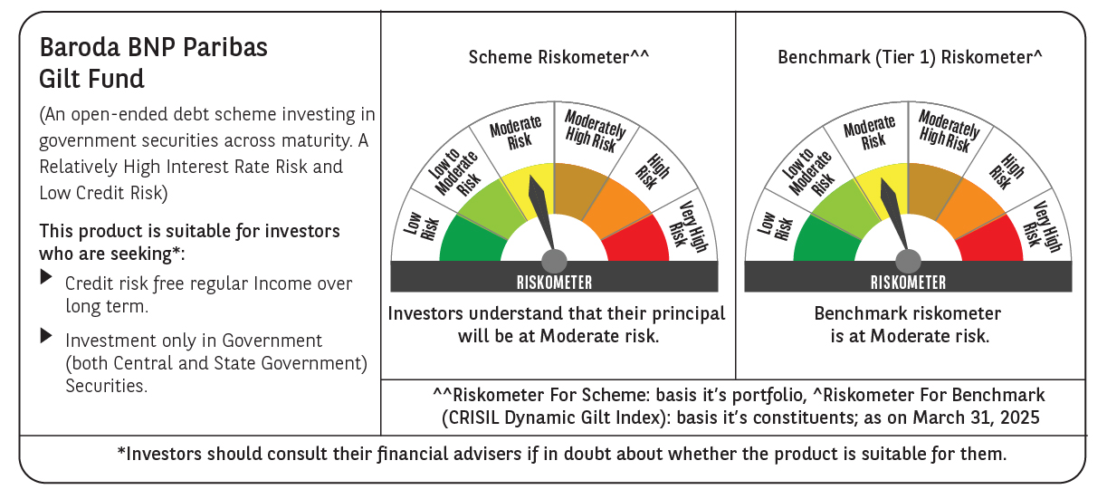

 | Baroda BNP Paribas Gilt Fund

 | Monthly Portfolio Statement as on March 31, 2025
 | Name of the Instrument | ISIN | Rating | Quantity | Market/Fair Value (Rs. in Lakhs) | % to Net Assets | YTM~ | YTC^ | null
 | Debt Instruments
 | (a) Listed / awaiting listing on Stock Exchange
GOI6156 | 6.79% Government of India (07/10/2034) | IN0020240126 | Sovereign | 38,700,000 | 39,270.44 | 24.14% | 6.69%
GOI5713 | 7.1% Government of India (08/04/2034) | IN0020240019 | Sovereign | 31,293,200 | 32,313.55 | 19.87% | 6.72%
GOI5728 | 7.34% Government of India (22/04/2064) | IN0020240035 | Sovereign | 14,500,000 | 15,261.76 | 9.38% | 7.07%
GOI3591 | 6.91% State Government Securities (15/09/2033) | IN2220210248 | Sovereign | 6,400,000 | 6,406.79 | 3.94% | 7.01%
GOI5470 | 7.74% State Government Securities (10/01/2036) | IN1920230183 | Sovereign | 5,500,000 | 5,819.18 | 3.58% | 7.08%
GOI5413 | 7.72% State Government Securities (06/12/2035) | IN1920230100 | Sovereign | 5,000,000 | 5,283.17 | 3.25% | 7.08%
GOI4967 | 7.65% State Government Securities (01/02/2033) | IN1520220212 | Sovereign | 5,000,000 | 5,221.36 | 3.21% | 7.03%
GOI5590 | 7.43% State Government Securities (28/02/2035) | IN2220230253 | Sovereign | 5,000,000 | 5,169.10 | 3.18% | 7.07%
GOI5006 | 7.74% State Government Securities (01/03/2033) | IN2220220189 | Sovereign | 4,500,000 | 4,723.74 | 2.90% | 7.03%
GOI5379 | 7.32% Government of India (13/11/2030) | IN0020230135 | Sovereign | 4,400,000 | 4,568.45 | 2.81% | 6.60%
GOI4815 | 7.81% State Government Securities (12/10/2032) | IN1520220113 | Sovereign | 4,000,000 | 4,202.50 | 2.58% | 7.06%
GOI6435 | 7.08% State Government Securities (12/08/2031) | IN1920240232 | Sovereign | 4,000,000 | 4,032.41 | 2.48% | 7.04%
GOI5452 | 7.74% State Government Securities (03/01/2034) | IN1920230167 | Sovereign | 3,500,000 | 3,676.55 | 2.26% | 7.08%
GOI5281 | 7.47% State Government Securities (13/09/2034) | IN2220230121 | Sovereign | 3,500,000 | 3,626.42 | 2.23% | 7.06%
GOI5384 | 7.7% State Government Securities (15/11/2034) | IN2220230162 | Sovereign | 3,000,000 | 3,154.20 | 1.94% | 7.08%
GOI5348 | 7.73% State Government Securities (01/11/2035) | IN1920230043 | Sovereign | 2,500,000 | 2,642.71 | 1.62% | 7.08%
GOI5280 | 7.46% State Government Securities (13/09/2033) | IN2220230113 | Sovereign | 2,500,000 | 2,588.79 | 1.59% | 7.02%
GOI6482 | 7.21% State Government Securities (05/03/2035) | IN1520240277 | Sovereign | 2,500,000 | 2,547.60 | 1.57% | 7.06%
GOI2950 | 6.61% State Government Securities (02/09/2035) | IN1920200202 | Sovereign | 2,500,000 | 2,440.86 | 1.50% | 7.05%
GOI6030 | 7.22% State Government Securities (07/08/2034) | IN2220240104 | Sovereign | 2,216,500 | 2,258.14 | 1.39% | 7.06%
GOI5228 | 7.18% Government of India (14/08/2033) | IN0020230085 | Sovereign | 1,877,500 | 1,945.78 | 1.20% | 6.71%
GOI5573 | 7.46% State Government Securities (21/02/2035) | IN2220230238 | Sovereign | 1,000,000 | 1,035.88 | 0.64% | 7.07%
 | Sub Total |  |  |  | 158,189.38 | 97.26%
 | (b) Privately placed / Unlisted |  |  |  | NIL | NIL
 | Sub Total |  |  |  | NIL | NIL
 | Total |  |  |  | 158,189.38 | 97.26%
 | Reverse Repo / TREPS
TRP_020425 | Clearing Corporation of India Ltd |  |  |  | 641.57 | 0.39% | 6.68%
 | Sub Total |  |  |  | 641.57 | 0.39%
 | (b) Privately placed / Unlisted |  |  |  | NIL | NIL
 | Sub Total |  |  |  | NIL | NIL
 | Total |  |  |  | 641.57 | 0.39%
 | Net Receivables / (Payables) |  |  |  | 3,829.04 | 2.35%
 | GRAND TOTAL |  |  |  | 162,659.99 | 100.00%

 | ~ YTM as on March 31, 2025
 | ^ YTC represents Yield to Call provided by valuation agencies as on March 31, 2025. It is disclosed for Perpetual Bond issued by Banks (i.e. AT-1 Bond / Tier 1 Bond / Tier 2 Bond), as per AMFI Best Practices Guidelines Circular no. 135/BP/91/2020-21 read with SEBI circular No. SEBI/HO/IMD/DF4/CIR/P/2021/034 on Valuation of AT-1 Bonds and Tier 2 Bonds.

