YR07
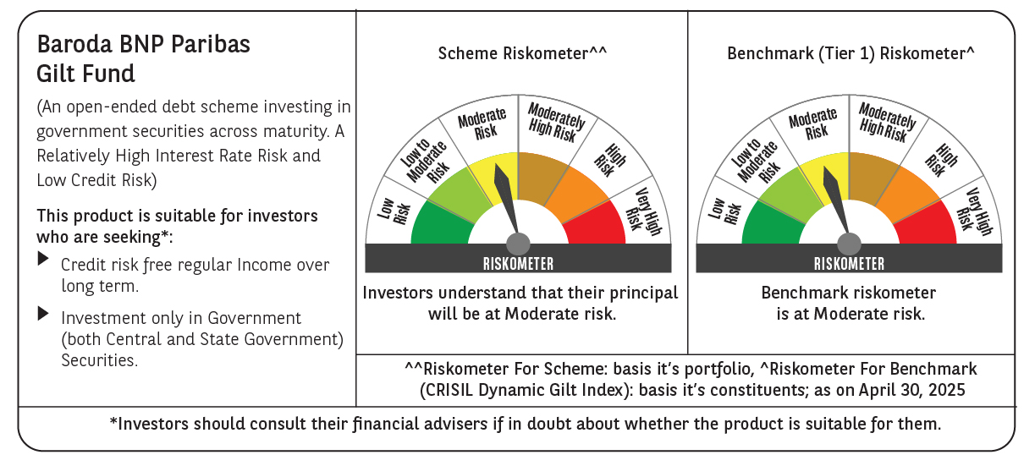

 | Baroda BNP Paribas Gilt Fund

 | Monthly Portfolio Statement as on April 30, 2025
 | Name of the Instrument | ISIN | Rating | Quantity | Market/Fair Value (Rs. in Lakhs) | % to Net Assets | YTM~ | YTC^ | null
 | Debt Instruments
 | (a) Listed / awaiting listing on Stock Exchange
GOI6156 | 6.79% Government of India (07/10/2034) | IN0020240126 | Sovereign | 48,200,000 | 49,655.64 | 28.20% | 6.46%
GOI5713 | 7.1% Government of India (08/04/2034) | IN0020240019 | Sovereign | 30,293,200 | 31,788.02 | 18.05% | 6.47%
GOI5728 | 7.34% Government of India (22/04/2064) | IN0020240035 | Sovereign | 23,800,000 | 25,513.67 | 14.49% | 6.93%
GOI3591 | 6.91% State Government Securities (15/09/2033) | IN2220210248 | Sovereign | 6,400,000 | 6,500.72 | 3.69% | 6.77%
GOI5470 | 7.74% State Government Securities (10/01/2036) | IN1920230183 | Sovereign | 5,500,000 | 5,913.25 | 3.36% | 6.85%
GOI5413 | 7.72% State Government Securities (06/12/2035) | IN1920230100 | Sovereign | 5,000,000 | 5,378.17 | 3.05% | 6.82%
GOI4967 | 7.65% State Government Securities (01/02/2033) | IN1520220212 | Sovereign | 5,000,000 | 5,288.92 | 3.00% | 6.79%
GOI5590 | 7.43% State Government Securities (28/02/2035) | IN2220230253 | Sovereign | 5,000,000 | 5,260.81 | 2.99% | 6.81%
GOI5006 | 7.74% State Government Securities (01/03/2033) | IN2220220189 | Sovereign | 4,500,000 | 4,786.63 | 2.72% | 6.79%
GOI5379 | 7.32% Government of India (13/11/2030) | IN0020230135 | Sovereign | 3,900,000 | 4,114.80 | 2.34% | 6.22%
GOI6435 | 7.08% State Government Securities (12/08/2031) | IN1920240232 | Sovereign | 4,000,000 | 4,098.04 | 2.33% | 6.70%
GOI5228 | 7.18% Government of India (14/08/2033) | IN0020230085 | Sovereign | 3,677,500 | 3,871.14 | 2.20% | 6.45%
GOI5452 | 7.74% State Government Securities (03/01/2034) | IN1920230167 | Sovereign | 3,500,000 | 3,738.38 | 2.12% | 6.80%
GOI5281 | 7.47% State Government Securities (13/09/2034) | IN2220230121 | Sovereign | 3,500,000 | 3,691.07 | 2.10% | 6.79%
GOI5348 | 7.73% State Government Securities (01/11/2035) | IN1920230043 | Sovereign | 2,500,000 | 2,689.99 | 1.53% | 6.82%
GOI5280 | 7.46% State Government Securities (13/09/2033) | IN2220230113 | Sovereign | 2,500,000 | 2,625.60 | 1.49% | 6.78%
GOI6482 | 7.21% State Government Securities (05/03/2035) | IN1520240277 | Sovereign | 2,500,000 | 2,591.43 | 1.47% | 6.81%
GOI2950 | 6.61% State Government Securities (02/09/2035) | IN1920200202 | Sovereign | 2,500,000 | 2,484.95 | 1.41% | 6.80%
GOI6030 | 7.22% State Government Securities (07/08/2034) | IN2220240104 | Sovereign | 2,216,500 | 2,298.66 | 1.31% | 6.79%
GOI5573 | 7.46% State Government Securities (21/02/2035) | IN2220230238 | Sovereign | 1,000,000 | 1,054.21 | 0.60% | 6.81%
GOI3700 | 6.89% State Government Securities (15/12/2033) | IN1920210169 | Sovereign | 500,000 | 507.40 | 0.29% | 6.77%
 | Sub Total |  |  |  | 173,851.50 | 98.74%
 | (b) Privately placed / Unlisted |  |  |  | NIL | NIL
 | Sub Total |  |  |  | NIL | NIL
 | Total |  |  |  | 173,851.50 | 98.74%
 | Reverse Repo / TREPS
TRP_020525 | Clearing Corporation of India Ltd |  |  |  | 301.14 | 0.17% | 5.94%
 | Sub Total |  |  |  | 301.14 | 0.17%
 | (b) Privately placed / Unlisted |  |  |  | NIL | NIL
 | Sub Total |  |  |  | NIL | NIL
 | Total |  |  |  | 301.14 | 0.17%
 | Net Receivables / (Payables) |  |  |  | 1,947.41 | 1.09%
 | GRAND TOTAL |  |  |  | 176,100.05 | 100.00%

 | ~ YTM as on April 30, 2025
 | ^ YTC represents Yield to Call provided by valuation agencies as on April 30, 2025. It is disclosed for Perpetual Bond issued by Banks (i.e. AT-1 Bond / Tier 1 Bond / Tier 2 Bond), as per AMFI Best Practices Guidelines Circular no. 135/BP/91/2020-21 read with SEBI circular No. SEBI/HO/IMD/DF4/CIR/P/2021/034 on Valuation of AT-1 Bonds and Tier 2 Bonds.

